1.1 UAT
SELECT *
FROM [olss_prod].[dbo].[Customer]
WHERE CustomerCode='DP001';

Before
IdCustomer | idCustomerBusinessSector | CustomerCode | CustomerName | Address | Telephone | InternalRating | BusinessEconomySector | DateOfEstablishment | Capital | EmployeeNumber | BranchNumber | GoPublicCompany | MaxCreditLine | TCBalanceGroup | TCBalanceSingle | OverdueAmount | OverdueNumber | CustomerVehicleUnit | DSFVehicleUnit | PotentialVehicleUnit | IADVehicleUnit | CustomerForkliftUnit | DSFForkliftUnit | PotentialForkliftUnit | IADForkliftUnit | CustomerHEUnit | DSFHEUnit | PotentialHEUnit | IADHEUnit | LCVNonMaintenance | LCVMaintenance | LCVCSD | LCVFinanceLease | CVNonMaintenance | CVMaintenance | CVCSD | CVFinanceLease | PCNonMaintenance | PCMaintenance | PCCSD | PCFinanceLease | ForkliftNonMaintenance | ForkliftMaintenance | ForkliftCSD | ForkliftFinanceLease | HENonMaintenance | HEMaintenance | HECSD | HEFinanceLease | IsActive | IsDraft | IsSubmit | IsDeleted | Remarks | CreateDate | CreateBy | LastModified | LastModifiedBy
61 | 1 | DP001 | PT. Dipo Star | Sentral Senayan | 24234234234 | 3 | Agriculture | 2015-05-03 00:00:00 | 1000000000 | 1902-09-26 00:00:00 | 31 | 1 | NULL | NULL | NULL | NULL | NULL | NULL | NULL | NULL | NULL | NULL | NULL | NULL | NULL | NULL | NULL | NULL | NULL | NULL | NULL | NULL | NULL | NULL | NULL | NULL | NULL | NULL | NULL | NULL | NULL | NULL | NULL | NULL | NULL | NULL | NULL | NULL | NULL | 0 | 1 | 0 | 0 | NULL | 2015-05-11 10:30:50 | Achmad Fardani | 2015-05-11 10:36:21 | Achmad Fardani

After
IdCustomer | idCustomerBusinessSector | CustomerCode | CustomerName | Address | Telephone | InternalRating | BusinessEconomySector | DateOfEstablishment | Capital | EmployeeNumber | BranchNumber | GoPublicCompany | MaxCreditLine | TCBalanceGroup | TCBalanceSingle | OverdueAmount | OverdueNumber | CustomerVehicleUnit | DSFVehicleUnit | PotentialVehicleUnit | IADVehicleUnit | CustomerForkliftUnit | DSFForkliftUnit | PotentialForkliftUnit | IADForkliftUnit | CustomerHEUnit | DSFHEUnit | PotentialHEUnit | IADHEUnit | LCVNonMaintenance | LCVMaintenance | LCVCSD | LCVFinanceLease | CVNonMaintenance | CVMaintenance | CVCSD | CVFinanceLease | PCNonMaintenance | PCMaintenance | PCCSD | PCFinanceLease | ForkliftNonMaintenance | ForkliftMaintenance | ForkliftCSD | ForkliftFinanceLease | HENonMaintenance | HEMaintenance | HECSD | HEFinanceLease | IsActive | IsDraft | IsSubmit | IsDeleted | Remarks | CreateDate | CreateBy | LastModified | LastModifiedBy
61 | 1 | DP001 | PT. Dipo Star | Sentral Senayan | 24234234234 | 3 | Agriculture | 2015-05-03 00:00:00 | 1,000,000,000 | 1000 | 31 | 1 | NULL | NULL | NULL | NULL | NULL | NULL | NULL | NULL | NULL | NULL | NULL | NULL | NULL | NULL | NULL | NULL | NULL | NULL | NULL | NULL | NULL | NULL | NULL | NULL | NULL | NULL | NULL | NULL | NULL | NULL | NULL | NULL | NULL | NULL | NULL | NULL | NULL | 0 | 1 | 0 | 0 | NULL | 2015-05-11 10:30:50 | Achmad Fardani | 2015-05-11 10:36:21 | Achmad Fardani

Try to change value "Bank" then data has been changed
SELECT *
FROM [olss_qa_cr].[dbo].[CustomerDetailInfo]
WHERE IdCustomer='61';

Before
IdCDetailInfo | IdCustomer | Bank | ShareHolder | MainVendor | MainCustomer | RepresentativeDirector | FiscalYear | SalesProfit | NetProfit | SalesProfitCurrency | NetProfitCurrency | Remarks | CreateDate | CreateBy | LastModified | LastModifiedBy
106 | 61 | bnk sampoerna | mc corp | berlian utama, PT | BSI PT | yoshino | 1000000 | 1933-03-08 00:00:00 | 11111 | 1900-02-07 00:00:00 | 38 | NULL | 2015-05-11 10:30:50 | Achmad Fardani | 2015-05-11 10:36:21 | Achmad Fardani
107 | 61 | NULL | NULL | NULL | NULL | NULL | 200000 | 111111 | 111111 | 1900-02-07 00:00:00 | 38 | NULL | 2015-05-11 10:30:50 | Achmad Fardani | 2015-05-11 10:36:21 | Achmad Fardani
108 | 61 | NULL | NULL | NULL | NULL | NULL | 300000 | 3333333 | 11111 | 1900-02-07 00:00:00 | 38 | NULL | 2015-05-11 10:30:50 | Achmad Fardani | 2015-05-11 10:36:21 | Achmad Fardani

After
IdCDetailInfo | IdCustomer | Bank | ShareHolder | MainVendor | MainCustomer | RepresentativeDirector | FiscalYear | SalesProfit | NetProfit | SalesProfitCurrency | NetProfitCurrency | Remarks | CreateDate | CreateBy | LastModified | LastModifiedBy
106 | 61 | bnk sampoerna | mc corp | berlian utama, PT | BSI PT | yoshino | 1000000 | 1933-03-08 00:00:00 | 11,111 | 38 | 38 | NULL | 2015-05-11 10:30:50 | Achmad Fardani | 2015-05-11 10:36:21 | Achmad Fardani
107 | 61 | bnk sampeorna 2 | NULL | NULL | NULL | NULL | 200000 | 111111 | 111,111 | 38 | 38 | NULL | 2015-05-11 10:30:50 | Achmad Fardani | 2015-05-11 10:36:21 | Achmad Fardani
108 | 61 | sampoerna 3 | NULL | NULL | NULL | NULL | 300000 | 3333333 | 11,111 | 38 | 38 | NULL | 2015-05-11 10:30:50 | Achmad Fardani | 2015-05-11 10:36:21 | Achmad Fardani

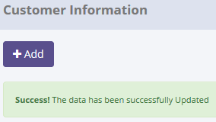
SELECT *
FROM [olss_prod].[dbo].[Master_History]
ORDER BY CreatedDate DESC;

ProcessID | OriginalID | EntityName | Action | CreatedDate | CreatedBy
7814EC80-74ED-400E-BCA6-CB49D6B038AE | 61 | Customer | Save Changes | 5/11/15 | Achmad Fardani
41097FF5-A20B-49E6-80F1-4642DB5A9E6B | 51 | Customer | Save Changes | 5/11/15 | Achmad Fardani
74FF7A7C-AC86-4118-B882-DA6926E8DF4F | 7 | Supplier | Deactivate | 5/6/15 | Achmad Fardani
B6AEE525-1B35-4242-A8C2-1C52F3EBA8DE | 5315 | Supplier | Set to Draft | 5/6/15 | Achmad Fardani
DCE173A8-A64F-4E82-AB77-0E741F836699 | 2 | Supplier | Submit | 5/6/15 | Achmad Fardani

SELECT *
FROM [olss_prod].[dbo].[Master_History_Dtl]
WHERE ProcessID='7814EC80-74ED-400E-BCA6-CB49D6B038AE';

ProcessID | OldValue
7814EC80-74ED-400E-BCA6-CB49D6B038AE | <Customer xmlns="http://schemas.datacontract.org/2004/07/Dsf.Olss.Data.Entities" xmlns:i="http://www.w3.org/2001/XMLSchema-instance"><Address>Sentral Senayan</Address><BranchNumber>31</BranchNumber><BusinessEconomySector>Agriculture</BusinessEconomySector><CVCSD i:nil="true" /><CVFinanceLease i:nil="true" /><CVMaintenance i:nil="true" /><CVNonMaintenance i:nil="true" /><Capital>1000000000</Capital><CreateBy>Achmad Fardani</CreateBy><CreateDate>2015-05-11T10:30:50.367</CreateDate><CustomerCode>DP001</CustomerCode><CustomerDetailInfoes><CustomerDetailInfo><Bank>bnk sampoerna</Bank><CreateBy>Achmad Fardani</CreateBy><CreateDate>2015-05-11T10:30:50.367</CreateDate><Customer i:nil="true" /><FiscalYear>1000000.000</FiscalYear><IdCDetailInfo>106</IdCDetailInfo><IdCustomer>61</IdCustomer><LastModified i:nil="true" /><LastModifiedBy i:nil="true" /><MainCustomer>BSI PT</MainCustomer><MainVendor>berlian utama, PT</MainVendor><NetProfit>11111.000</NetProfit><NetProfitCurrency>38</NetProfitCurrency><Remarks i:nil="true" /><RepresentativeDirector>yoshino</RepresentativeDirector><SalesProfit>12121.000</SalesProfit><SalesProfitCurrency>38</SalesProfitCurrency><ShareHolder>mc corp</ShareHolder></CustomerDetailInfo><CustomerDetailInfo><Bank i:nil="true" /><CreateBy>Achmad Fardani</CreateBy><CreateDate>2015-05-11T10:30:50.367</CreateDate><Customer i:nil="true" /><FiscalYear>200000.000</FiscalYear><IdCDetailInfo>107</IdCDetailInfo><IdCustomer>61</IdCustomer><LastModified i:nil="true" /><LastModifiedBy i:nil="true" /><MainCustomer i:nil="true" /><MainVendor i:nil="true" /><NetProfit>111111.000</NetProfit><NetProfitCurrency>38</NetProfitCurrency><Remarks i:nil="true" /><RepresentativeDirector i:nil="true" /><SalesProfit>111111.000</SalesProfit><SalesProfitCurrency>38</SalesProfitCurrency><ShareHolder i:nil="true" /></CustomerDetailInfo><CustomerDetailInfo><Bank i:nil="true" /><CreateBy>Achmad Fardani</CreateBy><CreateDate>2015-05-11T10:30:50.367</CreateDate><Customer i:nil="true" /><Fisc

1.2 UAT
SELECT *
FROM [olss_prod].[dbo].[Customer]
WHERE CustomerCode='DP001';

Before
IdCustomer | idCustomerBusinessSector | CustomerCode | CustomerName | Address | Telephone | InternalRating | BusinessEconomySector | DateOfEstablishment | Capital | EmployeeNumber | BranchNumber | GoPublicCompany | MaxCreditLine | TCBalanceGroup | TCBalanceSingle | OverdueAmount | OverdueNumber | CustomerVehicleUnit | DSFVehicleUnit | PotentialVehicleUnit | IADVehicleUnit | CustomerForkliftUnit | DSFForkliftUnit | PotentialForkliftUnit | IADForkliftUnit | CustomerHEUnit | DSFHEUnit | PotentialHEUnit | IADHEUnit | LCVNonMaintenance | LCVMaintenance | LCVCSD | LCVFinanceLease | CVNonMaintenance | CVMaintenance | CVCSD | CVFinanceLease | PCNonMaintenance | PCMaintenance | PCCSD | PCFinanceLease | ForkliftNonMaintenance | ForkliftMaintenance | ForkliftCSD | ForkliftFinanceLease | HENonMaintenance | HEMaintenance | HECSD | HEFinanceLease | IsActive | IsDraft | IsSubmit | IsDeleted | Remarks | CreateDate | CreateBy | LastModified | LastModifiedBy
61 | 1 | DP001 | PT. Dipo Star | Sentral Senayan | 24234234234 | 3 | Agriculture | 2015-05-03 00:00:00 | 1000000000 | 1902-09-26 00:00:00 | 31 | 1 | NULL | NULL | NULL | NULL | NULL | NULL | NULL | NULL | NULL | NULL | NULL | NULL | NULL | NULL | NULL | NULL | NULL | NULL | NULL | NULL | NULL | NULL | NULL | NULL | NULL | NULL | NULL | NULL | NULL | NULL | NULL | NULL | NULL | NULL | NULL | NULL | NULL | 0 | 1 | 0 | 0 | NULL | 2015-05-11 10:30:50 | Achmad Fardani | 2015-05-11 10:36:21 | Achmad Fardani

After
IdCustomer | idCustomerBusinessSector | CustomerCode | CustomerName | Address | Telephone | InternalRating | BusinessEconomySector | DateOfEstablishment | Capital | EmployeeNumber | BranchNumber | GoPublicCompany | MaxCreditLine | TCBalanceGroup | TCBalanceSingle | OverdueAmount | OverdueNumber | CustomerVehicleUnit | DSFVehicleUnit | PotentialVehicleUnit | IADVehicleUnit | CustomerForkliftUnit | DSFForkliftUnit | PotentialForkliftUnit | IADForkliftUnit | CustomerHEUnit | DSFHEUnit | PotentialHEUnit | IADHEUnit | LCVNonMaintenance | LCVMaintenance | LCVCSD | LCVFinanceLease | CVNonMaintenance | CVMaintenance | CVCSD | CVFinanceLease | PCNonMaintenance | PCMaintenance | PCCSD | PCFinanceLease | ForkliftNonMaintenance | ForkliftMaintenance | ForkliftCSD | ForkliftFinanceLease | HENonMaintenance | HEMaintenance | HECSD | HEFinanceLease | IsActive | IsDraft | IsSubmit | IsDeleted | Remarks | CreateDate | CreateBy | LastModified | LastModifiedBy
61 | 1 | DP001 | PT. Dipo Star | Sentral Senayan | 24234234234 | 3 | Agriculture | 2015-05-03 00:00:00 | 1,000,000,000 | 1000 | 31 | 1 | NULL | NULL | NULL | NULL | NULL | NULL | NULL | NULL | NULL | NULL | NULL | NULL | NULL | NULL | NULL | NULL | NULL | NULL | NULL | NULL | NULL | NULL | NULL | NULL | NULL | NULL | NULL | NULL | NULL | NULL | NULL | NULL | NULL | NULL | NULL | NULL | NULL | 0 | 1 | 0 | 0 | NULL | 2015-05-11 10:30:50 | Achmad Fardani | 2015-05-11 10:36:21 | Achmad Fardani

Try to change value "Bank", then data hasn't been changed
SELECT *
FROM [olss_qa_cr].[dbo].[CustomerDetailInfo]
WHERE IdCustomer='61';

Before
IdCDetailInfo | IdCustomer | Bank | ShareHolder | MainVendor | MainCustomer | RepresentativeDirector | FiscalYear | SalesProfit | NetProfit | SalesProfitCurrency | NetProfitCurrency | Remarks | CreateDate | CreateBy | LastModified | LastModifiedBy
106 | 61 | bnk sampoerna | mc corp | berlian utama, PT | BSI PT | yoshino | 1000000 | 1933-03-08 00:00:00 | 11,111 | 38 | 38 | NULL | 2015-05-11 10:30:50 | Achmad Fardani | 2015-05-11 10:36:21 | Achmad Fardani
107 | 61 | bnk sampeorna 2 | NULL | NULL | NULL | NULL | 200000 | 111111 | 111,111 | 38 | 38 | NULL | 2015-05-11 10:30:50 | Achmad Fardani | 2015-05-11 10:36:21 | Achmad Fardani
108 | 61 | sampoerna 3 | NULL | NULL | NULL | NULL | 300000 | 3333333 | 11,111 | 38 | 38 | NULL | 2015-05-11 10:30:50 | Achmad Fardani | 2015-05-11 10:36:21 | Achmad Fardani

After
IdCDetailInfo | IdCustomer | Bank | ShareHolder | MainVendor | MainCustomer | RepresentativeDirector | FiscalYear | SalesProfit | NetProfit | SalesProfitCurrency | NetProfitCurrency | Remarks | CreateDate | CreateBy | LastModified | LastModifiedBy
106 | 61 | bnk sampoerna | mc corp | berlian utama, PT | BSI PT | yoshino | 1000000 | 1933-03-08 00:00:00 | 11,111 | 38 | 38 | NULL | 2015-05-11 10:30:50 | Achmad Fardani | 2015-05-11 10:36:21 | Achmad Fardani
107 | 61 | bnk sampeorna 2 | NULL | NULL | NULL | NULL | 200000 | 111111 | 111,111 | 38 | 38 | NULL | 2015-05-11 10:30:50 | Achmad Fardani | 2015-05-11 10:36:21 | Achmad Fardani
108 | 61 | sampoerna 3 | NULL | NULL | NULL | NULL | 300000 | 3333333 | 11,111 | 38 | 38 | NULL | 2015-05-11 10:30:50 | Achmad Fardani | 2015-05-11 10:36:21 | Achmad Fardani
There are no new record on table Master_History

SELECT *
FROM [olss_prod].[dbo].[Master_History]
ORDER BY CreatedDate DESC;

ProcessID | OriginalID | EntityName | Action | CreatedDate | CreatedBy
7814EC80-74ED-400E-BCA6-CB49D6B038AE | 61 | Customer | Save Changes | 5/11/15 | Achmad Fardani
41097FF5-A20B-49E6-80F1-4642DB5A9E6B | 51 | Customer | Save Changes | 5/11/15 | Achmad Fardani
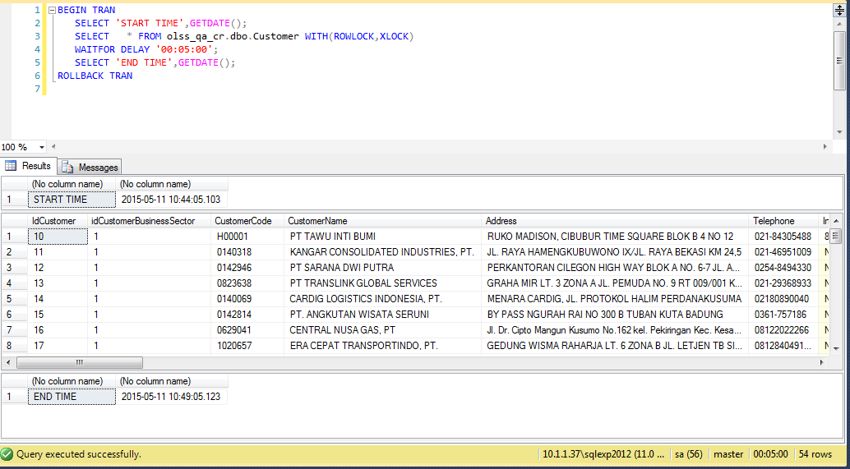
74FF7A7C-AC86-4118-B882-DA6926E8DF4F | 7 | Supplier | Deactivate | 5/6/15 | Achmad Fardani
B6AEE525-1B35-4242-A8C2-1C52F3EBA8DE | 5315 | Supplier | Set to Draft | 5/6/15 | Achmad Fardani
DCE173A8-A64F-4E82-AB77-0E741F836699 | 2 | Supplier | Submit | 5/6/15 | Achmad Fardani

Process Lock Table Customer

2.1 UAT
Try to "Submit" data, then data has been changed
SELECT *
FROM [olss_prod].[dbo].[Customer]
WHERE CustomerCode='DP001';

Before
IdCustomer | idCustomerBusinessSector | CustomerCode | CustomerName | Address | Telephone | InternalRating | BusinessEconomySector | DateOfEstablishment | Capital | EmployeeNumber | BranchNumber | GoPublicCompany | MaxCreditLine | TCBalanceGroup | TCBalanceSingle | OverdueAmount | OverdueNumber | CustomerVehicleUnit | DSFVehicleUnit | PotentialVehicleUnit | IADVehicleUnit | CustomerForkliftUnit | DSFForkliftUnit | PotentialForkliftUnit | IADForkliftUnit | CustomerHEUnit | DSFHEUnit | PotentialHEUnit | IADHEUnit | LCVNonMaintenance | LCVMaintenance | LCVCSD | LCVFinanceLease | CVNonMaintenance | CVMaintenance | CVCSD | CVFinanceLease | PCNonMaintenance | PCMaintenance | PCCSD | PCFinanceLease | ForkliftNonMaintenance | ForkliftMaintenance | ForkliftCSD | ForkliftFinanceLease | HENonMaintenance | HEMaintenance | HECSD | HEFinanceLease | IsActive | IsDraft | IsSubmit | IsDeleted | Remarks | CreateDate | CreateBy | LastModified | LastModifiedBy
61 | 1 | DP001 | PT. Dipo Star | Sentral Senayan | 24234234234 | 3 | Agriculture | 2015-05-03 00:00:00 | 1,000,000,000 | 1000 | 31 | 1 | NULL | NULL | NULL | NULL | NULL | NULL | NULL | NULL | NULL | NULL | NULL | NULL | NULL | NULL | NULL | NULL | NULL | NULL | NULL | NULL | NULL | NULL | NULL | NULL | NULL | NULL | NULL | NULL | NULL | NULL | NULL | NULL | NULL | NULL | NULL | NULL | NULL | 0 | 1 | 0 | 0 | NULL | 2015-05-11 10:30:50 | Achmad Fardani | 2015-05-11 10:36:21 | Achmad Fardani

After
IdCustomer | idCustomerBusinessSector | CustomerCode | CustomerName | Address | Telephone | InternalRating | BusinessEconomySector | DateOfEstablishment | Capital | EmployeeNumber | BranchNumber | GoPublicCompany | MaxCreditLine | TCBalanceGroup | TCBalanceSingle | OverdueAmount | OverdueNumber | CustomerVehicleUnit | DSFVehicleUnit | PotentialVehicleUnit | IADVehicleUnit | CustomerForkliftUnit | DSFForkliftUnit | PotentialForkliftUnit | IADForkliftUnit | CustomerHEUnit | DSFHEUnit | PotentialHEUnit | IADHEUnit | LCVNonMaintenance | LCVMaintenance | LCVCSD | LCVFinanceLease | CVNonMaintenance | CVMaintenance | CVCSD | CVFinanceLease | PCNonMaintenance | PCMaintenance | PCCSD | PCFinanceLease | ForkliftNonMaintenance | ForkliftMaintenance | ForkliftCSD | ForkliftFinanceLease | HENonMaintenance | HEMaintenance | HECSD | HEFinanceLease | IsActive | IsDraft | IsSubmit | IsDeleted | Remarks | CreateDate | CreateBy | LastModified | LastModifiedBy
61 | 1 | DP001 | PT. Dipo Star | Sentral Senayan | 24234234234 | 3 | Agriculture | 2015-05-03 00:00:00 | 1,000,000,000 | 1000 | 31 | 1 | NULL | NULL | NULL | NULL | NULL | NULL | NULL | NULL | NULL | NULL | NULL | NULL | NULL | NULL | NULL | NULL | NULL | NULL | NULL | NULL | NULL | NULL | NULL | NULL | NULL | NULL | NULL | NULL | NULL | NULL | NULL | NULL | NULL | NULL | NULL | NULL | NULL | 0 | 0 | 1 | 0 | NULL | 2015-05-11 10:30:50 | Achmad Fardani | 2015-05-11 10:58:54 | Achmad Fardani

SELECT *
FROM [olss_qa_cr].[dbo].[CustomerDetailInfo]
WHERE IdCustomer='61';

Before
IdCDetailInfo | IdCustomer | Bank | ShareHolder | MainVendor | MainCustomer | RepresentativeDirector | FiscalYear | SalesProfit | NetProfit | SalesProfitCurrency | NetProfitCurrency | Remarks | CreateDate | CreateBy | LastModified | LastModifiedBy
106 | 61 | bnk sampoerna | mc corp | berlian utama, PT | BSI PT | yoshino | 1000000 | 1933-03-08 00:00:00 | 11111 | 1900-02-07 00:00:00 | 38 | NULL | 2015-05-11 10:30:50 | Achmad Fardani | 2015-05-11 10:36:21 | Achmad Fardani
107 | 61 | bnk sampeorna 2 | NULL | NULL | NULL | NULL | 200000 | 111111 | 111111 | 1900-02-07 00:00:00 | 38 | NULL | 2015-05-11 10:30:50 | Achmad Fardani | 2015-05-11 10:36:21 | Achmad Fardani
108 | 61 | sampoerna 3 | NULL | NULL | NULL | NULL | 300000 | 3333333 | 11111 | 1900-02-07 00:00:00 | 38 | NULL | 2015-05-11 10:30:50 | Achmad Fardani | 2015-05-11 10:36:21 | Achmad Fardani

After
IdCDetailInfo | IdCustomer | Bank | ShareHolder | MainVendor | MainCustomer | RepresentativeDirector | FiscalYear | SalesProfit | NetProfit | SalesProfitCurrency | NetProfitCurrency | Remarks | CreateDate | CreateBy | LastModified | LastModifiedBy
106 | 61 | bnk sampoerna | mc corp | berlian utama, PT | BSI PT | yoshino | 1000000 | 1933-03-08 00:00:00 | 11,111 | 38 | 38 | NULL | 2015-05-11 10:30:50 | Achmad Fardani | 2015-05-11 10:58:54 | Achmad Fardani
107 | 61 | bnk sampeorna 2 | NULL | NULL | NULL | NULL | 200000 | 111111 | 111,111 | 38 | 38 | NULL | 2015-05-11 10:30:50 | Achmad Fardani | 2015-05-11 10:58:54 | Achmad Fardani
108 | 61 | sampoerna 3 | NULL | NULL | NULL | NULL | 300000 | 3333333 | 11,111 | 38 | 38 | NULL | 2015-05-11 10:30:50 | Achmad Fardani | 2015-05-11 10:58:54 | Achmad Fardani

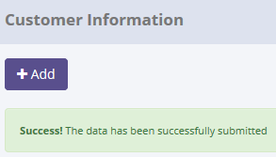
SELECT *
FROM [olss_prod].[dbo].[Master_History]
ORDER BY CreatedDate DESC;

ProcessID | OriginalID | EntityName | Action | CreatedDate | CreatedBy
2F0388F6-64AC-4313-9F81-B07E3A790BDA | 61 | Customer | Submit | 5/11/15 | Achmad Fardani
7814EC80-74ED-400E-BCA6-CB49D6B038AE | 61 | Customer | Save Changes | 5/11/15 | Achmad Fardani
41097FF5-A20B-49E6-80F1-4642DB5A9E6B | 51 | Customer | Save Changes | 5/11/15 | Achmad Fardani
74FF7A7C-AC86-4118-B882-DA6926E8DF4F | 7 | Supplier | Deactivate | 5/6/15 | Achmad Fardani
B6AEE525-1B35-4242-A8C2-1C52F3EBA8DE | 5315 | Supplier | Set to Draft | 5/6/15 | Achmad Fardani

SELECT *
FROM [olss_prod].[dbo].[Master_History_Dtl]
WHERE ProcessID='2F0388F6-64AC-4313-9F81-B07E3A790BDA';

ProcessID | OldValue
2F0388F6-64AC-4313-9F81-B07E3A790BDA | <Customer xmlns="http://schemas.datacontract.org/2004/07/Dsf.Olss.Data.Entities" xmlns:i="http://www.w3.org/2001/XMLSchema-instance"><Address>Sentral Senayan</Address><BranchNumber>31</BranchNumber><BusinessEconomySector>Agriculture</BusinessEconomySector><CVCSD i:nil="true" /><CVFinanceLease i:nil="true" /><CVMaintenance i:nil="true" /><CVNonMaintenance i:nil="true" /><Capital>1000000000</Capital><CreateBy>Achmad Fardani</CreateBy><CreateDate>2015-05-11T10:30:50.367</CreateDate><CustomerCode>DP001</CustomerCode><CustomerDetailInfoes><CustomerDetailInfo><Bank>bnk sampoerna</Bank><CreateBy>Achmad Fardani</CreateBy><CreateDate>2015-05-11T10:30:50.367</CreateDate><Customer i:nil="true" /><FiscalYear>1000000.000</FiscalYear><IdCDetailInfo>106</IdCDetailInfo><IdCustomer>61</IdCustomer><LastModified>2015-05-11T10:36:21.493</LastModified><LastModifiedBy>Achmad Fardani</LastModifiedBy><MainCustomer>BSI PT</MainCustomer><MainVendor>berlian utama, PT</MainVendor><NetProfit>11111.000</NetProfit><NetProfitCurrency>38</NetProfitCurrency><Remarks i:nil="true" /><RepresentativeDirector>yoshino</RepresentativeDirector><SalesProfit>12121.000</SalesProfit><SalesProfitCurrency>38</SalesProfitCurrency><ShareHolder>mc corp</ShareHolder></CustomerDetailInfo><CustomerDetailInfo><Bank>bnk sampeorna 2</Bank><CreateBy>Achmad Fardani</CreateBy><CreateDate>2015-05-11T10:30:50.367</CreateDate><Customer i:nil="true" /><FiscalYear>200000.000</FiscalYear><IdCDetailInfo>107</IdCDetailInfo><IdCustomer>61</IdCustomer><LastModified>2015-05-11T10:36:21.493</LastModified><LastModifiedBy>Achmad Fardani</LastModifiedBy><MainCustomer i:nil="true" /><MainVendor i:nil="true" /><NetProfit>111111.000</NetProfit><NetProfitCurrency>38</NetProfitCurrency><Remarks i:nil="true" /><RepresentativeDirector i:nil="true" /><SalesProfit>111111.000</SalesProfit><SalesProfitCurrency>38</SalesProfitCurrency><ShareHolder i:nil="true" /></CustomerDetailInfo><CustomerDetailInfo><Bank>sampoerna 3</Bank><CreateBy>Achmad Fardani<

2.2 UAT
Try to "Submit" data, but data hasn't been changed
SELECT *
FROM [olss_prod].[dbo].[Customer]
WHERE CustomerCode='1020873';

Before
IdCustomer | idCustomerBusinessSector | CustomerCode | CustomerName | Address | Telephone | InternalRating | BusinessEconomySector | DateOfEstablishment | Capital | EmployeeNumber | BranchNumber | GoPublicCompany | MaxCreditLine | TCBalanceGroup | TCBalanceSingle | OverdueAmount | OverdueNumber | CustomerVehicleUnit | DSFVehicleUnit | PotentialVehicleUnit | IADVehicleUnit | CustomerForkliftUnit | DSFForkliftUnit | PotentialForkliftUnit | IADForkliftUnit | CustomerHEUnit | DSFHEUnit | PotentialHEUnit | IADHEUnit | LCVNonMaintenance | LCVMaintenance | LCVCSD | LCVFinanceLease | CVNonMaintenance | CVMaintenance | CVCSD | CVFinanceLease | PCNonMaintenance | PCMaintenance | PCCSD | PCFinanceLease | ForkliftNonMaintenance | ForkliftMaintenance | ForkliftCSD | ForkliftFinanceLease | HENonMaintenance | HEMaintenance | HECSD | HEFinanceLease | IsActive | IsDraft | IsSubmit | IsDeleted | Remarks | CreateDate | CreateBy | LastModified | LastModifiedBy
51 | 1 | 1020873 | PT.SHIERINDO MANDIRI PERKASA | Jl. Sarang Bango No.70 A Marunda Cilincing Jakarta Utara | 021-45853493 | NULL | Agriculture | NULL | 5000000000 | 1900-01-11 00:00:00 | NULL | 1 | NULL | NULL | NULL | NULL | NULL | NULL | NULL | NULL | NULL | NULL | NULL | NULL | NULL | NULL | NULL | NULL | NULL | NULL | NULL | NULL | NULL | NULL | NULL | NULL | NULL | NULL | NULL | NULL | NULL | NULL | NULL | NULL | NULL | NULL | NULL | NULL | NULL | 1 | 1 | 0 | 0 | NULL | 2014-12-22 17:15:29 | Agung Triwibawa | 2015-05-11 10:21:22 | Achmad Fardani

After
IdCustomer | idCustomerBusinessSector | CustomerCode | CustomerName | Address | Telephone | InternalRating | BusinessEconomySector | DateOfEstablishment | Capital | EmployeeNumber | BranchNumber | GoPublicCompany | MaxCreditLine | TCBalanceGroup | TCBalanceSingle | OverdueAmount | OverdueNumber | CustomerVehicleUnit | DSFVehicleUnit | PotentialVehicleUnit | IADVehicleUnit | CustomerForkliftUnit | DSFForkliftUnit | PotentialForkliftUnit | IADForkliftUnit | CustomerHEUnit | DSFHEUnit | PotentialHEUnit | IADHEUnit | LCVNonMaintenance | LCVMaintenance | LCVCSD | LCVFinanceLease | CVNonMaintenance | CVMaintenance | CVCSD | CVFinanceLease | PCNonMaintenance | PCMaintenance | PCCSD | PCFinanceLease | ForkliftNonMaintenance | ForkliftMaintenance | ForkliftCSD | ForkliftFinanceLease | HENonMaintenance | HEMaintenance | HECSD | HEFinanceLease | IsActive | IsDraft | IsSubmit | IsDeleted | Remarks | CreateDate | CreateBy | LastModified | LastModifiedBy
51 | 1 | 1020873 | PT.SHIERINDO MANDIRI PERKASA | Jl. Sarang Bango No.70 A Marunda Cilincing Jakarta Utara | 021-45853493 | NULL | Agriculture | NULL | 5,000,000,000 | 11 | NULL | 1 | NULL | NULL | NULL | NULL | NULL | NULL | NULL | NULL | NULL | NULL | NULL | NULL | NULL | NULL | NULL | NULL | NULL | NULL | NULL | NULL | NULL | NULL | NULL | NULL | NULL | NULL | NULL | NULL | NULL | NULL | NULL | NULL | NULL | NULL | NULL | NULL | NULL | 1 | 1 | 0 | 0 | NULL | 2014-12-22 17:15:29 | Agung Triwibawa | 2015-05-11 10:21:22 | Achmad Fardani

There are no new record on table Master_History
SELECT *
FROM [olss_prod].[dbo].[Master_History]
ORDER BY CreatedDate DESC;

ProcessID | OriginalID | EntityName | Action | CreatedDate | CreatedBy
2F0388F6-64AC-4313-9F81-B07E3A790BDA | 61 | Customer | Submit | 5/11/15 | Achmad Fardani
7814EC80-74ED-400E-BCA6-CB49D6B038AE | 61 | Customer | Save Changes | 5/11/15 | Achmad Fardani
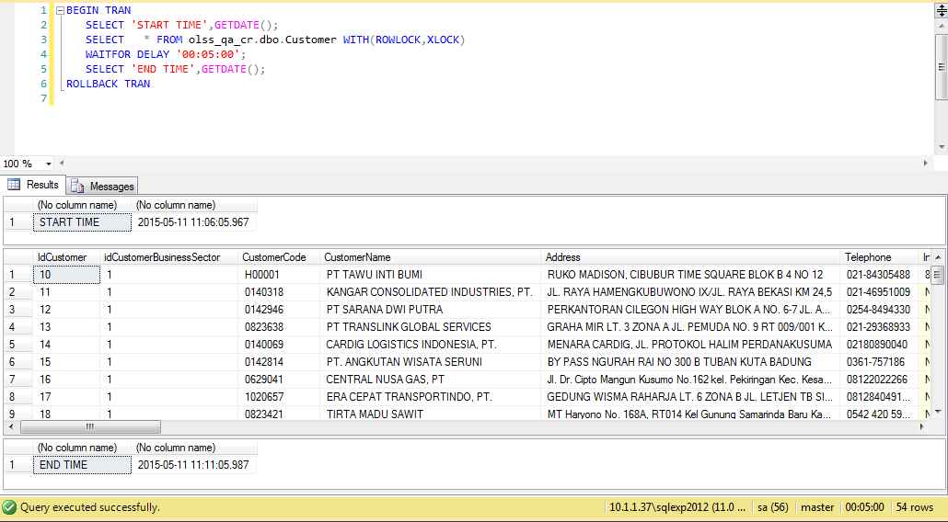
41097FF5-A20B-49E6-80F1-4642DB5A9E6B | 51 | Customer | Save Changes | 5/11/15 | Achmad Fardani
74FF7A7C-AC86-4118-B882-DA6926E8DF4F | 7 | Supplier | Deactivate | 5/6/15 | Achmad Fardani
B6AEE525-1B35-4242-A8C2-1C52F3EBA8DE | 5315 | Supplier | Set to Draft | 5/6/15 | Achmad Fardani

Process Lock Table Customer

3.1 UAT
Try to "Activate" data, then data has been changed
SELECT *
FROM [olss_prod].[dbo].[Customer]
WHERE CustomerCode='DP001';

Before
IdCustomer | idCustomerBusinessSector | CustomerCode | CustomerName | Address | Telephone | InternalRating | BusinessEconomySector | DateOfEstablishment | Capital | EmployeeNumber | BranchNumber | GoPublicCompany | MaxCreditLine | TCBalanceGroup | TCBalanceSingle | OverdueAmount | OverdueNumber | CustomerVehicleUnit | DSFVehicleUnit | PotentialVehicleUnit | IADVehicleUnit | CustomerForkliftUnit | DSFForkliftUnit | PotentialForkliftUnit | IADForkliftUnit | CustomerHEUnit | DSFHEUnit | PotentialHEUnit | IADHEUnit | LCVNonMaintenance | LCVMaintenance | LCVCSD | LCVFinanceLease | CVNonMaintenance | CVMaintenance | CVCSD | CVFinanceLease | PCNonMaintenance | PCMaintenance | PCCSD | PCFinanceLease | ForkliftNonMaintenance | ForkliftMaintenance | ForkliftCSD | ForkliftFinanceLease | HENonMaintenance | HEMaintenance | HECSD | HEFinanceLease | IsActive | IsDraft | IsSubmit | IsDeleted | Remarks | CreateDate | CreateBy | LastModified | LastModifiedBy
61 | 1 | DP001 | PT. Dipo Star | Sentral Senayan | 24234234234 | 3 | Agriculture | 2015-05-03 00:00:00 | 1,000,000,000 | 1000 | 31 | 1 | NULL | NULL | NULL | NULL | NULL | NULL | NULL | NULL | NULL | NULL | NULL | NULL | NULL | NULL | NULL | NULL | NULL | NULL | NULL | NULL | NULL | NULL | NULL | NULL | NULL | NULL | NULL | NULL | NULL | NULL | NULL | NULL | NULL | NULL | NULL | NULL | NULL | 0 | 0 | 1 | 0 | NULL | 2015-05-11 10:30:50 | Achmad Fardani | 2015-05-11 10:58:54 | Achmad Fardani

After
IdCustomer | idCustomerBusinessSector | CustomerCode | CustomerName | Address | Telephone | InternalRating | BusinessEconomySector | DateOfEstablishment | Capital | EmployeeNumber | BranchNumber | GoPublicCompany | MaxCreditLine | TCBalanceGroup | TCBalanceSingle | OverdueAmount | OverdueNumber | CustomerVehicleUnit | DSFVehicleUnit | PotentialVehicleUnit | IADVehicleUnit | CustomerForkliftUnit | DSFForkliftUnit | PotentialForkliftUnit | IADForkliftUnit | CustomerHEUnit | DSFHEUnit | PotentialHEUnit | IADHEUnit | LCVNonMaintenance | LCVMaintenance | LCVCSD | LCVFinanceLease | CVNonMaintenance | CVMaintenance | CVCSD | CVFinanceLease | PCNonMaintenance | PCMaintenance | PCCSD | PCFinanceLease | ForkliftNonMaintenance | ForkliftMaintenance | ForkliftCSD | ForkliftFinanceLease | HENonMaintenance | HEMaintenance | HECSD | HEFinanceLease | IsActive | IsDraft | IsSubmit | IsDeleted | Remarks | CreateDate | CreateBy | LastModified | LastModifiedBy
61 | 1 | DP001 | PT. Dipo Star | Sentral Senayan | 24234234234 | 3 | Agriculture | 2015-05-03 00:00:00 | 1,000,000,000 | 1000 | 31 | 1 | NULL | NULL | NULL | NULL | NULL | NULL | NULL | NULL | NULL | NULL | NULL | NULL | NULL | NULL | NULL | NULL | NULL | NULL | NULL | NULL | NULL | NULL | NULL | NULL | NULL | NULL | NULL | NULL | NULL | NULL | NULL | NULL | NULL | NULL | NULL | NULL | NULL | 1 | 0 | 0 | 0 | NULL | 2015-05-11 10:30:50 | Achmad Fardani | 2015-05-11 10:58:54 | Achmad Fardani

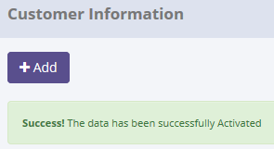
SELECT *
FROM [olss_prod].[dbo].[Master_History]
ORDER BY CreatedDate DESC;

ProcessID | OriginalID | EntityName | Action | CreatedDate | CreatedBy
4A71B664-37E5-410A-9ABE-EFF9CD5644AC | 61 | Customer | Activate | 5/11/15 | Achmad Fardani
2F0388F6-64AC-4313-9F81-B07E3A790BDA | 61 | Customer | Submit | 5/11/15 | Achmad Fardani
7814EC80-74ED-400E-BCA6-CB49D6B038AE | 61 | Customer | Save Changes | 5/11/15 | Achmad Fardani
41097FF5-A20B-49E6-80F1-4642DB5A9E6B | 51 | Customer | Save Changes | 5/11/15 | Achmad Fardani
74FF7A7C-AC86-4118-B882-DA6926E8DF4F | 7 | Supplier | Deactivate | 5/6/15 | Achmad Fardani

SELECT *
FROM [olss_prod].[dbo].[Master_History_Dtl]
WHERE ProcessID='4A71B664-37E5-410A-9ABE-EFF9CD5644AC';

ProcessID | OldValue
4A71B664-37E5-410A-9ABE-EFF9CD5644AC | <Customer xmlns="http://schemas.datacontract.org/2004/07/Dsf.Olss.Data.Entities" xmlns:i="http://www.w3.org/2001/XMLSchema-instance"><Address>Sentral Senayan</Address><BranchNumber>31</BranchNumber><BusinessEconomySector>Agriculture</BusinessEconomySector><CVCSD i:nil="true" /><CVFinanceLease i:nil="true" /><CVMaintenance i:nil="true" /><CVNonMaintenance i:nil="true" /><Capital>1000000000</Capital><CreateBy>Achmad Fardani</CreateBy><CreateDate>2015-05-11T10:30:50.367</CreateDate><CustomerCode>DP001</CustomerCode><CustomerDetailInfoes><CustomerDetailInfo><Bank>bnk sampoerna</Bank><CreateBy>Achmad Fardani</CreateBy><CreateDate>2015-05-11T10:30:50.367</CreateDate><Customer i:nil="true" /><FiscalYear>1000000.000</FiscalYear><IdCDetailInfo>106</IdCDetailInfo><IdCustomer>61</IdCustomer><LastModified>2015-05-11T10:58:54.793</LastModified><LastModifiedBy>Achmad Fardani</LastModifiedBy><MainCustomer>BSI PT</MainCustomer><MainVendor>berlian utama, PT</MainVendor><NetProfit>11111.000</NetProfit><NetProfitCurrency>38</NetProfitCurrency><Remarks i:nil="true" /><RepresentativeDirector>yoshino</RepresentativeDirector><SalesProfit>12121.000</SalesProfit><SalesProfitCurrency>38</SalesProfitCurrency><ShareHolder>mc corp</ShareHolder></CustomerDetailInfo><CustomerDetailInfo><Bank>bnk sampeorna 2</Bank><CreateBy>Achmad Fardani</CreateBy><CreateDate>2015-05-11T10:30:50.367</CreateDate><Customer i:nil="true" /><FiscalYear>200000.000</FiscalYear><IdCDetailInfo>107</IdCDetailInfo><IdCustomer>61</IdCustomer><LastModified>2015-05-11T10:58:54.793</LastModified><LastModifiedBy>Achmad Fardani</LastModifiedBy><MainCustomer i:nil="true" /><MainVendor i:nil="true" /><NetProfit>111111.000</NetProfit><NetProfitCurrency>38</NetProfitCurrency><Remarks i:nil="true" /><RepresentativeDirector i:nil="true" /><SalesProfit>111111.000</SalesProfit><SalesProfitCurrency>38</SalesProfitCurrency><ShareHolder i:nil="true" /></CustomerDetailInfo><CustomerDetailInfo><Bank>sampoerna 3</Bank><CreateBy>Achmad Fardani<

3.2 UAT
Try to "Activate" data, but data hasn't been changed
SELECT *
FROM [olss_prod].[dbo].[Customer]
WHERE CustomerCode='CC001';

Before
IdCustomer | idCustomerBusinessSector | CustomerCode | CustomerName | Address | Telephone | InternalRating | BusinessEconomySector | DateOfEstablishment | Capital | EmployeeNumber | BranchNumber | GoPublicCompany | MaxCreditLine | TCBalanceGroup | TCBalanceSingle | OverdueAmount | OverdueNumber | CustomerVehicleUnit | DSFVehicleUnit | PotentialVehicleUnit | IADVehicleUnit | CustomerForkliftUnit | DSFForkliftUnit | PotentialForkliftUnit | IADForkliftUnit | CustomerHEUnit | DSFHEUnit | PotentialHEUnit | IADHEUnit | LCVNonMaintenance | LCVMaintenance | LCVCSD | LCVFinanceLease | CVNonMaintenance | CVMaintenance | CVCSD | CVFinanceLease | PCNonMaintenance | PCMaintenance | PCCSD | PCFinanceLease | ForkliftNonMaintenance | ForkliftMaintenance | ForkliftCSD | ForkliftFinanceLease | HENonMaintenance | HEMaintenance | HECSD | HEFinanceLease | IsActive | IsDraft | IsSubmit | IsDeleted | Remarks | CreateDate | CreateBy | LastModified | LastModifiedBy
53 | 2 | CC001 | Zein | Jakarta | 858237268 | 10 | Forestry | 2014-12-10 00:00:00 | 1900800700 | 1900-02-19 00:00:00 | NULL | 1 | NULL | NULL | NULL | NULL | NULL | NULL | NULL | NULL | NULL | NULL | NULL | NULL | NULL | NULL | NULL | NULL | NULL | NULL | NULL | NULL | NULL | NULL | NULL | NULL | NULL | NULL | NULL | NULL | NULL | NULL | NULL | NULL | NULL | NULL | NULL | NULL | NULL | 1 | 0 | 1 | 0 | NULL | 2014-12-23 10:49:11 | Deny Prasetya | 2015-05-08 14:49:28 | Achmad Fardani

After
IdCustomer | idCustomerBusinessSector | CustomerCode | CustomerName | Address | Telephone | InternalRating | BusinessEconomySector | DateOfEstablishment | Capital | EmployeeNumber | BranchNumber | GoPublicCompany | MaxCreditLine | TCBalanceGroup | TCBalanceSingle | OverdueAmount | OverdueNumber | CustomerVehicleUnit | DSFVehicleUnit | PotentialVehicleUnit | IADVehicleUnit | CustomerForkliftUnit | DSFForkliftUnit | PotentialForkliftUnit | IADForkliftUnit | CustomerHEUnit | DSFHEUnit | PotentialHEUnit | IADHEUnit | LCVNonMaintenance | LCVMaintenance | LCVCSD | LCVFinanceLease | CVNonMaintenance | CVMaintenance | CVCSD | CVFinanceLease | PCNonMaintenance | PCMaintenance | PCCSD | PCFinanceLease | ForkliftNonMaintenance | ForkliftMaintenance | ForkliftCSD | ForkliftFinanceLease | HENonMaintenance | HEMaintenance | HECSD | HEFinanceLease | IsActive | IsDraft | IsSubmit | IsDeleted | Remarks | CreateDate | CreateBy | LastModified | LastModifiedBy
53 | 2 | CC001 | Zein | Jakarta | 858237268 | 10 | Forestry | 2014-12-10 00:00:00 | 1,900,800,700 | 50 | NULL | 1 | NULL | NULL | NULL | NULL | NULL | NULL | NULL | NULL | NULL | NULL | NULL | NULL | NULL | NULL | NULL | NULL | NULL | NULL | NULL | NULL | NULL | NULL | NULL | NULL | NULL | NULL | NULL | NULL | NULL | NULL | NULL | NULL | NULL | NULL | NULL | NULL | NULL | 1 | 0 | 1 | 0 | NULL | 2014-12-23 10:49:11 | Deny Prasetya | 2015-05-08 14:49:28 | Achmad Fardani

There are no new record on table Master_History
SELECT *
FROM [olss_prod].[dbo].[Master_History]
ORDER BY CreatedDate DESC;

ProcessID | OriginalID | EntityName | Action | CreatedDate | CreatedBy
33028622-06A3-4EF6-9C10-8D77735C8B09 | 10 | Customer | Activate | 5/11/15 | Achmad Fardani
4A71B664-37E5-410A-9ABE-EFF9CD5644AC | 61 | Customer | Activate | 5/11/15 | Achmad Fardani
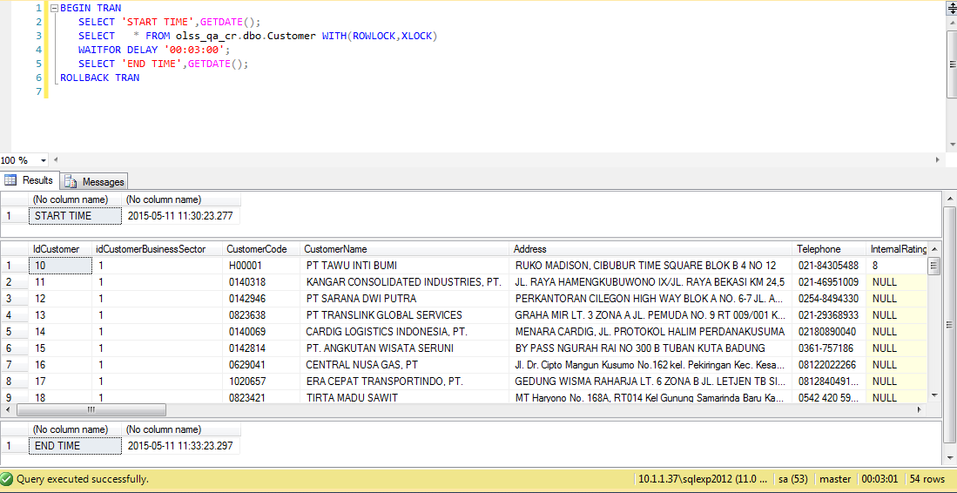
2F0388F6-64AC-4313-9F81-B07E3A790BDA | 61 | Customer | Submit | 5/11/15 | Achmad Fardani
7814EC80-74ED-400E-BCA6-CB49D6B038AE | 61 | Customer | Save Changes | 5/11/15 | Achmad Fardani
41097FF5-A20B-49E6-80F1-4642DB5A9E6B | 51 | Customer | Save Changes | 5/11/15 | Achmad Fardani
This record is activate log of "Tawu Inti Bumi"
Process Lock Table Customer

Retry to "Activate" Zein data with positive test

4.1 UAT
Try to "Set to Draft" data, then data has been changed
SELECT *
FROM [olss_prod].[dbo].[Customer]
WHERE CustomerCode='DP001';

Before
IdCustomer | idCustomerBusinessSector | CustomerCode | CustomerName | Address | Telephone | InternalRating | BusinessEconomySector | DateOfEstablishment | Capital | EmployeeNumber | BranchNumber | GoPublicCompany | MaxCreditLine | TCBalanceGroup | TCBalanceSingle | OverdueAmount | OverdueNumber | CustomerVehicleUnit | DSFVehicleUnit | PotentialVehicleUnit | IADVehicleUnit | CustomerForkliftUnit | DSFForkliftUnit | PotentialForkliftUnit | IADForkliftUnit | CustomerHEUnit | DSFHEUnit | PotentialHEUnit | IADHEUnit | LCVNonMaintenance | LCVMaintenance | LCVCSD | LCVFinanceLease | CVNonMaintenance | CVMaintenance | CVCSD | CVFinanceLease | PCNonMaintenance | PCMaintenance | PCCSD | PCFinanceLease | ForkliftNonMaintenance | ForkliftMaintenance | ForkliftCSD | ForkliftFinanceLease | HENonMaintenance | HEMaintenance | HECSD | HEFinanceLease | IsActive | IsDraft | IsSubmit | IsDeleted | Remarks | CreateDate | CreateBy | LastModified | LastModifiedBy
61 | 1 | DP001 | PT. Dipo Star | Sentral Senayan | 24234234234 | 3 | Agriculture | 2015-05-03 00:00:00 | 1,000,000,000 | 1000 | 31 | 1 | NULL | NULL | NULL | NULL | NULL | NULL | NULL | NULL | NULL | NULL | NULL | NULL | NULL | NULL | NULL | NULL | NULL | NULL | NULL | NULL | NULL | NULL | NULL | NULL | NULL | NULL | NULL | NULL | NULL | NULL | NULL | NULL | NULL | NULL | NULL | NULL | NULL | 1 | 0 | 0 | 0 | NULL | 2015-05-11 10:30:50 | Achmad Fardani | 2015-05-11 10:58:54 | Achmad Fardani

After
IdCustomer | idCustomerBusinessSector | CustomerCode | CustomerName | Address | Telephone | InternalRating | BusinessEconomySector | DateOfEstablishment | Capital | EmployeeNumber | BranchNumber | GoPublicCompany | MaxCreditLine | TCBalanceGroup | TCBalanceSingle | OverdueAmount | OverdueNumber | CustomerVehicleUnit | DSFVehicleUnit | PotentialVehicleUnit | IADVehicleUnit | CustomerForkliftUnit | DSFForkliftUnit | PotentialForkliftUnit | IADForkliftUnit | CustomerHEUnit | DSFHEUnit | PotentialHEUnit | IADHEUnit | LCVNonMaintenance | LCVMaintenance | LCVCSD | LCVFinanceLease | CVNonMaintenance | CVMaintenance | CVCSD | CVFinanceLease | PCNonMaintenance | PCMaintenance | PCCSD | PCFinanceLease | ForkliftNonMaintenance | ForkliftMaintenance | ForkliftCSD | ForkliftFinanceLease | HENonMaintenance | HEMaintenance | HECSD | HEFinanceLease | IsActive | IsDraft | IsSubmit | IsDeleted | Remarks | CreateDate | CreateBy | LastModified | LastModifiedBy
61 | 1 | DP001 | PT. Dipo Star | Sentral Senayan | 24234234234 | 3 | Agriculture | 2015-05-03 00:00:00 | 1,000,000,000 | 1000 | 31 | 1 | NULL | NULL | NULL | NULL | NULL | NULL | NULL | NULL | NULL | NULL | NULL | NULL | NULL | NULL | NULL | NULL | NULL | NULL | NULL | NULL | NULL | NULL | NULL | NULL | NULL | NULL | NULL | NULL | NULL | NULL | NULL | NULL | NULL | NULL | NULL | NULL | NULL | 1 | 1 | 0 | 0 | NULL | 2015-05-11 10:30:50 | Achmad Fardani | 2015-05-11 10:58:54 | Achmad Fardani

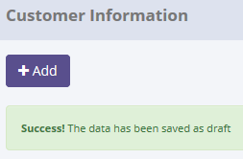
SELECT *
FROM [olss_prod].[dbo].[Master_History]
ORDER BY CreatedDate DESC;

ProcessID | OriginalID | EntityName | Action | CreatedDate | CreatedBy
09030F47-0103-4275-84E7-E21FE1B2E2C2 | 61 | Customer | Set to Draft | 5/11/15 | Achmad Fardani
3BC3C02A-55BC-4CB5-8481-BA3076D24370 | 53 | Customer | Activate | 5/11/15 | Achmad Fardani
33028622-06A3-4EF6-9C10-8D77735C8B09 | 10 | Customer | Activate | 5/11/15 | Achmad Fardani
4A71B664-37E5-410A-9ABE-EFF9CD5644AC | 61 | Customer | Activate | 5/11/15 | Achmad Fardani
2F0388F6-64AC-4313-9F81-B07E3A790BDA | 61 | Customer | Submit | 5/11/15 | Achmad Fardani

SELECT *
FROM [olss_prod].[dbo].[Master_History_Dtl]
WHERE ProcessID='09030F47-0103-4275-84E7-E21FE1B2E2C2';

ProcessID | OldValue
09030F47-0103-4275-84E7-E21FE1B2E2C2 | <Customer xmlns="http://schemas.datacontract.org/2004/07/Dsf.Olss.Data.Entities" xmlns:i="http://www.w3.org/2001/XMLSchema-instance"><Address>Sentral Senayan</Address><BranchNumber>31</BranchNumber><BusinessEconomySector>Agriculture</BusinessEconomySector><CVCSD i:nil="true" /><CVFinanceLease i:nil="true" /><CVMaintenance i:nil="true" /><CVNonMaintenance i:nil="true" /><Capital>1000000000</Capital><CreateBy>Achmad Fardani</CreateBy><CreateDate>2015-05-11T10:30:50.367</CreateDate><CustomerCode>DP001</CustomerCode><CustomerDetailInfoes><CustomerDetailInfo><Bank>bnk sampoerna</Bank><CreateBy>Achmad Fardani</CreateBy><CreateDate>2015-05-11T10:30:50.367</CreateDate><Customer i:nil="true" /><FiscalYear>1000000.000</FiscalYear><IdCDetailInfo>106</IdCDetailInfo><IdCustomer>61</IdCustomer><LastModified>2015-05-11T10:58:54.793</LastModified><LastModifiedBy>Achmad Fardani</LastModifiedBy><MainCustomer>BSI PT</MainCustomer><MainVendor>berlian utama, PT</MainVendor><NetProfit>11111.000</NetProfit><NetProfitCurrency>38</NetProfitCurrency><Remarks i:nil="true" /><RepresentativeDirector>yoshino</RepresentativeDirector><SalesProfit>12121.000</SalesProfit><SalesProfitCurrency>38</SalesProfitCurrency><ShareHolder>mc corp</ShareHolder></CustomerDetailInfo><CustomerDetailInfo><Bank>bnk sampeorna 2</Bank><CreateBy>Achmad Fardani</CreateBy><CreateDate>2015-05-11T10:30:50.367</CreateDate><Customer i:nil="true" /><FiscalYear>200000.000</FiscalYear><IdCDetailInfo>107</IdCDetailInfo><IdCustomer>61</IdCustomer><LastModified>2015-05-11T10:58:54.793</LastModified><LastModifiedBy>Achmad Fardani</LastModifiedBy><MainCustomer i:nil="true" /><MainVendor i:nil="true" /><NetProfit>111111.000</NetProfit><NetProfitCurrency>38</NetProfitCurrency><Remarks i:nil="true" /><RepresentativeDirector i:nil="true" /><SalesProfit>111111.000</SalesProfit><SalesProfitCurrency>38</SalesProfitCurrency><ShareHolder i:nil="true" /></CustomerDetailInfo><CustomerDetailInfo><Bank>sampoerna 3</Bank><CreateBy>Achmad Fardani<

4.2 UAT
Try to "Set to Draft" data, but data hasn't been changed
SELECT *
FROM [olss_prod].[dbo].[Customer]
WHERE CustomerCode='H00001';

Before
IdCustomer | idCustomerBusinessSector | CustomerCode | CustomerName | Address | Telephone | InternalRating | BusinessEconomySector | DateOfEstablishment | Capital | EmployeeNumber | BranchNumber | GoPublicCompany | MaxCreditLine | TCBalanceGroup | TCBalanceSingle | OverdueAmount | OverdueNumber | CustomerVehicleUnit | DSFVehicleUnit | PotentialVehicleUnit | IADVehicleUnit | CustomerForkliftUnit | DSFForkliftUnit | PotentialForkliftUnit | IADForkliftUnit | CustomerHEUnit | DSFHEUnit | PotentialHEUnit | IADHEUnit | LCVNonMaintenance | LCVMaintenance | LCVCSD | LCVFinanceLease | CVNonMaintenance | CVMaintenance | CVCSD | CVFinanceLease | PCNonMaintenance | PCMaintenance | PCCSD | PCFinanceLease | ForkliftNonMaintenance | ForkliftMaintenance | ForkliftCSD | ForkliftFinanceLease | HENonMaintenance | HEMaintenance | HECSD | HEFinanceLease | IsActive | IsDraft | IsSubmit | IsDeleted | Remarks | CreateDate | CreateBy | LastModified | LastModifiedBy
10 | 1 | H00001 | PT TAWU INTI BUMI | RUKO MADISON, CIBUBUR TIME SQUARE BLOK B 4 NO 12 | 021-84305488 | 8 | Agriculture | NULL | Jakarta | 1900-02-09 00:00:00 | 1 | 0 | 15880360667 | NULL | NULL | NULL | NULL | NULL | 15 | 30 | NULL | NULL | NULL | NULL | NULL | NULL | NULL | NULL | NULL | NULL | NULL | NULL | NULL | NULL | NULL | 12 | NULL | NULL | NULL | 5 | NULL | NULL | NULL | NULL | NULL | NULL | NULL | NULL | NULL | 1 | 0 | 0 | 0 | NULL | 2014-10-13 08:22:37 | hansen hernando | 2015-04-24 14:08:26 | Abdul Somad

After
IdCustomer | idCustomerBusinessSector | CustomerCode | CustomerName | Address | Telephone | InternalRating | BusinessEconomySector | DateOfEstablishment | Capital | EmployeeNumber | BranchNumber | GoPublicCompany | MaxCreditLine | TCBalanceGroup | TCBalanceSingle | OverdueAmount | OverdueNumber | CustomerVehicleUnit | DSFVehicleUnit | PotentialVehicleUnit | IADVehicleUnit | CustomerForkliftUnit | DSFForkliftUnit | PotentialForkliftUnit | IADForkliftUnit | CustomerHEUnit | DSFHEUnit | PotentialHEUnit | IADHEUnit | LCVNonMaintenance | LCVMaintenance | LCVCSD | LCVFinanceLease | CVNonMaintenance | CVMaintenance | CVCSD | CVFinanceLease | PCNonMaintenance | PCMaintenance | PCCSD | PCFinanceLease | ForkliftNonMaintenance | ForkliftMaintenance | ForkliftCSD | ForkliftFinanceLease | HENonMaintenance | HEMaintenance | HECSD | HEFinanceLease | IsActive | IsDraft | IsSubmit | IsDeleted | Remarks | CreateDate | CreateBy | LastModified | LastModifiedBy
10 | 1 | H00001 | PT TAWU INTI BUMI | RUKO MADISON, CIBUBUR TIME SQUARE BLOK B 4 NO 12 | 021-84305488 | 8 | Agriculture | NULL | Jakarta | 40 | 1 | 0 | 15880360667 | NULL | NULL | NULL | NULL | NULL | 15 | 30 | NULL | NULL | NULL | NULL | NULL | NULL | NULL | NULL | NULL | NULL | NULL | NULL | NULL | NULL | NULL | 12 | NULL | NULL | NULL | 5 | NULL | NULL | NULL | NULL | NULL | NULL | NULL | NULL | NULL | 1 | 0 | 0 | 0 | NULL | 2014-10-13 08:22:37 | hansen hernando | 2015-04-24 14:08:26 | Abdul Somad

There are no new record on table Master_History
SELECT *
FROM [olss_prod].[dbo].[Master_History]
ORDER BY CreatedDate DESC;

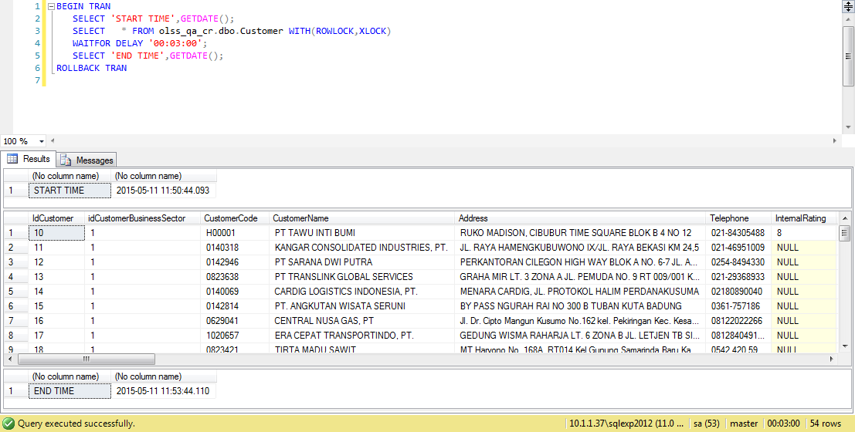
ProcessID | OriginalID | EntityName | Action | CreatedDate | CreatedBy
09030F47-0103-4275-84E7-E21FE1B2E2C2 | 61 | Customer | Set to Draft | 5/11/15 | Achmad Fardani
3BC3C02A-55BC-4CB5-8481-BA3076D24370 | 53 | Customer | Activate | 5/11/15 | Achmad Fardani
33028622-06A3-4EF6-9C10-8D77735C8B09 | 10 | Customer | Activate | 5/11/15 | Achmad Fardani
4A71B664-37E5-410A-9ABE-EFF9CD5644AC | 61 | Customer | Activate | 5/11/15 | Achmad Fardani
2F0388F6-64AC-4313-9F81-B07E3A790BDA | 61 | Customer | Submit | 5/11/15 | Achmad Fardani

Process Lock Table Customer

Retry to "Set to Draft" TAWU INTI BUMI data with positive test

5.1 UAT
Try to "Deactivate" data, then data has been changed
SELECT *
FROM [olss_prod].[dbo].[Customer]
WHERE CustomerCode='CC001';

Before
IdCustomer | idCustomerBusinessSector | CustomerCode | CustomerName | Address | Telephone | InternalRating | BusinessEconomySector | DateOfEstablishment | Capital | EmployeeNumber | BranchNumber | GoPublicCompany | MaxCreditLine | TCBalanceGroup | TCBalanceSingle | OverdueAmount | OverdueNumber | CustomerVehicleUnit | DSFVehicleUnit | PotentialVehicleUnit | IADVehicleUnit | CustomerForkliftUnit | DSFForkliftUnit | PotentialForkliftUnit | IADForkliftUnit | CustomerHEUnit | DSFHEUnit | PotentialHEUnit | IADHEUnit | LCVNonMaintenance | LCVMaintenance | LCVCSD | LCVFinanceLease | CVNonMaintenance | CVMaintenance | CVCSD | CVFinanceLease | PCNonMaintenance | PCMaintenance | PCCSD | PCFinanceLease | ForkliftNonMaintenance | ForkliftMaintenance | ForkliftCSD | ForkliftFinanceLease | HENonMaintenance | HEMaintenance | HECSD | HEFinanceLease | IsActive | IsDraft | IsSubmit | IsDeleted | Remarks | CreateDate | CreateBy | LastModified | LastModifiedBy
53 | 2 | CC001 | Zein | Jakarta | 858237268 | 10 | Forestry | 2014-12-10 00:00:00 | 1,900,800,700 | 50 | NULL | 1 | NULL | NULL | NULL | NULL | NULL | NULL | NULL | NULL | NULL | NULL | NULL | NULL | NULL | NULL | NULL | NULL | NULL | NULL | NULL | NULL | NULL | NULL | NULL | NULL | NULL | NULL | NULL | NULL | NULL | NULL | NULL | NULL | NULL | NULL | NULL | NULL | NULL | 1 | 0 | 0 | 0 | NULL | 2014-12-23 10:49:11 | Deny Prasetya | 2015-05-08 14:49:28 | Achmad Fardani

After
IdCustomer | idCustomerBusinessSector | CustomerCode | CustomerName | Address | Telephone | InternalRating | BusinessEconomySector | DateOfEstablishment | Capital | EmployeeNumber | BranchNumber | GoPublicCompany | MaxCreditLine | TCBalanceGroup | TCBalanceSingle | OverdueAmount | OverdueNumber | CustomerVehicleUnit | DSFVehicleUnit | PotentialVehicleUnit | IADVehicleUnit | CustomerForkliftUnit | DSFForkliftUnit | PotentialForkliftUnit | IADForkliftUnit | CustomerHEUnit | DSFHEUnit | PotentialHEUnit | IADHEUnit | LCVNonMaintenance | LCVMaintenance | LCVCSD | LCVFinanceLease | CVNonMaintenance | CVMaintenance | CVCSD | CVFinanceLease | PCNonMaintenance | PCMaintenance | PCCSD | PCFinanceLease | ForkliftNonMaintenance | ForkliftMaintenance | ForkliftCSD | ForkliftFinanceLease | HENonMaintenance | HEMaintenance | HECSD | HEFinanceLease | IsActive | IsDraft | IsSubmit | IsDeleted | Remarks | CreateDate | CreateBy | LastModified | LastModifiedBy
53 | 2 | CC001 | Zein | Jakarta | 858237268 | 10 | Forestry | 2014-12-10 00:00:00 | 1,900,800,700 | 50 | NULL | 1 | NULL | NULL | NULL | NULL | NULL | NULL | NULL | NULL | NULL | NULL | NULL | NULL | NULL | NULL | NULL | NULL | NULL | NULL | NULL | NULL | NULL | NULL | NULL | NULL | NULL | NULL | NULL | NULL | NULL | NULL | NULL | NULL | NULL | NULL | NULL | NULL | NULL | 0 | 0 | 0 | 0 | NULL | 2014-12-23 10:49:11 | Deny Prasetya | 2015-05-08 14:49:28 | Achmad Fardani

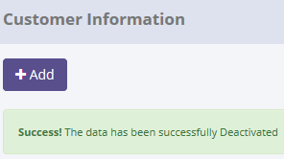
SELECT *
FROM [olss_prod].[dbo].[Master_History]
ORDER BY CreatedDate DESC;

ProcessID | OriginalID | EntityName | Action | CreatedDate | CreatedBy
5FD2103B-E253-4361-BA01-C5CFBE8905FC | 53 | Customer | Deactivate | 5/11/15 | Achmad Fardani
6F4B8B00-4E97-47AB-B3AA-AB2B50021F5E | 10 | Customer | Set to Draft | 5/11/15 | Achmad Fardani
09030F47-0103-4275-84E7-E21FE1B2E2C2 | 61 | Customer | Set to Draft | 5/11/15 | Achmad Fardani
3BC3C02A-55BC-4CB5-8481-BA3076D24370 | 53 | Customer | Activate | 5/11/15 | Achmad Fardani
33028622-06A3-4EF6-9C10-8D77735C8B09 | 10 | Customer | Activate | 5/11/15 | Achmad Fardani

SELECT *
FROM [olss_prod].[dbo].[Master_History_Dtl]
WHERE ProcessID='5FD2103B-E253-4361-BA01-C5CFBE8905FC';

ProcessID | OldValue
5FD2103B-E253-4361-BA01-C5CFBE8905FC | <Customer xmlns="http://schemas.datacontract.org/2004/07/Dsf.Olss.Data.Entities" xmlns:i="http://www.w3.org/2001/XMLSchema-instance"><Address>Jakarta</Address><BranchNumber i:nil="true" /><BusinessEconomySector>Forestry</BusinessEconomySector><CVCSD i:nil="true" /><CVFinanceLease i:nil="true" /><CVMaintenance i:nil="true" /><CVNonMaintenance i:nil="true" /><Capital>1900800700</Capital><CreateBy>Deny Prasetya</CreateBy><CreateDate>2014-12-23T10:49:11.77</CreateDate><CustomerCode>CC001</CustomerCode><CustomerDetailInfoes /><CustomerForkliftUnit i:nil="true" /><CustomerHEUnit i:nil="true" /><CustomerName>Zein</CustomerName><CustomerVehicleUnit i:nil="true" /><DSFForkliftUnit i:nil="true" /><DSFHEUnit i:nil="true" /><DSFVehicleUnit i:nil="true" /><DateOfEstablishment>2014-12-10T00:00:00</DateOfEstablishment><EmployeeNumber>50</EmployeeNumber><ForkliftCSD i:nil="true" /><ForkliftFinanceLease i:nil="true" /><ForkliftMaintenance i:nil="true" /><ForkliftNonMaintenance i:nil="true" /><GoPublicCompany>true</GoPublicCompany><HECSD i:nil="true" /><HEFinanceLease i:nil="true" /><HEMaintenance i:nil="true" /><HENonMaintenance i:nil="true" /><IADForkliftUnit i:nil="true" /><IADHEUnit i:nil="true" /><IADVehicleUnit i:nil="true" /><IdCustomer>53</IdCustomer><InternalRating>10</InternalRating><IsActive>true</IsActive><IsDeleted>false</IsDeleted><IsDraft>false</IsDraft><IsSubmit>false</IsSubmit><LCVCSD i:nil="true" /><LCVFinanceLease i:nil="true" /><LCVMaintenance i:nil="true" /><LCVNonMaintenance i:nil="true" /><LastModified>2015-05-08T14:49:28.74</LastModified><LastModifiedBy>Achmad Fardani</LastModifiedBy><MaxCreditLine i:nil="true" /><OverdueAmount i:nil="true" /><OverdueNumber i:nil="true" /><PCCSD i:nil="true" /><PCFinanceLease i:nil="true" /><PCMaintenance i:nil="true" /><PCNonMaintenance i:nil="true" /><PotentialForkliftUnit i:nil="true" /><PotentialHEUnit i:nil="true" /><PotentialVehicleUnit i:nil="true" /><Remarks i:nil="true" /><TCBalanceGroup i:nil="true" /><TCBalanceSingl

5.2 UAT
Try to "Set to Draft" data, but data hasn't been changed
SELECT *
FROM [olss_prod].[dbo].[Customer]
WHERE CustomerCode='151501';

Before
IdCustomer | idCustomerBusinessSector | CustomerCode | CustomerName | Address | Telephone | InternalRating | BusinessEconomySector | DateOfEstablishment | Capital | EmployeeNumber | BranchNumber | GoPublicCompany | MaxCreditLine | TCBalanceGroup | TCBalanceSingle | OverdueAmount | OverdueNumber | CustomerVehicleUnit | DSFVehicleUnit | PotentialVehicleUnit | IADVehicleUnit | CustomerForkliftUnit | DSFForkliftUnit | PotentialForkliftUnit | IADForkliftUnit | CustomerHEUnit | DSFHEUnit | PotentialHEUnit | IADHEUnit | LCVNonMaintenance | LCVMaintenance | LCVCSD | LCVFinanceLease | CVNonMaintenance | CVMaintenance | CVCSD | CVFinanceLease | PCNonMaintenance | PCMaintenance | PCCSD | PCFinanceLease | ForkliftNonMaintenance | ForkliftMaintenance | ForkliftCSD | ForkliftFinanceLease | HENonMaintenance | HEMaintenance | HECSD | HEFinanceLease | IsActive | IsDraft | IsSubmit | IsDeleted | Remarks | CreateDate | CreateBy | LastModified | LastModifiedBy
59 | 7 | 151501 | PT. POZZOLAN JAYA | JL. SIRKUIT SENTUL RT 03 RW 02 SENTUL, KEC. BABAKAN MADANG, SENTUL, BOGOR | 021-87953414 | NULL | Transportation & Logistic | 2013-04-25 00:00:00 | 50000000 | 1900-02-19 00:00:00 | NULL | 0 | NULL | NULL | NULL | NULL | NULL | NULL | NULL | NULL | NULL | NULL | NULL | NULL | NULL | NULL | NULL | NULL | NULL | NULL | NULL | NULL | NULL | NULL | NULL | NULL | NULL | NULL | NULL | NULL | NULL | NULL | NULL | NULL | NULL | NULL | NULL | NULL | NULL | 1 | 0 | 0 | 0 | NULL | 2015-03-03 14:58:31 | Deny Prasetya | 2015-03-03 14:58:51 | Deny Prasetya

After
IdCustomer | idCustomerBusinessSector | CustomerCode | CustomerName | Address | Telephone | InternalRating | BusinessEconomySector | DateOfEstablishment | Capital | EmployeeNumber | BranchNumber | GoPublicCompany | MaxCreditLine | TCBalanceGroup | TCBalanceSingle | OverdueAmount | OverdueNumber | CustomerVehicleUnit | DSFVehicleUnit | PotentialVehicleUnit | IADVehicleUnit | CustomerForkliftUnit | DSFForkliftUnit | PotentialForkliftUnit | IADForkliftUnit | CustomerHEUnit | DSFHEUnit | PotentialHEUnit | IADHEUnit | LCVNonMaintenance | LCVMaintenance | LCVCSD | LCVFinanceLease | CVNonMaintenance | CVMaintenance | CVCSD | CVFinanceLease | PCNonMaintenance | PCMaintenance | PCCSD | PCFinanceLease | ForkliftNonMaintenance | ForkliftMaintenance | ForkliftCSD | ForkliftFinanceLease | HENonMaintenance | HEMaintenance | HECSD | HEFinanceLease | IsActive | IsDraft | IsSubmit | IsDeleted | Remarks | CreateDate | CreateBy | LastModified | LastModifiedBy
59 | 7 | 151501 | PT. POZZOLAN JAYA | JL. SIRKUIT SENTUL RT 03 RW 02 SENTUL, KEC. BABAKAN MADANG, SENTUL, BOGOR | 021-87953414 | NULL | Transportation & Logistic | 2013-04-25 00:00:00 | 50,000,000 | 50 | NULL | 0 | NULL | NULL | NULL | NULL | NULL | NULL | NULL | NULL | NULL | NULL | NULL | NULL | NULL | NULL | NULL | NULL | NULL | NULL | NULL | NULL | NULL | NULL | NULL | NULL | NULL | NULL | NULL | NULL | NULL | NULL | NULL | NULL | NULL | NULL | NULL | NULL | NULL | 1 | 0 | 0 | 0 | NULL | 2015-03-03 14:58:31 | Deny Prasetya | 2015-03-03 14:58:51 | Deny Prasetya

There are no new record on table Master_History
SELECT *
FROM [olss_prod].[dbo].[Master_History]
ORDER BY CreatedDate DESC;


ProcessID | OriginalID | EntityName | Action | CreatedDate | CreatedBy
5FD2103B-E253-4361-BA01-C5CFBE8905FC | 53 | Customer | Deactivate | 5/11/15 | Achmad Fardani
6F4B8B00-4E97-47AB-B3AA-AB2B50021F5E | 10 | Customer | Set to Draft | 5/11/15 | Achmad Fardani
09030F47-0103-4275-84E7-E21FE1B2E2C2 | 61 | Customer | Set to Draft | 5/11/15 | Achmad Fardani
3BC3C02A-55BC-4CB5-8481-BA3076D24370 | 53 | Customer | Activate | 5/11/15 | Achmad Fardani
33028622-06A3-4EF6-9C10-8D77735C8B09 | 10 | Customer | Activate | 5/11/15 | Achmad Fardani

Process Lock Table Customer

Retry to "Deactivate" PT POZZOLAN JAYA data with positive test

6.1 UAT
Try to change value SupplierGroupCode, then data has been changed
SELECT *
FROM [olss_prod].[dbo].[Supplier]
WHERE CustomerCode=' 00123';

Before
IdSupplier | idCustomerBusinessSector | IdSupplierCategory | SupplierCategory | SupplierGroupCode | MainSupplierCode | SupplierCode | SupplierName | Address | Telephone | BusinessEconomySector | EstablishmentDate | Capital | NumberOfEmployee | NumberOfBranch | GoPublicCompany | IsActive | IsDraft | IsSubmit | IsDeleted | Remarks | CreateDate | CreateBy | LastModified | LastModifiedBy
5315 | 1 | 1 | Dealer | ADIRA | 1 | 00123 | EKA JAYA MOBIL | JL. KERTAJAYA NO. 183 | 21,998,877 | Agriculture | NULL | 10000000000 | NULL | NULL | 1 | 1 | 1 | 0 | 0 | NULL | 2015-02-13 16:44:54 | Deny Prasetya | 2015-05-05 15:43:30 | Achmad Fardani

After
IdSupplier | idCustomerBusinessSector | IdSupplierCategory | SupplierCategory | SupplierGroupCode | MainSupplierCode | SupplierCode | SupplierName | Address | Telephone | BusinessEconomySector | EstablishmentDate | Capital | NumberOfEmployee | NumberOfBranch | GoPublicCompany | IsActive | IsDraft | IsSubmit | IsDeleted | Remarks | CreateDate | CreateBy | LastModified | LastModifiedBy
5315 | 1 | 1 | Dealer | ASCO | 1 | 00123 | EKA JAYA MOBIL | JL. KERTAJAYA NO. 183 | 21,998,877 | Agriculture | NULL | 10000000000 | NULL | NULL | 1 | 1 | 1 | 0 | 0 | NULL | 2015-02-13 16:44:54 | Deny Prasetya | 2015-05-11 13:26:58 | Achmad Fardani

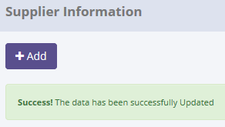
SELECT *
FROM [olss_prod].[dbo].[Master_History]
ORDER BY CreatedDate DESC;

ProcessID | OriginalID | EntityName | Action | CreatedDate | CreatedBy
9A300F2E-D2D6-4ADF-8993-D74C21D5756A | 5315 | Supplier | Save Changes | 5/11/15 | Achmad Fardani
2C1B3C2E-94CD-4541-9562-728B61643D4D | 59 | Customer | Deactivate | 5/11/15 | Achmad Fardani
5FD2103B-E253-4361-BA01-C5CFBE8905FC | 53 | Customer | Deactivate | 5/11/15 | Achmad Fardani
6F4B8B00-4E97-47AB-B3AA-AB2B50021F5E | 10 | Customer | Set to Draft | 5/11/15 | Achmad Fardani
09030F47-0103-4275-84E7-E21FE1B2E2C2 | 61 | Customer | Set to Draft | 5/11/15 | Achmad Fardani

SELECT *
FROM [olss_prod].[dbo].[Master_History_Dtl]
WHERE ProcessID='9A300F2E-D2D6-4ADF-8993-D74C21D5756A';

ProcessID | OldValue
9A300F2E-D2D6-4ADF-8993-D74C21D5756A | <Supplier xmlns="http://schemas.datacontract.org/2004/07/Dsf.Olss.Data.Entities" xmlns:i="http://www.w3.org/2001/XMLSchema-instance"><Address>JL. KERTAJAYA NO. 183</Address><BusinessEconomySector>Agriculture</BusinessEconomySector><Capital>10000000000</Capital><CreateBy>Deny Prasetya</CreateBy><CreateDate>2015-02-13T16:44:54.517</CreateDate><EstablishmentDate i:nil="true" /><GoPublicCompany>1</GoPublicCompany><IdSupplier>5315</IdSupplier><IdSupplierCategory>1</IdSupplierCategory><IsActive>true</IsActive><IsDeleted>false</IsDeleted><IsDraft>true</IsDraft><IsSubmit>false</IsSubmit><LastModified>2015-05-05T15:43:30.673</LastModified><LastModifiedBy>Achmad Fardani </LastModifiedBy><MainSupplierCode> 0001</MainSupplierCode><NumberOfBranch i:nil="true" /><NumberOfEmployee i:nil="true" /><Remarks i:nil="true" /><SupplierCategory>Dealer</SupplierCategory><SupplierCategory1 i:nil="true" /><SupplierCode> 00123</SupplierCode><SupplierCorporateInfoes><SupplierCorporateInfo><BankName>33</BankName><CreateBy>Abdul Somad</CreateBy><CreateDate>2015-04-27T15:47:03.92</CreateDate><IdSupplier>5315</IdSupplier><IdSupplierCorporateInfo>4</IdSupplierCorporateInfo><LastModified>2015-05-05T15:43:30.673</LastModified><LastModifiedBy>Achmad Fardani </LastModifiedBy><MainCustomer i:nil="true" /><ShareHolder i:nil="true" /><Supplier i:nil="true" /></SupplierCorporateInfo></SupplierCorporateInfoes><SupplierGroupCode>ADIRA</SupplierGroupCode><SupplierName>EKA JAYA MOBIL</SupplierName><SupplierPaymentInfoes><SupplierPaymentInfo><BankAccount>ssss</BankAccount><BankAccountNumber>sss</BankAccountNumber><BranchName>sss</BranchName><CreateBy>Abdul Somad</CreateBy><CreateDate>2015-04-27T15:46:53.64</CreateDate><IdSupplier>5315</IdSupplier><IdSupplierPaymentInfo>2</IdSupplierPaymentInfo><LastModified>2015-05-05T15:43:30.673</LastModified><LastModifiedBy>Achmad Fardani </LastModifiedBy><NameAccountHolder>sss</NameAccountHolder><Supplier i:nil="true" /></SupplierPaymentInfo></SupplierPaymentInfoes><Telepho

6.2 UAT
Try to change SupplierName to "EKA JAYA MOBIL, PT", but data hasn't been changed
SELECT *
FROM [olss_prod].[dbo].[Supplier]
WHERE SupplierCode='151501';

Before
IdSupplier | idCustomerBusinessSector | IdSupplierCategory | SupplierCategory | SupplierGroupCode | MainSupplierCode | SupplierCode | SupplierName | Address | Telephone | BusinessEconomySector | EstablishmentDate | Capital | NumberOfEmployee | NumberOfBranch | GoPublicCompany | IsActive | IsDraft | IsSubmit | IsDeleted | Remarks | CreateDate | CreateBy | LastModified | LastModifiedBy
5315 | 1 | 1 | Dealer | ASCO | 1 | 00123 | EKA JAYA MOBIL | JL. KERTAJAYA NO. 183 | 21,998,877 | Agriculture | NULL | 10000000000 | NULL | NULL | 1 | 1 | 1 | 0 | 0 | NULL | 2015-02-13 16:44:54 | Deny Prasetya | 2015-05-11 13:26:58 | Achmad Fardani

After
IdSupplier | idCustomerBusinessSector | IdSupplierCategory | SupplierCategory | SupplierGroupCode | MainSupplierCode | SupplierCode | SupplierName | Address | Telephone | BusinessEconomySector | EstablishmentDate | Capital | NumberOfEmployee | NumberOfBranch | GoPublicCompany | IsActive | IsDraft | IsSubmit | IsDeleted | Remarks | CreateDate | CreateBy | LastModified | LastModifiedBy
5315 | 1 | 1 | Dealer | ASCO | 1 | 00123 | EKA JAYA MOBIL | JL. KERTAJAYA NO. 183 | 21,998,877 | Agriculture | NULL | 10000000000 | NULL | NULL | 1 | 1 | 1 | 0 | 0 | NULL | 2015-02-13 16:44:54 | Deny Prasetya | 2015-05-11 13:26:58 | Achmad Fardani

There are no new record on table Master_History
SELECT *
FROM [olss_prod].[dbo].[Master_History]
ORDER BY CreatedDate DESC;

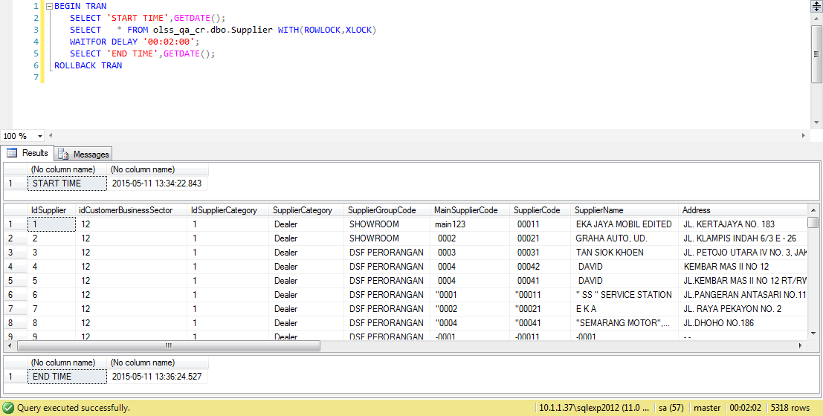
ProcessID | OriginalID | EntityName | Action | CreatedDate | CreatedBy
9A300F2E-D2D6-4ADF-8993-D74C21D5756A | 5315 | Supplier | Save Changes | 5/11/15 | Achmad Fardani
2C1B3C2E-94CD-4541-9562-728B61643D4D | 59 | Customer | Deactivate | 5/11/15 | Achmad Fardani
5FD2103B-E253-4361-BA01-C5CFBE8905FC | 53 | Customer | Deactivate | 5/11/15 | Achmad Fardani
6F4B8B00-4E97-47AB-B3AA-AB2B50021F5E | 10 | Customer | Set to Draft | 5/11/15 | Achmad Fardani
09030F47-0103-4275-84E7-E21FE1B2E2C2 | 61 | Customer | Set to Draft | 5/11/15 | Achmad Fardani

Process Lock Table Supplier

Retry to change value SupplierName data with positive test

7.1 UAT
Try to "Submit" data, then data has been changed
SELECT *
FROM [olss_prod].[dbo].[Supplier]
WHERE CustomerCode=' 00123';

Before
IdSupplier | idCustomerBusinessSector | IdSupplierCategory | SupplierCategory | SupplierGroupCode | MainSupplierCode | SupplierCode | SupplierName | Address | Telephone | BusinessEconomySector | EstablishmentDate | Capital | NumberOfEmployee | NumberOfBranch | GoPublicCompany | IsActive | IsDraft | IsSubmit | IsDeleted | Remarks | CreateDate | CreateBy | LastModified | LastModifiedBy
5315 | 1 | 1 | Dealer | ASCO | 1 | 00123 | EKA JAYA MOBIL, PT | JL. KERTAJAYA NO. 183 | 21,998,877 | Agriculture | NULL | 10000000000 | NULL | NULL | 1 | 1 | 1 | 0 | 0 | NULL | 2015-02-13 16:44:54 | Deny Prasetya | 2015-05-11 13:39:29 | Achmad Fardani

After
IdSupplier | idCustomerBusinessSector | IdSupplierCategory | SupplierCategory | SupplierGroupCode | MainSupplierCode | SupplierCode | SupplierName | Address | Telephone | BusinessEconomySector | EstablishmentDate | Capital | NumberOfEmployee | NumberOfBranch | GoPublicCompany | IsActive | IsDraft | IsSubmit | IsDeleted | Remarks | CreateDate | CreateBy | LastModified | LastModifiedBy
5315 | 1 | 1 | Dealer | ASCO | 1 | 00123 | EKA JAYA MOBIL, PT | JL. KERTAJAYA NO. 183 | 21,998,877 | Agriculture | NULL | 10000000000 | NULL | NULL | 1 | 1 | 0 | 1 | 0 | NULL | 2015-02-13 16:44:54 | Deny Prasetya | 2015-05-11 13:42:51 | Achmad Fardani

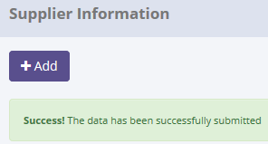
SELECT *
FROM [olss_prod].[dbo].[Master_History]
ORDER BY CreatedDate DESC;

ProcessID | OriginalID | EntityName | Action | CreatedDate | CreatedBy
25383D07-E503-4D22-9DF3-7D7DE88855DE | 5315 | Supplier | Submit | 5/11/15 | Achmad Fardani
2301487A-7BBE-4795-BA0A-CF2C76F57F86 | 5315 | Supplier | Save Changes | 5/11/15 | Achmad Fardani
9A300F2E-D2D6-4ADF-8993-D74C21D5756A | 5315 | Supplier | Save Changes | 5/11/15 | Achmad Fardani
2C1B3C2E-94CD-4541-9562-728B61643D4D | 59 | Customer | Deactivate | 5/11/15 | Achmad Fardani
5FD2103B-E253-4361-BA01-C5CFBE8905FC | 53 | Customer | Deactivate | 5/11/15 | Achmad Fardani

SELECT *
FROM [olss_prod].[dbo].[Master_History_Dtl]
WHERE ProcessID='25383D07-E503-4D22-9DF3-7D7DE88855DE';

ProcessID | OldValue
25383D07-E503-4D22-9DF3-7D7DE88855DE | <Supplier xmlns="http://schemas.datacontract.org/2004/07/Dsf.Olss.Data.Entities" xmlns:i="http://www.w3.org/2001/XMLSchema-instance"><Address>JL. KERTAJAYA NO. 183</Address><BusinessEconomySector>Agriculture</BusinessEconomySector><Capital>10000000000</Capital><CreateBy>Deny Prasetya</CreateBy><CreateDate>2015-02-13T16:44:54.517</CreateDate><EstablishmentDate i:nil="true" /><GoPublicCompany>1</GoPublicCompany><IdSupplier>5315</IdSupplier><IdSupplierCategory>1</IdSupplierCategory><IsActive>true</IsActive><IsDeleted>false</IsDeleted><IsDraft>true</IsDraft><IsSubmit>false</IsSubmit><LastModified>2015-05-11T13:39:29.003</LastModified><LastModifiedBy>Achmad Fardani</LastModifiedBy><MainSupplierCode> 0001</MainSupplierCode><NumberOfBranch i:nil="true" /><NumberOfEmployee i:nil="true" /><Remarks i:nil="true" /><SupplierCategory>Dealer</SupplierCategory><SupplierCategory1 i:nil="true" /><SupplierCode> 00123</SupplierCode><SupplierCorporateInfoes><SupplierCorporateInfo><BankName>33</BankName><CreateBy>Abdul Somad</CreateBy><CreateDate>2015-04-27T15:47:03.92</CreateDate><IdSupplier>5315</IdSupplier><IdSupplierCorporateInfo>4</IdSupplierCorporateInfo><LastModified>2015-05-11T13:39:29.003</LastModified><LastModifiedBy>Achmad Fardani</LastModifiedBy><MainCustomer i:nil="true" /><ShareHolder i:nil="true" /><Supplier i:nil="true" /></SupplierCorporateInfo></SupplierCorporateInfoes><SupplierGroupCode>ASCO</SupplierGroupCode><SupplierName>EKA JAYA MOBIL, PT</SupplierName><SupplierPaymentInfoes><SupplierPaymentInfo><BankAccount>ssss</BankAccount><BankAccountNumber>sss</BankAccountNumber><BranchName>sss</BranchName><CreateBy>Abdul Somad</CreateBy><CreateDate>2015-04-27T15:46:53.64</CreateDate><IdSupplier>5315</IdSupplier><IdSupplierPaymentInfo>2</IdSupplierPaymentInfo><LastModified>2015-05-11T13:39:29.003</LastModified><LastModifiedBy>Achmad Fardani</LastModifiedBy><NameAccountHolder>sss</NameAccountHolder><Supplier i:nil="true" /></SupplierPaymentInfo></SupplierPaymentInfoes><Telepho

7.2 UAT
Try to "Submit" data, but data hasn't been changed
SELECT *
FROM [olss_prod].[dbo].[Supplier]
WHERE SupplierCode=' 00011';

Before
IdSupplier | idCustomerBusinessSector | IdSupplierCategory | SupplierCategory | SupplierGroupCode | MainSupplierCode | SupplierCode | SupplierName | Address | Telephone | BusinessEconomySector | EstablishmentDate | Capital | NumberOfEmployee | NumberOfBranch | GoPublicCompany | IsActive | IsDraft | IsSubmit | IsDeleted | Remarks | CreateDate | CreateBy | LastModified | LastModifiedBy
1 | 12 | 1 | Dealer | SHOWROOM | main123 | 00011 | EKA JAYA MOBIL EDITED | JL. KERTAJAYA NO. 183 | 031 - 5327079 / 5319 | Others | 2014-03-01 00:00:00 | Surabaya | NULL | NULL | 0 | 0 | 1 | 0 | 0 | NULL | 2014-09-25 15:38:28 | BSI | 2015-02-13 17:00:57 | Deny Prasetya

After
IdSupplier | idCustomerBusinessSector | IdSupplierCategory | SupplierCategory | SupplierGroupCode | MainSupplierCode | SupplierCode | SupplierName | Address | Telephone | BusinessEconomySector | EstablishmentDate | Capital | NumberOfEmployee | NumberOfBranch | GoPublicCompany | IsActive | IsDraft | IsSubmit | IsDeleted | Remarks | CreateDate | CreateBy | LastModified | LastModifiedBy
1 | 12 | 1 | Dealer | SHOWROOM | main123 | 00011 | EKA JAYA MOBIL EDITED | JL. KERTAJAYA NO. 183 | 031 - 5327079 / 5319 | Others | 2014-03-01 00:00:00 | Surabaya | NULL | NULL | 0 | 0 | 1 | 0 | 0 | NULL | 2014-09-25 15:38:28 | BSI | 2015-02-13 17:00:57 | Deny Prasetya

There are no new record on table Master_History
SELECT *
FROM [olss_prod].[dbo].[Master_History]
ORDER BY CreatedDate DESC;

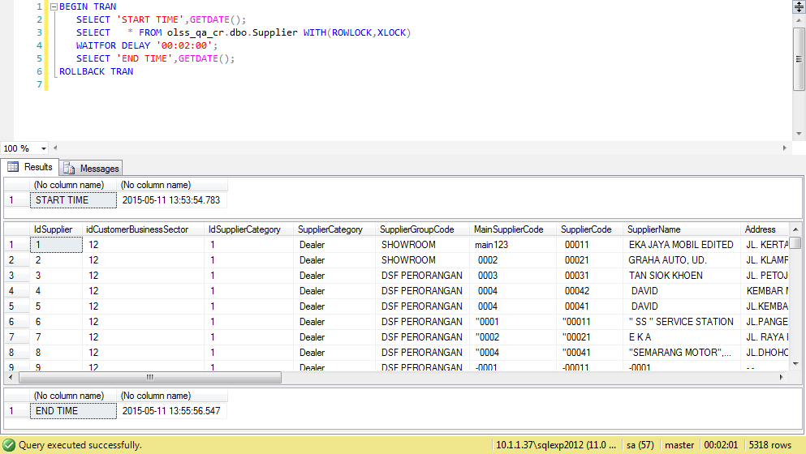
ProcessID | OriginalID | EntityName | Action | CreatedDate | CreatedBy
25383D07-E503-4D22-9DF3-7D7DE88855DE | 5315 | Supplier | Submit | 5/11/15 | Achmad Fardani
2301487A-7BBE-4795-BA0A-CF2C76F57F86 | 5315 | Supplier | Save Changes | 5/11/15 | Achmad Fardani
9A300F2E-D2D6-4ADF-8993-D74C21D5756A | 5315 | Supplier | Save Changes | 5/11/15 | Achmad Fardani
2C1B3C2E-94CD-4541-9562-728B61643D4D | 59 | Customer | Deactivate | 5/11/15 | Achmad Fardani
5FD2103B-E253-4361-BA01-C5CFBE8905FC | 53 | Customer | Deactivate | 5/11/15 | Achmad Fardani

Process Lock Table Supplier

Retry to change value SupplierName data with positive test

8.1 UAT
Try to "Active" data, then data has been changed
SELECT *
FROM [olss_prod].[dbo].[Supplier]
WHERE CustomerCode=' 00123';

Before
IdSupplier | idCustomerBusinessSector | IdSupplierCategory | SupplierCategory | SupplierGroupCode | MainSupplierCode | SupplierCode | SupplierName | Address | Telephone | BusinessEconomySector | EstablishmentDate | Capital | NumberOfEmployee | NumberOfBranch | GoPublicCompany | IsActive | IsDraft | IsSubmit | IsDeleted | Remarks | CreateDate | CreateBy | LastModified | LastModifiedBy
5315 | 1 | 1 | Dealer | ASCO | 1 | 00123 | EKA JAYA MOBIL, PT | JL. KERTAJAYA NO. 183 | 21,998,877 | Agriculture | NULL | 10000000000 | NULL | NULL | 1 | 0 | 0 | 1 | 0 | NULL | 2015-02-13 16:44:54 | Deny Prasetya | 2015-05-11 13:42:51 | Achmad Fardani

After
IdSupplier | idCustomerBusinessSector | IdSupplierCategory | SupplierCategory | SupplierGroupCode | MainSupplierCode | SupplierCode | SupplierName | Address | Telephone | BusinessEconomySector | EstablishmentDate | Capital | NumberOfEmployee | NumberOfBranch | GoPublicCompany | IsActive | IsDraft | IsSubmit | IsDeleted | Remarks | CreateDate | CreateBy | LastModified | LastModifiedBy
5315 | 1 | 1 | Dealer | ASCO | 1 | 00123 | EKA JAYA MOBIL, PT | JL. KERTAJAYA NO. 183 | 21,998,877 | Agriculture | NULL | 10000000000 | NULL | NULL | 1 | 1 | 0 | 0 | 0 | NULL | 2015-02-13 16:44:54 | Deny Prasetya | 2015-05-11 13:42:51 | Achmad Fardani

SELECT *
FROM [olss_prod].[dbo].[Master_History]
ORDER BY CreatedDate DESC;

ProcessID | OriginalID | EntityName | Action | CreatedDate | CreatedBy
0BAC8D83-C65B-43DA-9AAE-C69DFDF5A1C7 | 5315 | Supplier | Activate | 5/11/15 | Achmad Fardani
2301487A-7BBE-4795-BA0A-CF2C76F57F86 | 5315 | Supplier | Save Changes | 5/11/15 | Achmad Fardani
9A300F2E-D2D6-4ADF-8993-D74C21D5756A | 5315 | Supplier | Save Changes | 5/11/15 | Achmad Fardani
2C1B3C2E-94CD-4541-9562-728B61643D4D | 59 | Customer | Deactivate | 5/11/15 | Achmad Fardani
5FD2103B-E253-4361-BA01-C5CFBE8905FC | 53 | Customer | Deactivate | 5/11/15 | Achmad Fardani

SELECT *
FROM [olss_qa_cr].[dbo].[Master_History_Dtl]
WHERE ProcessID='0BAC8D83-C65B-43DA-9AAE-C69DFDF5A1C7';

ProcessID | OldValue
0BAC8D83-C65B-43DA-9AAE-C69DFDF5A1C7 | <Supplier xmlns="http://schemas.datacontract.org/2004/07/Dsf.Olss.Data.Entities" xmlns:i="http://www.w3.org/2001/XMLSchema-instance"><Address>JL. KERTAJAYA NO. 183</Address><BusinessEconomySector>Agriculture</BusinessEconomySector><Capital>10000000000</Capital><CreateBy>Deny Prasetya</CreateBy><CreateDate>2015-02-13T16:44:54.517</CreateDate><EstablishmentDate i:nil="true" /><GoPublicCompany>1</GoPublicCompany><IdSupplier>5315</IdSupplier><IdSupplierCategory>1</IdSupplierCategory><IsActive>true</IsActive><IsDeleted>false</IsDeleted><IsDraft>false</IsDraft><IsSubmit>true</IsSubmit><LastModified>2015-05-11T13:42:51.127</LastModified><LastModifiedBy>Achmad Fardani</LastModifiedBy><MainSupplierCode> 0001</MainSupplierCode><NumberOfBranch i:nil="true" /><NumberOfEmployee i:nil="true" /><Remarks i:nil="true" /><SupplierCategory>Dealer</SupplierCategory><SupplierCategory1 i:nil="true" /><SupplierCode> 00123</SupplierCode><SupplierCorporateInfoes><SupplierCorporateInfo><BankName>33</BankName><CreateBy>Abdul Somad</CreateBy><CreateDate>2015-04-27T15:47:03.92</CreateDate><IdSupplier>5315</IdSupplier><IdSupplierCorporateInfo>4</IdSupplierCorporateInfo><LastModified>2015-05-11T13:42:51.127</LastModified><LastModifiedBy>Achmad Fardani</LastModifiedBy><MainCustomer i:nil="true" /><ShareHolder i:nil="true" /><Supplier i:nil="true" /></SupplierCorporateInfo></SupplierCorporateInfoes><SupplierGroupCode>ASCO</SupplierGroupCode><SupplierName>EKA JAYA MOBIL, PT</SupplierName><SupplierPaymentInfoes><SupplierPaymentInfo><BankAccount>ssss</BankAccount><BankAccountNumber>sss</BankAccountNumber><BranchName>sss</BranchName><CreateBy>Abdul Somad</CreateBy><CreateDate>2015-04-27T15:46:53.64</CreateDate><IdSupplier>5315</IdSupplier><IdSupplierPaymentInfo>2</IdSupplierPaymentInfo><LastModified>2015-05-11T13:42:51.127</LastModified><LastModifiedBy>Achmad Fardani</LastModifiedBy><NameAccountHolder>sss</NameAccountHolder><Supplier i:nil="true" /></SupplierPaymentInfo></SupplierPaymentInfoes><Telepho

8.2 UAT
Try to "Activate" data, but data hasn't been changed
SELECT *
FROM [olss_prod].[dbo].[Supplier]
WHERE SupplierCode=' 00011';

Before
IdSupplier | idCustomerBusinessSector | IdSupplierCategory | SupplierCategory | SupplierGroupCode | MainSupplierCode | SupplierCode | SupplierName | Address | Telephone | BusinessEconomySector | EstablishmentDate | Capital | NumberOfEmployee | NumberOfBranch | GoPublicCompany | IsActive | IsDraft | IsSubmit | IsDeleted | Remarks | CreateDate | CreateBy | LastModified | LastModifiedBy
1 | 12 | 1 | Dealer | SHOWROOM | main123 | 00011 | EKA JAYA MOBIL EDITED | JL. KERTAJAYA NO. 183 | 031 - 5327079 / 5319 | Others | 2014-03-01 00:00:00 | Surabaya | NULL | NULL | 0 | 0 | 0 | 1 | 0 | NULL | 2014-09-25 15:38:28 | BSI | 2015-05-11 13:57:49 | Achmad Fardani

After
IdSupplier | idCustomerBusinessSector | IdSupplierCategory | SupplierCategory | SupplierGroupCode | MainSupplierCode | SupplierCode | SupplierName | Address | Telephone | BusinessEconomySector | EstablishmentDate | Capital | NumberOfEmployee | NumberOfBranch | GoPublicCompany | IsActive | IsDraft | IsSubmit | IsDeleted | Remarks | CreateDate | CreateBy | LastModified | LastModifiedBy
1 | 12 | 1 | Dealer | SHOWROOM | main123 | 00011 | EKA JAYA MOBIL EDITED | JL. KERTAJAYA NO. 183 | 031 - 5327079 / 5319 | Others | 2014-03-01 00:00:00 | Surabaya | NULL | NULL | 0 | 0 | 0 | 1 | 0 | NULL | 2014-09-25 15:38:28 | BSI | 2015-05-11 13:57:49 | Achmad Fardani

There are no new record on table Master_History
SELECT *
FROM [olss_prod].[dbo].[Master_History]
ORDER BY CreatedDate DESC;

ProcessID | OriginalID | EntityName | Action | CreatedDate | CreatedBy
4CB47C80-1515-495F-A27D-2836D9D4B7FC | 1 | Supplier | Submit | 5/11/15 | Achmad Fardani
25383D07-E503-4D22-9DF3-7D7DE88855DE | 5315 | Supplier | Submit | 5/11/15 | Achmad Fardani
2301487A-7BBE-4795-BA0A-CF2C76F57F86 | 5315 | Supplier | Save Changes | 5/11/15 | Achmad Fardani
9A300F2E-D2D6-4ADF-8993-D74C21D5756A | 5315 | Supplier | Save Changes | 5/11/15 | Achmad Fardani
2C1B3C2E-94CD-4541-9562-728B61643D4D | 59 | Customer | Deactivate | 5/11/15 | Achmad Fardani

Process Lock Table Supplier

Retry to Activate Supplier data with positive test

9.1 UAT
Try to "Set To Draft" data, then data has been changed
SELECT *
FROM [olss_prod].[dbo].[Supplier]
WHERE CustomerCode=' 00123';

Before
IdSupplier | idCustomerBusinessSector | IdSupplierCategory | SupplierCategory | SupplierGroupCode | MainSupplierCode | SupplierCode | SupplierName | Address | Telephone | BusinessEconomySector | EstablishmentDate | Capital | NumberOfEmployee | NumberOfBranch | GoPublicCompany | IsActive | IsDraft | IsSubmit | IsDeleted | Remarks | CreateDate | CreateBy | LastModified | LastModifiedBy
5315 | 1 | 1 | Dealer | ASCO | 1 | 00123 | EKA JAYA MOBIL, PT | JL. KERTAJAYA NO. 183 | 21,998,877 | Agriculture | NULL | 10000000000 | NULL | NULL | 1 | 1 | 0 | 0 | 0 | NULL | 2015-02-13 16:44:54 | Deny Prasetya | 2015-05-11 13:42:51 | Achmad Fardani

After
IdSupplier | idCustomerBusinessSector | IdSupplierCategory | SupplierCategory | SupplierGroupCode | MainSupplierCode | SupplierCode | SupplierName | Address | Telephone | BusinessEconomySector | EstablishmentDate | Capital | NumberOfEmployee | NumberOfBranch | GoPublicCompany | IsActive | IsDraft | IsSubmit | IsDeleted | Remarks | CreateDate | CreateBy | LastModified | LastModifiedBy
5315 | 1 | 1 | Dealer | ASCO | 1 | 00123 | EKA JAYA MOBIL, PT | JL. KERTAJAYA NO. 183 | 21,998,877 | Agriculture | NULL | 10000000000 | NULL | NULL | 1 | 1 | 1 | 0 | 0 | NULL | 2015-02-13 16:44:54 | Deny Prasetya | 2015-05-11 13:42:51 | Achmad Fardani

SELECT *
FROM [olss_prod].[dbo].[Master_History]
ORDER BY CreatedDate DESC;

ProcessID | OriginalID | EntityName | Action | CreatedDate | CreatedBy
451DC54D-6A44-46BC-B592-F03263BE1CBE | 5315 | Supplier | Set to Draft | 5/11/15 | Achmad Fardani
0BAC8D83-C65B-43DA-9AAE-C69DFDF5A1C7 | 5315 | Supplier | Activate | 5/11/15 | Achmad Fardani
4CB47C80-1515-495F-A27D-2836D9D4B7FC | 1 | Supplier | Submit | 5/11/15 | Achmad Fardani
25383D07-E503-4D22-9DF3-7D7DE88855DE | 5315 | Supplier | Submit | 5/11/15 | Achmad Fardani
2301487A-7BBE-4795-BA0A-CF2C76F57F86 | 5315 | Supplier | Save Changes | 5/11/15 | Achmad Fardani

SELECT *
FROM [olss_qa_cr].[dbo].[Master_History_Dtl]
WHERE ProcessID='451DC54D-6A44-46BC-B592-F03263BE1CBE';

ProcessID | OldValue
451DC54D-6A44-46BC-B592-F03263BE1CBE | <Supplier xmlns="http://schemas.datacontract.org/2004/07/Dsf.Olss.Data.Entities" xmlns:i="http://www.w3.org/2001/XMLSchema-instance"><Address>JL. KERTAJAYA NO. 183</Address><BusinessEconomySector>Agriculture</BusinessEconomySector><Capital>10000000000</Capital><CreateBy>Deny Prasetya</CreateBy><CreateDate>2015-02-13T16:44:54.517</CreateDate><EstablishmentDate i:nil="true" /><GoPublicCompany>1</GoPublicCompany><IdSupplier>5315</IdSupplier><IdSupplierCategory>1</IdSupplierCategory><IsActive>true</IsActive><IsDeleted>false</IsDeleted><IsDraft>false</IsDraft><IsSubmit>false</IsSubmit><LastModified>2015-05-11T13:42:51.127</LastModified><LastModifiedBy>Achmad Fardani</LastModifiedBy><MainSupplierCode> 0001</MainSupplierCode><NumberOfBranch i:nil="true" /><NumberOfEmployee i:nil="true" /><Remarks i:nil="true" /><SupplierCategory>Dealer</SupplierCategory><SupplierCategory1 i:nil="true" /><SupplierCode> 00123</SupplierCode><SupplierCorporateInfoes><SupplierCorporateInfo><BankName>33</BankName><CreateBy>Abdul Somad</CreateBy><CreateDate>2015-04-27T15:47:03.92</CreateDate><IdSupplier>5315</IdSupplier><IdSupplierCorporateInfo>4</IdSupplierCorporateInfo><LastModified>2015-05-11T13:42:51.127</LastModified><LastModifiedBy>Achmad Fardani</LastModifiedBy><MainCustomer i:nil="true" /><ShareHolder i:nil="true" /><Supplier i:nil="true" /></SupplierCorporateInfo></SupplierCorporateInfoes><SupplierGroupCode>ASCO</SupplierGroupCode><SupplierName>EKA JAYA MOBIL, PT</SupplierName><SupplierPaymentInfoes><SupplierPaymentInfo><BankAccount>ssss</BankAccount><BankAccountNumber>sss</BankAccountNumber><BranchName>sss</BranchName><CreateBy>Abdul Somad</CreateBy><CreateDate>2015-04-27T15:46:53.64</CreateDate><IdSupplier>5315</IdSupplier><IdSupplierPaymentInfo>2</IdSupplierPaymentInfo><LastModified>2015-05-11T13:42:51.127</LastModified><LastModifiedBy>Achmad Fardani</LastModifiedBy><NameAccountHolder>sss</NameAccountHolder><Supplier i:nil="true" /></SupplierPaymentInfo></SupplierPaymentInfoes><Teleph

9.2 UAT
Try to "Set To Draft" data, but data hasn't been changed
SELECT *
FROM [olss_prod].[dbo].[Supplier]
WHERE SupplierCode=' 00041';

Before
IdSupplier | idCustomerBusinessSector | IdSupplierCategory | SupplierCategory | SupplierGroupCode | MainSupplierCode | SupplierCode | SupplierName | Address | Telephone | BusinessEconomySector | EstablishmentDate | Capital | NumberOfEmployee | NumberOfBranch | GoPublicCompany | IsActive | IsDraft | IsSubmit | IsDeleted | Remarks | CreateDate | CreateBy | LastModified | LastModifiedBy
5 | 12 | 1 | Dealer | DSF PERORANGAN | 4 | 00041 | DAVID | JL.KEMBAR MAS II NO 12 RT/RW 05/09 KEL. ANCOL KEC. REGOL |  | Others | NULL | NULL | NULL | NULL | NULL | 1 | 0 | 0 | 0 | NULL | 2014-09-25 15:38:28 | BSI | 2014-09-26 18:18:02 | BSI

After
IdSupplier | idCustomerBusinessSector | IdSupplierCategory | SupplierCategory | SupplierGroupCode | MainSupplierCode | SupplierCode | SupplierName | Address | Telephone | BusinessEconomySector | EstablishmentDate | Capital | NumberOfEmployee | NumberOfBranch | GoPublicCompany | IsActive | IsDraft | IsSubmit | IsDeleted | Remarks | CreateDate | CreateBy | LastModified | LastModifiedBy
5 | 12 | 1 | Dealer | DSF PERORANGAN | 4 | 00041 | DAVID | JL.KEMBAR MAS II NO 12 RT/RW 05/09 KEL. ANCOL KEC. REGOL |  | Others | NULL | NULL | NULL | NULL | NULL | 1 | 0 | 0 | 0 | NULL | 2014-09-25 15:38:28 | BSI | 2014-09-26 18:18:02 | BSI

There are no new record on table Master_History
SELECT *
FROM [olss_prod].[dbo].[Master_History]
ORDER BY CreatedDate DESC;

ProcessID | OriginalID | EntityName | Action | CreatedDate | CreatedBy
451DC54D-6A44-46BC-B592-F03263BE1CBE | 5315 | Supplier | Set to Draft | 5/11/15 | Achmad Fardani
0BAC8D83-C65B-43DA-9AAE-C69DFDF5A1C7 | 5315 | Supplier | Activate | 5/11/15 | Achmad Fardani
4CB47C80-1515-495F-A27D-2836D9D4B7FC | 1 | Supplier | Submit | 5/11/15 | Achmad Fardani
25383D07-E503-4D22-9DF3-7D7DE88855DE | 5315 | Supplier | Submit | 5/11/15 | Achmad Fardani
2301487A-7BBE-4795-BA0A-CF2C76F57F86 | 5315 | Supplier | Save Changes | 5/11/15 | Achmad Fardani

Process Lock Table Supplier

Retry to Set To Draft Supplier data with positive test

10.1 UAT
Try to "Deactivate" data, then data has been changed
SELECT *
FROM [olss_prod].[dbo].[Supplier]
WHERE SupplierCode=' A00011';

Before
IdSupplier | idCustomerBusinessSector | IdSupplierCategory | SupplierCategory | SupplierGroupCode | MainSupplierCode | SupplierCode | SupplierName | Address | Telephone | BusinessEconomySector | EstablishmentDate | Capital | NumberOfEmployee | NumberOfBranch | GoPublicCompany | IsActive | IsDraft | IsSubmit | IsDeleted | Remarks | CreateDate | CreateBy | LastModified | LastModifiedBy
19 | 12 | 1 | Dealer | NON GROUP DEALER | A0001 | A00011 | ADITYA SRIJAYA PERKASA, PT. | JL. MERUYA ILIR NO. 19 | 021- 5846488 | Others | NULL | NULL | NULL | NULL | NULL | 1 | 0 | 0 | 0 | NULL | 2014-09-25 15:38:28 | BSI | 2014-09-26 18:18:02 | BSI

After
IdSupplier | idCustomerBusinessSector | IdSupplierCategory | SupplierCategory | SupplierGroupCode | MainSupplierCode | SupplierCode | SupplierName | Address | Telephone | BusinessEconomySector | EstablishmentDate | Capital | NumberOfEmployee | NumberOfBranch | GoPublicCompany | IsActive | IsDraft | IsSubmit | IsDeleted | Remarks | CreateDate | CreateBy | LastModified | LastModifiedBy
19 | 12 | 1 | Dealer | NON GROUP DEALER | A0001 | A00011 | ADITYA SRIJAYA PERKASA, PT. | JL. MERUYA ILIR NO. 19 | 021- 5846488 | Others | NULL | NULL | NULL | NULL | NULL | 0 | 0 | 0 | 0 | NULL | 2014-09-25 15:38:28 | BSI | 2014-09-26 18:18:02 | BSI

SELECT *
FROM [olss_prod].[dbo].[Master_History]
ORDER BY CreatedDate DESC;

ProcessID | OriginalID | EntityName | Action | CreatedDate | CreatedBy
73B0BDF5-BB17-4911-B37A-D31CA232D389 | 19 | Supplier | Deactivate | 5/11/15 | Achmad Fardani
8E173429-4C2C-49AE-B905-B6D359D385F4 | 8 | Supplier | Set to Draft | 5/11/15 | Achmad Fardani
451DC54D-6A44-46BC-B592-F03263BE1CBE | 5315 | Supplier | Set to Draft | 5/11/15 | Achmad Fardani
0BAC8D83-C65B-43DA-9AAE-C69DFDF5A1C7 | 5315 | Supplier | Activate | 5/11/15 | Achmad Fardani
4CB47C80-1515-495F-A27D-2836D9D4B7FC | 1 | Supplier | Submit | 5/11/15 | Achmad Fardani

SELECT *
FROM [olss_qa_cr].[dbo].[Master_History_Dtl]
WHERE ProcessID='73B0BDF5-BB17-4911-B37A-D31CA232D389';

ProcessID | OldValue
73B0BDF5-BB17-4911-B37A-D31CA232D389 | <Supplier xmlns="http://schemas.datacontract.org/2004/07/Dsf.Olss.Data.Entities" xmlns:i="http://www.w3.org/2001/XMLSchema-instance"><Address>JL. MERUYA ILIR NO. 19</Address><BusinessEconomySector>Others</BusinessEconomySector><Capital i:nil="true" /><CreateBy>BSI</CreateBy><CreateDate>2014-09-25T15:38:28.17</CreateDate><EstablishmentDate i:nil="true" /><GoPublicCompany i:nil="true" /><IdSupplier>19</IdSupplier><IdSupplierCategory>1</IdSupplierCategory><IsActive>true</IsActive><IsDeleted>false</IsDeleted><IsDraft>false</IsDraft><IsSubmit>false</IsSubmit><LastModified>2014-09-26T18:18:02.67</LastModified><LastModifiedBy>BSI</LastModifiedBy><MainSupplierCode>A0001</MainSupplierCode><NumberOfBranch i:nil="true" /><NumberOfEmployee i:nil="true" /><Remarks i:nil="true" /><SupplierCategory>Dealer</SupplierCategory><SupplierCategory1 i:nil="true" /><SupplierCode>A00011</SupplierCode><SupplierCorporateInfoes /><SupplierGroupCode>NON GROUP DEALER</SupplierGroupCode><SupplierName>ADITYA SRIJAYA PERKASA, PT.</SupplierName><SupplierPaymentInfoes /><Telephone>021- 5846488</Telephone><idCustomerBusinessSector>12</idCustomerBusinessSector></Supplier>

10.2 UAT
Try to "Deactivate" data, but data hasn't been changed
SELECT *
FROM [olss_prod].[dbo].[Supplier]
WHERE SupplierCode=' 00031';

Before
IdSupplier | idCustomerBusinessSector | IdSupplierCategory | SupplierCategory | SupplierGroupCode | MainSupplierCode | SupplierCode | SupplierName | Address | Telephone | BusinessEconomySector | EstablishmentDate | Capital | NumberOfEmployee | NumberOfBranch | GoPublicCompany | IsActive | IsDraft | IsSubmit | IsDeleted | Remarks | CreateDate | CreateBy | LastModified | LastModifiedBy
11 | 12 | 1 | Dealer | DSF PERORANGAN | 3 | 00031 | A-YENG MANDIRI | DESA PESISIR RT.11 RW.02 KECAMATAN SUMBERASIH KABUPATEN PROBOLINGGO | 0335-41349 | Others | NULL | NULL | NULL | NULL | NULL | 1 | 0 | 0 | 0 | NULL | 2014-09-25 15:38:28 | BSI | 2014-09-26 18:18:02 | BSI

After
IdSupplier | idCustomerBusinessSector | IdSupplierCategory | SupplierCategory | SupplierGroupCode | MainSupplierCode | SupplierCode | SupplierName | Address | Telephone | BusinessEconomySector | EstablishmentDate | Capital | NumberOfEmployee | NumberOfBranch | GoPublicCompany | IsActive | IsDraft | IsSubmit | IsDeleted | Remarks | CreateDate | CreateBy | LastModified | LastModifiedBy
11 | 12 | 1 | Dealer | DSF PERORANGAN | 3 | 00031 | A-YENG MANDIRI | DESA PESISIR RT.11 RW.02 KECAMATAN SUMBERASIH KABUPATEN PROBOLINGGO | 0335-41349 | Others | NULL | NULL | NULL | NULL | NULL | 1 | 0 | 0 | 0 | NULL | 2014-09-25 15:38:28 | BSI | 2014-09-26 18:18:02 | BSI

There are no new record on table Master_History
SELECT *
FROM [olss_prod].[dbo].[Master_History]
ORDER BY CreatedDate DESC;

ProcessID | OriginalID | EntityName | Action | CreatedDate | CreatedBy
73B0BDF5-BB17-4911-B37A-D31CA232D389 | 19 | Supplier | Deactivate | 5/11/15 | Achmad Fardani
8E173429-4C2C-49AE-B905-B6D359D385F4 | 8 | Supplier | Set to Draft | 5/11/15 | Achmad Fardani
451DC54D-6A44-46BC-B592-F03263BE1CBE | 5315 | Supplier | Set to Draft | 5/11/15 | Achmad Fardani
0BAC8D83-C65B-43DA-9AAE-C69DFDF5A1C7 | 5315 | Supplier | Activate | 5/11/15 | Achmad Fardani
4CB47C80-1515-495F-A27D-2836D9D4B7FC | 1 | Supplier | Submit | 5/11/15 | Achmad Fardani

Process Lock Table Supplier

Retry to Deactivate Supplier data with positive test

11.1 UAT
Try to "Savce Changes" data, then data has been changed
SELECT *
FROM [olss_qa_cr].[dbo].[Product]
WHERE ProductCode ='VEH/00021/V-048/T110PS/201504';

Before
IdProduct | IdProductType | IdProductCategory | IdProductModel | ProductCode | BrandCode | BrandName | ModelCode | ModelName | ModelType | ModelYear | IsNew | Grade | Transmission | DisPlacement | FuelType | RidingCapacity | MaxLoadingCapacity | VehicleWeight | GrossVehicleWeight | Length | Width | Height | WheelBase | EngineModel | SNTKRenewalCycle | KIRRenewalCycle | NumberOfBattery | BaterySize | NumberOfTire | FrontTireSize | RearTireSize | MaintenanceRateClass | InsuranceRateClass | IsActive | IsDraft | IsSubmit | IsDeleted | Remarks | CreateDate | CreateBy | LastModified | LastModifiedBy
116 | 1 | 2 | 837 | VEH/00021/V-048/T110PS/201504 | V-048 | FOTON | T110PS | TRUCK 110PS | 110 | 42095 | NULL | NULL | NULL | NULL | NULL | NULL | NULL | NULL | NULL | NULL | NULL | NULL | NULL | NULL | NULL | NULL | NULL | NULL | NULL | NULL | NULL | NULL | NULL | 0 | 1 | 0 | 0 | NULL | 2015-02-13 17:06:03 | Deny Prasetya | NULL | NULL

After
IdProduct | IdProductType | IdProductCategory | IdProductModel | ProductCode | BrandCode | BrandName | ModelCode | ModelName | ModelType | ModelYear | IsNew | Grade | Transmission | DisPlacement | FuelType | RidingCapacity | MaxLoadingCapacity | VehicleWeight | GrossVehicleWeight | Length | Width | Height | WheelBase | EngineModel | SNTKRenewalCycle | KIRRenewalCycle | NumberOfBattery | BaterySize | NumberOfTire | FrontTireSize | RearTireSize | MaintenanceRateClass | InsuranceRateClass | IsActive | IsDraft | IsSubmit | IsDeleted | Remarks | CreateDate | CreateBy | LastModified | LastModifiedBy
116 | 1 | 2 | 2498 | VEH/00021/V-048/T110PS/201504 | V-019 | PEUGEOT | P206MT | 206 M/T | 206 | 42095 | NULL | NULL | NULL | NULL | NULL | NULL | NULL | NULL | NULL | NULL | NULL | NULL | NULL | NULL | NULL | NULL | NULL | NULL | NULL | NULL | NULL | NULL | NULL | 0 | 1 | 0 | 0 | NULL | 2015-02-13 17:06:03 | Deny Prasetya | 2015-05-11 14:54:07 | Achmad Fardani

SELECT *
FROM [olss_prod].[dbo].[Master_History]
ORDER BY CreatedDate DESC;

ProcessID | OriginalID | EntityName | Action | CreatedDate | CreatedBy
CAC03C20-C5E1-4B53-9DA3-80FFAE9A5515 | 116 | Product | Save Changes | 5/11/15 | Achmad Fardani
7EE2DF5A-81D7-4860-BD27-CD23FA536F8B | 11 | Supplier | Deactivate | 5/11/15 | Achmad Fardani
73B0BDF5-BB17-4911-B37A-D31CA232D389 | 19 | Supplier | Deactivate | 5/11/15 | Achmad Fardani
8E173429-4C2C-49AE-B905-B6D359D385F4 | 8 | Supplier | Set to Draft | 5/11/15 | Achmad Fardani
451DC54D-6A44-46BC-B592-F03263BE1CBE | 5315 | Supplier | Set to Draft | 5/11/15 | Achmad Fardani

SELECT *
FROM [olss_qa_cr].[dbo].[Master_History_Dtl]
WHERE ProcessID='73B0BDF5-BB17-4911-B37A-D31CA232D389';

ProcessID | OldValue
CAC03C20-C5E1-4B53-9DA3-80FFAE9A5515 | <Product xmlns="http://schemas.datacontract.org/2004/07/Dsf.Olss.Data.Entities" xmlns:i="http://www.w3.org/2001/XMLSchema-instance"><BaterySize>V-048</BaterySize><BrandCode i:nil="true" /><BrandName>FOTON</BrandName><ConnId i:nil="true" /><CreateBy>Deny Prasetya</CreateBy><CreateDate>2015-02-13T17:06:03.033</CreateDate><DisPlacement i:nil="true" /><EngineModel i:nil="true" /><FrontTireSize i:nil="true" /><FuelType i:nil="true" /><Grade i:nil="true" /><GrossVehicleWeight i:nil="true" /><Height i:nil="true" /><IdProduct>116</IdProduct><IdProductCategory>2</IdProductCategory><IdProductModel>837</IdProductModel><IdProductType>1</IdProductType><InsuranceRateClass i:nil="true" /><IsActive>false</IsActive><IsDeleted>false</IsDeleted><IsDraft>true</IsDraft><IsNew i:nil="true" /><IsSubmit>false</IsSubmit><KIRRenewalCycle i:nil="true" /><LastModified i:nil="true" /><LastModifiedBy i:nil="true" /><Length i:nil="true" /><MaintenanceRateClass i:nil="true" /><MaxLoadingCapacity i:nil="true" /><ModelCode>T110PS</ModelCode><ModelName>TRUCK 110PS</ModelName><ModelType>110</ModelType><ModelYear>2015-04-01T00:00:00</ModelYear><NumberOfBattery i:nil="true" /><NumberOfTire i:nil="true" /><ProductCategory i:nil="true" /><ProductCode>VEH/00021/V-048/T110PS/201504</ProductCode><ProductModel i:nil="true" /><ProductType i:nil="true" /><RearTireSize i:nil="true" /><Remarks i:nil="true" /><RidingCapacity i:nil="true" /><SNTKRenewalCycle i:nil="true" /><Transmission i:nil="true" /><VehicleWeight i:nil="true" /><WheelBase i:nil="true" /><Width i:nil="true" /></Product>

Invalid column, batterySize value should be on brand code column

11.2 UAT
Try to change "BrandCode" data, but data hasn't been changed
SELECT *
FROM [olss_qa_cr].[dbo].[Product]
WHERE ProductCode='VEH/00011/V-001/M12GXM/201201';

Before
IdProduct | IdProductType | IdProductCategory | IdProductModel | ProductCode | BrandCode | BrandName | ModelCode | ModelName | ModelType | ModelYear | IsNew | Grade | Transmission | DisPlacement | FuelType | RidingCapacity | MaxLoadingCapacity | VehicleWeight | GrossVehicleWeight | Length | Width | Height | WheelBase | EngineModel | SNTKRenewalCycle | KIRRenewalCycle | NumberOfBattery | BaterySize | NumberOfTire | FrontTireSize | RearTireSize | MaintenanceRateClass | InsuranceRateClass | IsActive | IsDraft | IsSubmit | IsDeleted | Remarks | CreateDate | CreateBy | LastModified | LastModifiedBy
33 | 1 | 6 | 1465 | VEH/00011/V-001/M12GXM/201201 | V-001 | MITSUBISHI | M12GXM | MIRAGE GLX (4X2) M/T | MRG | 40909 | NULL | NULL | F5MBD | 1.193 | GASOLINE | 5 | NULL | 830 | 1.28 | 3.71 | 1900-01-01 15:57:36 | 1.5 | 1900-01-02 10:48:00 | 3A92 | 1 | NULL | 1 | 12 | 4 | NULL | NULL | NULL | NULL | 1 | 1 | 0 | 0 | NULL | 2014-10-30 18:10:35 | juanaidi didy | NULL | NULL

After
IdProduct | IdProductType | IdProductCategory | IdProductModel | ProductCode | BrandCode | BrandName | ModelCode | ModelName | ModelType | ModelYear | IsNew | Grade | Transmission | DisPlacement | FuelType | RidingCapacity | MaxLoadingCapacity | VehicleWeight | GrossVehicleWeight | Length | Width | Height | WheelBase | EngineModel | SNTKRenewalCycle | KIRRenewalCycle | NumberOfBattery | BaterySize | NumberOfTire | FrontTireSize | RearTireSize | MaintenanceRateClass | InsuranceRateClass | IsActive | IsDraft | IsSubmit | IsDeleted | Remarks | CreateDate | CreateBy | LastModified | LastModifiedBy
33 | 1 | 6 | 1465 | VEH/00011/V-001/M12GXM/201201 | V-001 | MITSUBISHI | M12GXM | MIRAGE GLX (4X2) M/T | MRG | 40909 | NULL | NULL | F5MBD | 1.193 | GASOLINE | 5 | NULL | 830 | 1.28 | 3.71 | 1900-01-01 15:57:36 | 1.5 | 1900-01-02 10:48:00 | 3A92 | 1 | NULL | 1 | 12 | 4 | NULL | NULL | NULL | NULL | 1 | 1 | 0 | 0 | NULL | 2014-10-30 18:10:35 | juanaidi didy | NULL | NULL

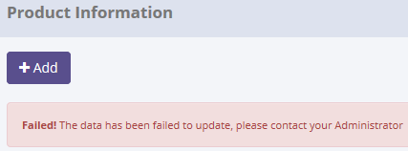

There are no new record on table Master_History
SELECT *
FROM [olss_prod].[dbo].[Master_History]
ORDER BY CreatedDate DESC;

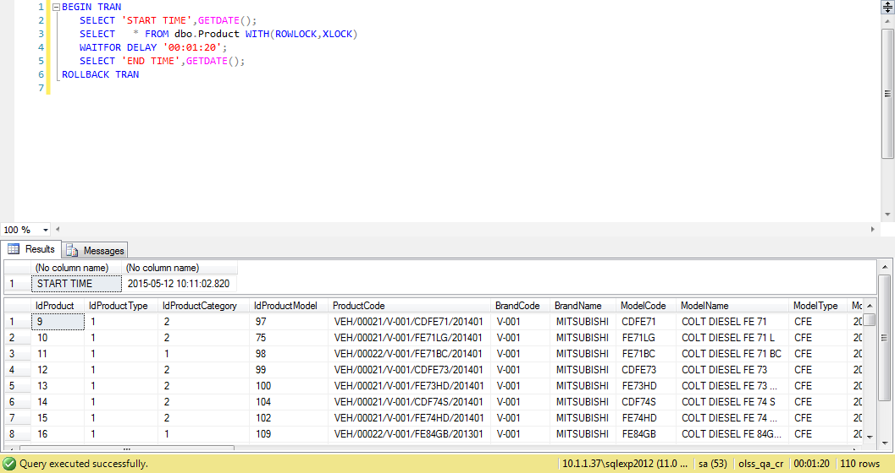
ProcessID | OriginalID | EntityName | Action | CreatedDate | CreatedBy
CAC03C20-C5E1-4B53-9DA3-80FFAE9A5515 | 116 | Product | Save Changes | 5/11/15 | Achmad Fardani
7EE2DF5A-81D7-4860-BD27-CD23FA536F8B | 11 | Supplier | Deactivate | 5/11/15 | Achmad Fardani
73B0BDF5-BB17-4911-B37A-D31CA232D389 | 19 | Supplier | Deactivate | 5/11/15 | Achmad Fardani
8E173429-4C2C-49AE-B905-B6D359D385F4 | 8 | Supplier | Set to Draft | 5/11/15 | Achmad Fardani
451DC54D-6A44-46BC-B592-F03263BE1CBE | 5315 | Supplier | Set to Draft | 5/11/15 | Achmad Fardani

Process Lock Table Product

Retry to Change BrandCode data with positive test

12.1 UAT
Try to "Submit" data, then data has been changed
SELECT *
FROM [olss_qa_cr].[dbo].[Product]
WHERE ProductCode ='VEH/00011/V-001/M12GXM/201201';

Before
IdProduct | IdProductType | IdProductCategory | IdProductModel | ProductCode | BrandCode | BrandName | ModelCode | ModelName | ModelType | ModelYear | IsNew | Grade | Transmission | DisPlacement | FuelType | RidingCapacity | MaxLoadingCapacity | VehicleWeight | GrossVehicleWeight | Length | Width | Height | WheelBase | EngineModel | SNTKRenewalCycle | KIRRenewalCycle | NumberOfBattery | BaterySize | NumberOfTire | FrontTireSize | RearTireSize | MaintenanceRateClass | InsuranceRateClass | IsActive | IsDraft | IsSubmit | IsDeleted | Remarks | CreateDate | CreateBy | LastModified | LastModifiedBy
33 | 1 | 6 | 2499 | VEH/00011/V-001/M12GXM/201201 | V-019 | PEUGEOT | P206TR | 206 TIPTRONIC | 206 | 40909 | NULL | 1A | F5MBD | 1.193 | GASOLINE | 5 | 3 | 830 | 1.28 | 3.71 | 1900-01-01 15:57:36 | 1.5 | 2.450dsfsd | 3A92 | 1 | NULL | 1 | 12 | 4 | NULL | NULL | NULL | NULL | 1 | 1 | 0 | 0 | NULL | 2014-10-30 18:10:35 | juanaidi didy | 2015-05-12 10:21:40 | Achmad Fardani

After
IdProduct | IdProductType | IdProductCategory | IdProductModel | ProductCode | BrandCode | BrandName | ModelCode | ModelName | ModelType | ModelYear | IsNew | Grade | Transmission | DisPlacement | FuelType | RidingCapacity | MaxLoadingCapacity | VehicleWeight | GrossVehicleWeight | Length | Width | Height | WheelBase | EngineModel | SNTKRenewalCycle | KIRRenewalCycle | NumberOfBattery | BaterySize | NumberOfTire | FrontTireSize | RearTireSize | MaintenanceRateClass | InsuranceRateClass | IsActive | IsDraft | IsSubmit | IsDeleted | Remarks | CreateDate | CreateBy | LastModified | LastModifiedBy
33 | 1 | 6 | 2499 | VEH/00011/V-001/M12GXM/201201 | V-019 | PEUGEOT | P206TR | 206 TIPTRONIC | 206 | 40909 | NULL | 1A | F5MBD | 1.193 | GASOLINE | 5 | 3 | 830 | 1.28 | 3.71 | 1900-01-01 15:57:36 | 1.5 | 2.450dsfsd | 3A92 | 1 | NULL | 1 | 12 | 4 | NULL | NULL | NULL | NULL | 1 | 0 | 1 | 0 | NULL | 2014-10-30 18:10:35 | juanaidi didy | 2015-05-12 10:28:04 | Achmad Fardani

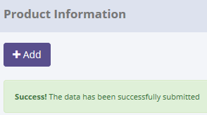
SELECT *
FROM [olss_prod].[dbo].[Master_History]
ORDER BY CreatedDate DESC;

ProcessID | OriginalID | EntityName | Action | CreatedDate | CreatedBy
0846BD72-A100-479B-A34D-0DAD86D3F5B9 | 33 | Product | Submit | 5/12/15 | Achmad Fardani
C4B63C01-9AB0-4881-8358-F1BD35160AD1 | 33 | Product | Save Changes | 5/12/15 | Achmad Fardani
9BD3B617-3916-423A-A1AC-7982FD00642B | 33 | Product | Save Changes | 5/12/15 | Achmad Fardani
CAC03C20-C5E1-4B53-9DA3-80FFAE9A5515 | 116 | Product | Save Changes | 5/11/15 | Achmad Fardani
7EE2DF5A-81D7-4860-BD27-CD23FA536F8B | 11 | Supplier | Deactivate | 5/11/15 | Achmad Fardani

SELECT *
FROM [olss_qa_cr].[dbo].[Master_History_Dtl]
WHERE ProcessID='0846BD72-A100-479B-A34D-0DAD86D3F5B9';

ProcessID | OldValue
0846BD72-A100-479B-A34D-0DAD86D3F5B9 | <Product xmlns="http://schemas.datacontract.org/2004/07/Dsf.Olss.Data.Entities" xmlns:i="http://www.w3.org/2001/XMLSchema-instance"><BaterySize>V-019</BaterySize><BrandCode i:nil="true" /><BrandName>PEUGEOT</BrandName><ConnId i:nil="true" /><CreateBy>juanaidi didy</CreateBy><CreateDate>2014-10-30T18:10:35.793</CreateDate><DisPlacement>1.193</DisPlacement><EngineModel>3A92</EngineModel><FrontTireSize i:nil="true" /><FuelType>GASOLINE</FuelType><Grade>1A</Grade><GrossVehicleWeight>1.280</GrossVehicleWeight><Height>1.500</Height><IdProduct>33</IdProduct><IdProductCategory>6</IdProductCategory><IdProductModel>2499</IdProductModel><IdProductType>1</IdProductType><InsuranceRateClass i:nil="true" /><IsActive>true</IsActive><IsDeleted>false</IsDeleted><IsDraft>true</IsDraft><IsNew i:nil="true" /><IsSubmit>false</IsSubmit><KIRRenewalCycle i:nil="true" /><LastModified>2015-05-12T10:21:40.21</LastModified><LastModifiedBy>Achmad Fardani</LastModifiedBy><Length>3.710</Length><MaintenanceRateClass i:nil="true" /><MaxLoadingCapacity>3</MaxLoadingCapacity><ModelCode>P206TR</ModelCode><ModelName>206 TIPTRONIC</ModelName><ModelType>206</ModelType><ModelYear>2012-01-01T00:00:00</ModelYear><NumberOfBattery>1</NumberOfBattery><NumberOfTire>4</NumberOfTire><ProductCategory i:nil="true" /><ProductCode>VEH/00011/V-001/M12GXM/201201</ProductCode><ProductModel i:nil="true" /><ProductType i:nil="true" /><RearTireSize i:nil="true" /><Remarks i:nil="true" /><RidingCapacity>5</RidingCapacity><SNTKRenewalCycle>1</SNTKRenewalCycle><Transmission>F5MBD</Transmission><VehicleWeight>830</VehicleWeight><WheelBase>2.450dsfsd</WheelBase><Width>1.665</Width></Product>

Invalid column, batterySize value should be on brand code column

12.2 UAT
Try to "Submit" data, but data hasn't been changed
SELECT *
FROM [olss_qa_cr].[dbo].[Product]
WHERE ProductCode='VEH/00012/V-001/L2EXCT/201301';

Before
IdProduct | IdProductType | IdProductCategory | IdProductModel | ProductCode | BrandCode | BrandName | ModelCode | ModelName | ModelType | ModelYear | IsNew | Grade | Transmission | DisPlacement | FuelType | RidingCapacity | MaxLoadingCapacity | VehicleWeight | GrossVehicleWeight | Length | Width | Height | WheelBase | EngineModel | SNTKRenewalCycle | KIRRenewalCycle | NumberOfBattery | BaterySize | NumberOfTire | FrontTireSize | RearTireSize | MaintenanceRateClass | InsuranceRateClass | IsActive | IsDraft | IsSubmit | IsDeleted | Remarks | CreateDate | CreateBy | LastModified | LastModifiedBy
43 | 1 | 4 | 3482 | VEH/00012/V-001/L2EXCT/201301 | V-001 | MITSUBISHI | L2EXCT | L200 STRADA E-2 DOUBLE CAB CR M/T - EXCEED TRITON | L20 | 41275 | NULL | NULL | V5MB1 | 2.477 | SOLAR / DIESEL | 4 | NULL | 1.895 | 2.85 | 5.115 | 1900-01-01 19:12:00 | 1.81 | 1900-01-03 00:00:00 | 4D56 | 1 | 6 | 1 | 12 | 4 | NULL | NULL | NULL | NULL | 1 | 1 | 0 | 0 | NULL | 2014-11-03 08:17:00 | juanaidi didy | 2014-11-03 08:28:23 | juanaidi didy

After
IdProduct | IdProductType | IdProductCategory | IdProductModel | ProductCode | BrandCode | BrandName | ModelCode | ModelName | ModelType | ModelYear | IsNew | Grade | Transmission | DisPlacement | FuelType | RidingCapacity | MaxLoadingCapacity | VehicleWeight | GrossVehicleWeight | Length | Width | Height | WheelBase | EngineModel | SNTKRenewalCycle | KIRRenewalCycle | NumberOfBattery | BaterySize | NumberOfTire | FrontTireSize | RearTireSize | MaintenanceRateClass | InsuranceRateClass | IsActive | IsDraft | IsSubmit | IsDeleted | Remarks | CreateDate | CreateBy | LastModified | LastModifiedBy
43 | 1 | 4 | 3482 | VEH/00012/V-001/L2EXCT/201301 | V-001 | MITSUBISHI | L2EXCT | L200 STRADA E-2 DOUBLE CAB CR M/T - EXCEED TRITON | L20 | 41275 | NULL | NULL | V5MB1 | 2.477 | SOLAR / DIESEL | 4 | NULL | 1.895 | 2.85 | 5.115 | 1900-01-01 19:12:00 | 1.81 | 1900-01-03 00:00:00 | 4D56 | 1 | 6 | 1 | 12 | 4 | NULL | NULL | NULL | NULL | 1 | 1 | 0 | 0 | NULL | 2014-11-03 08:17:00 | juanaidi didy | 2014-11-03 08:28:23 | juanaidi didy

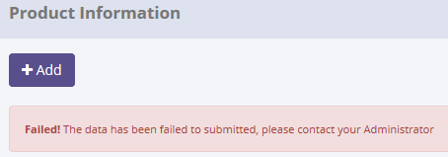

There are no new record on table Master_History
SELECT *
FROM [olss_prod].[dbo].[Master_History]
ORDER BY CreatedDate DESC;


ProcessID | OriginalID | EntityName | Action | CreatedDate | CreatedBy
0846BD72-A100-479B-A34D-0DAD86D3F5B9 | 33 | Product | Submit | 5/12/15 | Achmad Fardani
C4B63C01-9AB0-4881-8358-F1BD35160AD1 | 33 | Product | Save Changes | 5/12/15 | Achmad Fardani
9BD3B617-3916-423A-A1AC-7982FD00642B | 33 | Product | Save Changes | 5/12/15 | Achmad Fardani
CAC03C20-C5E1-4B53-9DA3-80FFAE9A5515 | 116 | Product | Save Changes | 5/11/15 | Achmad Fardani
7EE2DF5A-81D7-4860-BD27-CD23FA536F8B | 11 | Supplier | Deactivate | 5/11/15 | Achmad Fardani

Process Lock Table Product

Retry to Change BrandCode data with positive test

13.1 UAT
Try to "Activate" data, then data has been changed
SELECT *
FROM [olss_qa_cr].[dbo].[Product]
WHERE ProductCode ='VEH/00011/V-019/P206AT/201401';

Before
IdProduct | IdProductType | IdProductCategory | IdProductModel | ProductCode | BrandCode | BrandName | ModelCode | ModelName | ModelType | ModelYear | IsNew | Grade | Transmission | DisPlacement | FuelType | RidingCapacity | MaxLoadingCapacity | VehicleWeight | GrossVehicleWeight | Length | Width | Height | WheelBase | EngineModel | SNTKRenewalCycle | KIRRenewalCycle | NumberOfBattery | BaterySize | NumberOfTire | FrontTireSize | RearTireSize | MaintenanceRateClass | InsuranceRateClass | IsActive | IsDraft | IsSubmit | IsDeleted | Remarks | CreateDate | CreateBy | LastModified | LastModifiedBy
114 | 1 | 6 | 2497 | VEH/00011/V-019/P206AT/201401 | V-019 | PEUGEOT | P206AT | 206 A/T | 206 | 41640 | NULL | NULL | NULL | NULL | NULL | NULL | NULL | NULL | NULL | NULL | NULL | NULL | NULL | SUV | NULL | NULL | NULL | NULL | NULL | NULL | NULL | NULL | NULL | 1 | 0 | 1 | 0 | NULL | 2014-12-29 14:09:45 | Deny Prasetya | 2015-04-29 18:19:56 | Deny Prasetya

After
IdProduct | IdProductType | IdProductCategory | IdProductModel | ProductCode | BrandCode | BrandName | ModelCode | ModelName | ModelType | ModelYear | IsNew | Grade | Transmission | DisPlacement | FuelType | RidingCapacity | MaxLoadingCapacity | VehicleWeight | GrossVehicleWeight | Length | Width | Height | WheelBase | EngineModel | SNTKRenewalCycle | KIRRenewalCycle | NumberOfBattery | BaterySize | NumberOfTire | FrontTireSize | RearTireSize | MaintenanceRateClass | InsuranceRateClass | IsActive | IsDraft | IsSubmit | IsDeleted | Remarks | CreateDate | CreateBy | LastModified | LastModifiedBy
114 | 1 | 6 | 2497 | VEH/00011/V-019/P206AT/201401 | V-019 | PEUGEOT | P206AT | 206 A/T | 206 | 41640 | NULL | NULL | NULL | NULL | NULL | NULL | NULL | NULL | NULL | NULL | NULL | NULL | NULL | SUV | NULL | NULL | NULL | NULL | NULL | NULL | NULL | NULL | NULL | 1 | 0 | 0 | 0 | NULL | 2014-12-29 14:09:45 | Deny Prasetya | 2015-04-29 18:19:56 | Deny Prasetya

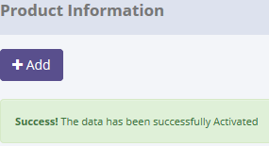
SELECT *
FROM [olss_prod].[dbo].[Master_History]
ORDER BY CreatedDate DESC;

ProcessID | OriginalID | EntityName | Action | CreatedDate | CreatedBy
022D44CE-DA18-4DA8-B046-8E653C4401BA | 114 | Product | Activate | 5/12/15 | Achmad Fardani
A87876DF-3BE1-438D-B415-9DF40DE4313D | 43 | Product | Submit | 5/12/15 | Achmad Fardani
0846BD72-A100-479B-A34D-0DAD86D3F5B9 | 33 | Product | Submit | 5/12/15 | Achmad Fardani
C4B63C01-9AB0-4881-8358-F1BD35160AD1 | 33 | Product | Save Changes | 5/12/15 | Achmad Fardani
9BD3B617-3916-423A-A1AC-7982FD00642B | 33 | Product | Save Changes | 5/12/15 | Achmad Fardani

SELECT *
FROM [olss_qa_cr].[dbo].[Master_History_Dtl]
WHERE ProcessID='022D44CE-DA18-4DA8-B046-8E653C4401BA';

ProcessID | OldValue
022D44CE-DA18-4DA8-B046-8E653C4401BA | <Product xmlns="http://schemas.datacontract.org/2004/07/Dsf.Olss.Data.Entities" xmlns:i="http://www.w3.org/2001/XMLSchema-instance"><BaterySize>V-019</BaterySize><BrandCode i:nil="true" /><BrandName>PEUGEOT</BrandName><ConnId i:nil="true" /><CreateBy>Deny Prasetya</CreateBy><CreateDate>2014-12-29T14:09:45.713</CreateDate><DisPlacement i:nil="true" /><EngineModel>SUV</EngineModel><FrontTireSize i:nil="true" /><FuelType i:nil="true" /><Grade i:nil="true" /><GrossVehicleWeight i:nil="true" /><Height i:nil="true" /><IdProduct>114</IdProduct><IdProductCategory>6</IdProductCategory><IdProductModel>2497</IdProductModel><IdProductType>1</IdProductType><InsuranceRateClass i:nil="true" /><IsActive>true</IsActive><IsDeleted>false</IsDeleted><IsDraft>false</IsDraft><IsNew i:nil="true" /><IsSubmit>true</IsSubmit><KIRRenewalCycle i:nil="true" /><LastModified>2015-04-29T18:19:56.163</LastModified><LastModifiedBy>Deny Prasetya</LastModifiedBy><Length i:nil="true" /><MaintenanceRateClass i:nil="true" /><MaxLoadingCapacity i:nil="true" /><ModelCode>P206AT</ModelCode><ModelName>206 A/T</ModelName><ModelType>206</ModelType><ModelYear>2014-01-01T00:00:00</ModelYear><NumberOfBattery i:nil="true" /><NumberOfTire i:nil="true" /><ProductCategory i:nil="true" /><ProductCode>VEH/00011/V-019/P206AT/201401</ProductCode><ProductModel i:nil="true" /><ProductType i:nil="true" /><RearTireSize i:nil="true" /><Remarks i:nil="true" /><RidingCapacity i:nil="true" /><SNTKRenewalCycle i:nil="true" /><Transmission i:nil="true" /><VehicleWeight i:nil="true" /><WheelBase i:nil="true" /><Width i:nil="true" /></Product>

Invalid column, batterySize value should be on brand code column

13.2 UAT
Try to "Activate" data, but data hasn't been changed
SELECT *
FROM [olss_qa_cr].[dbo].[Product]
WHERE ProductCode='VEH/00011/V-001/M12GXM/201201';

Before
IdProduct | IdProductType | IdProductCategory | IdProductModel | ProductCode | BrandCode | BrandName | ModelCode | ModelName | ModelType | ModelYear | IsNew | Grade | Transmission | DisPlacement | FuelType | RidingCapacity | MaxLoadingCapacity | VehicleWeight | GrossVehicleWeight | Length | Width | Height | WheelBase | EngineModel | SNTKRenewalCycle | KIRRenewalCycle | NumberOfBattery | BaterySize | NumberOfTire | FrontTireSize | RearTireSize | MaintenanceRateClass | InsuranceRateClass | IsActive | IsDraft | IsSubmit | IsDeleted | Remarks | CreateDate | CreateBy | LastModified | LastModifiedBy
33 | 1 | 6 | 2499 | VEH/00011/V-001/M12GXM/201201 | V-019 | PEUGEOT | P206TR | 206 TIPTRONIC | 206 | 40909 | NULL | 1A | F5MBD | 1.193 | GASOLINE | 5 | 3 | 830 | 1.28 | 3.71 | 1900-01-01 15:57:36 | 1.5 | 2.450dsfsd | 3A92 | 1 | NULL | 1 | 12 | 4 | NULL | NULL | NULL | NULL | 1 | 0 | 1 | 0 | NULL | 2014-10-30 18:10:35 | juanaidi didy | 2015-05-12 10:28:04 | Achmad Fardani

After
IdProduct | IdProductType | IdProductCategory | IdProductModel | ProductCode | BrandCode | BrandName | ModelCode | ModelName | ModelType | ModelYear | IsNew | Grade | Transmission | DisPlacement | FuelType | RidingCapacity | MaxLoadingCapacity | VehicleWeight | GrossVehicleWeight | Length | Width | Height | WheelBase | EngineModel | SNTKRenewalCycle | KIRRenewalCycle | NumberOfBattery | BaterySize | NumberOfTire | FrontTireSize | RearTireSize | MaintenanceRateClass | InsuranceRateClass | IsActive | IsDraft | IsSubmit | IsDeleted | Remarks | CreateDate | CreateBy | LastModified | LastModifiedBy
33 | 1 | 6 | 2499 | VEH/00011/V-001/M12GXM/201201 | V-019 | PEUGEOT | P206TR | 206 TIPTRONIC | 206 | 40909 | NULL | 1A | F5MBD | 1.193 | GASOLINE | 5 | 3 | 830 | 1.28 | 3.71 | 1900-01-01 15:57:36 | 1.5 | 2.450dsfsd | 3A92 | 1 | NULL | 1 | 12 | 4 | NULL | NULL | NULL | NULL | 1 | 0 | 1 | 0 | NULL | 2014-10-30 18:10:35 | juanaidi didy | 2015-05-12 10:28:04 | Achmad Fardani

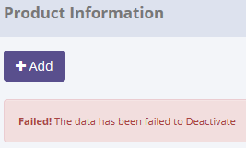
There are incorrect message. Please change Deactivate with Activate

There are no new record on table Master_History
SELECT *
FROM [olss_prod].[dbo].[Master_History]
ORDER BY CreatedDate DESC;


ProcessID | OriginalID | EntityName | Action | CreatedDate | CreatedBy
022D44CE-DA18-4DA8-B046-8E653C4401BA | 114 | Product | Activate | 5/12/15 | Achmad Fardani
A87876DF-3BE1-438D-B415-9DF40DE4313D | 43 | Product | Submit | 5/12/15 | Achmad Fardani
0846BD72-A100-479B-A34D-0DAD86D3F5B9 | 33 | Product | Submit | 5/12/15 | Achmad Fardani
C4B63C01-9AB0-4881-8358-F1BD35160AD1 | 33 | Product | Save Changes | 5/12/15 | Achmad Fardani
9BD3B617-3916-423A-A1AC-7982FD00642B | 33 | Product | Save Changes | 5/12/15 | Achmad Fardani

Process Lock Table Product

Retry to "Activate" data with positive test

14.1 UAT
Try to "Set to Draft" data, then data has been changed
SELECT *
FROM [olss_qa_cr].[dbo].[Product]
WHERE ProductCode ='VEH/00011/V-001/M12GXM/201201';

Before
IdProduct | IdProductType | IdProductCategory | IdProductModel | ProductCode | BrandCode | BrandName | ModelCode | ModelName | ModelType | ModelYear | IsNew | Grade | Transmission | DisPlacement | FuelType | RidingCapacity | MaxLoadingCapacity | VehicleWeight | GrossVehicleWeight | Length | Width | Height | WheelBase | EngineModel | SNTKRenewalCycle | KIRRenewalCycle | NumberOfBattery | BaterySize | NumberOfTire | FrontTireSize | RearTireSize | MaintenanceRateClass | InsuranceRateClass | IsActive | IsDraft | IsSubmit | IsDeleted | Remarks | CreateDate | CreateBy | LastModified | LastModifiedBy
33 | 1 | 6 | 2499 | VEH/00011/V-001/M12GXM/201201 | V-019 | PEUGEOT | P206TR | 206 TIPTRONIC | 206 | 40909 | NULL | 1A | F5MBD | 1.193 | GASOLINE | 5 | 3 | 830 | 1.28 | 3.71 | 1900-01-01 15:57:36 | 1.5 | 2.450dsfsd | 3A92 | 1 | NULL | 1 | 12 | 4 | NULL | NULL | NULL | NULL | 1 | 0 | 0 | 0 | NULL | 2014-10-30 18:10:35 | juanaidi didy | 2015-05-12 10:28:04 | Achmad Fardani

After
IdProduct | IdProductType | IdProductCategory | IdProductModel | ProductCode | BrandCode | BrandName | ModelCode | ModelName | ModelType | ModelYear | IsNew | Grade | Transmission | DisPlacement | FuelType | RidingCapacity | MaxLoadingCapacity | VehicleWeight | GrossVehicleWeight | Length | Width | Height | WheelBase | EngineModel | SNTKRenewalCycle | KIRRenewalCycle | NumberOfBattery | BaterySize | NumberOfTire | FrontTireSize | RearTireSize | MaintenanceRateClass | InsuranceRateClass | IsActive | IsDraft | IsSubmit | IsDeleted | Remarks | CreateDate | CreateBy | LastModified | LastModifiedBy
33 | 1 | 6 | 2499 | VEH/00011/V-001/M12GXM/201201 | V-019 | PEUGEOT | P206TR | 206 TIPTRONIC | 206 | 40909 | NULL | 1A | F5MBD | 1.193 | GASOLINE | 5 | 3 | 830 | 1.28 | 3.71 | 1900-01-01 15:57:36 | 1.5 | 2.450dsfsd | 3A92 | 1 | NULL | 1 | 12 | 4 | NULL | NULL | NULL | NULL | 1 | 1 | 0 | 0 | NULL | 2014-10-30 18:10:35 | juanaidi didy | 2015-05-12 10:28:04 | Achmad Fardani

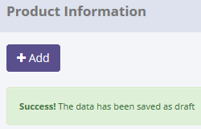
SELECT *
FROM [olss_prod].[dbo].[Master_History]
ORDER BY CreatedDate DESC;

ProcessID | OriginalID | EntityName | Action | CreatedDate | CreatedBy
3D052AF9-3CE6-444E-ADB5-3F6E0BEFF942 | 33 | Product | Set to Draft | 5/12/15 | Achmad Fardani
E3BA279C-0620-4197-95FA-0178D079E748 | 33 | Product | Activate | 5/12/15 | Achmad Fardani
022D44CE-DA18-4DA8-B046-8E653C4401BA | 114 | Product | Activate | 5/12/15 | Achmad Fardani
A87876DF-3BE1-438D-B415-9DF40DE4313D | 43 | Product | Submit | 5/12/15 | Achmad Fardani
0846BD72-A100-479B-A34D-0DAD86D3F5B9 | 33 | Product | Submit | 5/12/15 | Achmad Fardani

SELECT *
FROM [olss_qa_cr].[dbo].[Master_History_Dtl]
WHERE ProcessID='3D052AF9-3CE6-444E-ADB5-3F6E0BEFF942';

ProcessID | OldValue
3D052AF9-3CE6-444E-ADB5-3F6E0BEFF942 | <Product xmlns="http://schemas.datacontract.org/2004/07/Dsf.Olss.Data.Entities" xmlns:i="http://www.w3.org/2001/XMLSchema-instance"><BaterySize>V-019</BaterySize><BrandCode i:nil="true" /><BrandName>PEUGEOT</BrandName><ConnId i:nil="true" /><CreateBy>juanaidi didy</CreateBy><CreateDate>2014-10-30T18:10:35.793</CreateDate><DisPlacement>1.193</DisPlacement><EngineModel>3A92</EngineModel><FrontTireSize i:nil="true" /><FuelType>GASOLINE</FuelType><Grade>1A</Grade><GrossVehicleWeight>1.280</GrossVehicleWeight><Height>1.500</Height><IdProduct>33</IdProduct><IdProductCategory>6</IdProductCategory><IdProductModel>2499</IdProductModel><IdProductType>1</IdProductType><InsuranceRateClass i:nil="true" /><IsActive>true</IsActive><IsDeleted>false</IsDeleted><IsDraft>false</IsDraft><IsNew i:nil="true" /><IsSubmit>false</IsSubmit><KIRRenewalCycle i:nil="true" /><LastModified>2015-05-12T10:28:04.757</LastModified><LastModifiedBy>Achmad Fardani</LastModifiedBy><Length>3.710</Length><MaintenanceRateClass i:nil="true" /><MaxLoadingCapacity>3</MaxLoadingCapacity><ModelCode>P206TR</ModelCode><ModelName>206 TIPTRONIC</ModelName><ModelType>206</ModelType><ModelYear>2012-01-01T00:00:00</ModelYear><NumberOfBattery>1</NumberOfBattery><NumberOfTire>4</NumberOfTire><ProductCategory i:nil="true" /><ProductCode>VEH/00011/V-001/M12GXM/201201</ProductCode><ProductModel i:nil="true" /><ProductType i:nil="true" /><RearTireSize i:nil="true" /><Remarks i:nil="true" /><RidingCapacity>5</RidingCapacity><SNTKRenewalCycle>1</SNTKRenewalCycle><Transmission>F5MBD</Transmission><VehicleWeight>830</VehicleWeight><WheelBase>2.450dsfsd</WheelBase><Width>1.665</Width></Product>

Invalid column, batterySize value should be on brand code column

14.2 UAT
Try to "Set to Draft" data, but data hasn't been changed
SELECT *
FROM [olss_qa_cr].[dbo].[Product]
WHERE ProductCode='VEH/00011/V-002/C25GAT/201401';

Before
IdProduct | IdProductType | IdProductCategory | IdProductModel | ProductCode | BrandCode | BrandName | ModelCode | ModelName | ModelType | ModelYear | IsNew | Grade | Transmission | DisPlacement | FuelType | RidingCapacity | MaxLoadingCapacity | VehicleWeight | GrossVehicleWeight | Length | Width | Height | WheelBase | EngineModel | SNTKRenewalCycle | KIRRenewalCycle | NumberOfBattery | BaterySize | NumberOfTire | FrontTireSize | RearTireSize | MaintenanceRateClass | InsuranceRateClass | IsActive | IsDraft | IsSubmit | IsDeleted | Remarks | CreateDate | CreateBy | LastModified | LastModifiedBy
79 | 1 | 6 | 2146 | VEH/00011/V-002/C25GAT/201401 | V-002 | TOYOTA | C25GAT | CAMRY 2.5 G A/T | CMR | 41640 | NULL | NULL | 6 speed AT Sequential | 2.494 | GASOLINE | 5 | NULL | 1.465 | NULL | 4.825 | NULL | NULL | 1900-01-02 18:36:00 | 2AR-FE, IL4, 16- Valve, DOHC, Dual VVT-i | 1 | NULL | 1 | 12 | 4 | NULL | NULL | NULL | NULL | 1 | 0 | 0 | 0 | NULL | 2014-12-19 15:50:26 | Juanaidi Didy | 2014-12-19 15:55:02 | Juanaidi Didy

After
IdProduct | IdProductType | IdProductCategory | IdProductModel | ProductCode | BrandCode | BrandName | ModelCode | ModelName | ModelType | ModelYear | IsNew | Grade | Transmission | DisPlacement | FuelType | RidingCapacity | MaxLoadingCapacity | VehicleWeight | GrossVehicleWeight | Length | Width | Height | WheelBase | EngineModel | SNTKRenewalCycle | KIRRenewalCycle | NumberOfBattery | BaterySize | NumberOfTire | FrontTireSize | RearTireSize | MaintenanceRateClass | InsuranceRateClass | IsActive | IsDraft | IsSubmit | IsDeleted | Remarks | CreateDate | CreateBy | LastModified | LastModifiedBy
79 | 1 | 6 | 2146 | VEH/00011/V-002/C25GAT/201401 | V-002 | TOYOTA | C25GAT | CAMRY 2.5 G A/T | CMR | 41640 | NULL | NULL | 6 speed AT Sequential | 2.494 | GASOLINE | 5 | NULL | 1.465 | NULL | 4.825 | NULL | NULL | 1900-01-02 18:36:00 | 2AR-FE, IL4, 16- Valve, DOHC, Dual VVT-i | 1 | NULL | 1 | 12 | 4 | NULL | NULL | NULL | NULL | 1 | 0 | 0 | 0 | NULL | 2014-12-19 15:50:26 | Juanaidi Didy | 2014-12-19 15:55:02 | Juanaidi Didy



There are no new record on table Master_History
SELECT *
FROM [olss_prod].[dbo].[Master_History]
ORDER BY CreatedDate DESC;


ProcessID | OriginalID | EntityName | Action | CreatedDate | CreatedBy
3D052AF9-3CE6-444E-ADB5-3F6E0BEFF942 | 33 | Product | Set to Draft | 5/12/15 | Achmad Fardani
E3BA279C-0620-4197-95FA-0178D079E748 | 33 | Product | Activate | 5/12/15 | Achmad Fardani
022D44CE-DA18-4DA8-B046-8E653C4401BA | 114 | Product | Activate | 5/12/15 | Achmad Fardani
A87876DF-3BE1-438D-B415-9DF40DE4313D | 43 | Product | Submit | 5/12/15 | Achmad Fardani
0846BD72-A100-479B-A34D-0DAD86D3F5B9 | 33 | Product | Submit | 5/12/15 | Achmad Fardani

Process Lock Table Product

Retry to "Set to Draft" data with positive test

15.1 UAT
Try to "Deactivate" data, then data has been changed
SELECT *
FROM [olss_qa_cr].[dbo].[Product]
WHERE ProductCode ='VEH/00012/V-001/OLGLSA/201304';

Before
IdProduct | IdProductType | IdProductCategory | IdProductModel | ProductCode | BrandCode | BrandName | ModelCode | ModelName | ModelType | ModelYear | IsNew | Grade | Transmission | DisPlacement | FuelType | RidingCapacity | MaxLoadingCapacity | VehicleWeight | GrossVehicleWeight | Length | Width | Height | WheelBase | EngineModel | SNTKRenewalCycle | KIRRenewalCycle | NumberOfBattery | BaterySize | NumberOfTire | FrontTireSize | RearTireSize | MaintenanceRateClass | InsuranceRateClass | IsActive | IsDraft | IsSubmit | IsDeleted | Remarks | CreateDate | CreateBy | LastModified | LastModifiedBy
37 | 1 | 4 | 1062 | VEH/00012/V-001/OLGLSA/201304 | V-001 | MITSUBISHI | OLGLSA | OUTLANDER SPORT GLS (4X2) A/T | OTL | 41365 | NULL | NULL | CVT INVECS III | 1.998 | GASOLINE | 5 | NULL | 1.4 | 1.97 | 4.3 | 1900-01-01 19:12:00 | 1.625 | 1900-01-02 16:04:48 | 4B11 | 1 | NULL | 1 | 12 | 4 | NULL | NULL | NULL | NULL | 1 | 0 | 0 | 0 | NULL | 2014-10-31 08:17:04 | juanaidi didy | 2014-11-03 08:34:08 | juanaidi didy

After
IdProduct | IdProductType | IdProductCategory | IdProductModel | ProductCode | BrandCode | BrandName | ModelCode | ModelName | ModelType | ModelYear | IsNew | Grade | Transmission | DisPlacement | FuelType | RidingCapacity | MaxLoadingCapacity | VehicleWeight | GrossVehicleWeight | Length | Width | Height | WheelBase | EngineModel | SNTKRenewalCycle | KIRRenewalCycle | NumberOfBattery | BaterySize | NumberOfTire | FrontTireSize | RearTireSize | MaintenanceRateClass | InsuranceRateClass | IsActive | IsDraft | IsSubmit | IsDeleted | Remarks | CreateDate | CreateBy | LastModified | LastModifiedBy
37 | 1 | 4 | 1062 | VEH/00012/V-001/OLGLSA/201304 | V-001 | MITSUBISHI | OLGLSA | OUTLANDER SPORT GLS (4X2) A/T | OTL | 41365 | NULL | NULL | CVT INVECS III | 1.998 | GASOLINE | 5 | NULL | 1.4 | 1.97 | 4.3 | 1900-01-01 19:12:00 | 1.625 | 1900-01-02 16:04:48 | 4B11 | 1 | NULL | 1 | 12 | 4 | NULL | NULL | NULL | NULL | 0 | 0 | 0 | 0 | NULL | 2014-10-31 08:17:04 | juanaidi didy | 2014-11-03 08:34:08 | juanaidi didy

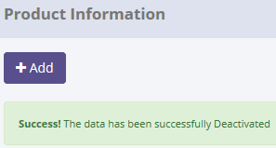
SELECT *
FROM [olss_prod].[dbo].[Master_History]
ORDER BY CreatedDate DESC;

ProcessID | OriginalID | EntityName | Action | CreatedDate | CreatedBy
489B24C4-2270-4A96-A18D-9E0B1329B144 | 37 | Product | Deactivate | 5/12/15 | Achmad Fardani
2B865171-2FDA-436B-B3ED-D4FCF6ED8F5A | 79 | Product | Set to Draft | 5/12/15 | Achmad Fardani
3D052AF9-3CE6-444E-ADB5-3F6E0BEFF942 | 33 | Product | Set to Draft | 5/12/15 | Achmad Fardani
E3BA279C-0620-4197-95FA-0178D079E748 | 33 | Product | Activate | 5/12/15 | Achmad Fardani
022D44CE-DA18-4DA8-B046-8E653C4401BA | 114 | Product | Activate | 5/12/15 | Achmad Fardani

SELECT *
FROM [olss_qa_cr].[dbo].[Master_History_Dtl]
WHERE ProcessID='489B24C4-2270-4A96-A18D-9E0B1329B144';

ProcessID | OldValue
489B24C4-2270-4A96-A18D-9E0B1329B144 | <Product xmlns="http://schemas.datacontract.org/2004/07/Dsf.Olss.Data.Entities" xmlns:i="http://www.w3.org/2001/XMLSchema-instance"><BaterySize>V-001</BaterySize><BrandCode i:nil="true" /><BrandName>MITSUBISHI</BrandName><ConnId i:nil="true" /><CreateBy>juanaidi didy</CreateBy><CreateDate>2014-10-31T08:17:04.597</CreateDate><DisPlacement>1.998</DisPlacement><EngineModel>4B11</EngineModel><FrontTireSize i:nil="true" /><FuelType>GASOLINE</FuelType><Grade i:nil="true" /><GrossVehicleWeight>1.970</GrossVehicleWeight><Height>1.625</Height><IdProduct>37</IdProduct><IdProductCategory>4</IdProductCategory><IdProductModel>1062</IdProductModel><IdProductType>1</IdProductType><InsuranceRateClass i:nil="true" /><IsActive>true</IsActive><IsDeleted>false</IsDeleted><IsDraft>false</IsDraft><IsNew i:nil="true" /><IsSubmit>false</IsSubmit><KIRRenewalCycle i:nil="true" /><LastModified>2014-11-03T08:34:08.343</LastModified><LastModifiedBy>juanaidi didy</LastModifiedBy><Length>4.300</Length><MaintenanceRateClass i:nil="true" /><MaxLoadingCapacity i:nil="true" /><ModelCode>OLGLSA</ModelCode><ModelName>OUTLANDER SPORT GLS (4X2) A/T</ModelName><ModelType>OTL </ModelType><ModelYear>2013-04-01T00:00:00</ModelYear><NumberOfBattery>1</NumberOfBattery><NumberOfTire>4</NumberOfTire><ProductCategory i:nil="true" /><ProductCode>VEH/00012/V-001/OLGLSA/201304</ProductCode><ProductModel i:nil="true" /><ProductType i:nil="true" /><RearTireSize i:nil="true" /><Remarks i:nil="true" /><RidingCapacity>5</RidingCapacity><SNTKRenewalCycle>1</SNTKRenewalCycle><Transmission>CVT INVECS III</Transmission><VehicleWeight>1.400</VehicleWeight><WheelBase>2.670</WheelBase><Width>1.800</Width></Product>

Invalid column, batterySize value should be on brand code column

15.2 UAT
Try to "Deactivate" data, but data hasn't been changed
SELECT *
FROM [olss_qa_cr].[dbo].[Product]
WHERE ProductCode='VEH/00012/V-001/OLGLXM/201304';

Before
IdProduct | IdProductType | IdProductCategory | IdProductModel | ProductCode | BrandCode | BrandName | ModelCode | ModelName | ModelType | ModelYear | IsNew | Grade | Transmission | DisPlacement | FuelType | RidingCapacity | MaxLoadingCapacity | VehicleWeight | GrossVehicleWeight | Length | Width | Height | WheelBase | EngineModel | SNTKRenewalCycle | KIRRenewalCycle | NumberOfBattery | BaterySize | NumberOfTire | FrontTireSize | RearTireSize | MaintenanceRateClass | InsuranceRateClass | IsActive | IsDraft | IsSubmit | IsDeleted | Remarks | CreateDate | CreateBy | LastModified | LastModifiedBy
36 | 1 | 4 | 1063 | VEH/00012/V-001/OLGLXM/201304 | V-001 | MITSUBISHI | OLGLXM | OUTLANDER SPORT GLX (4X2) M/T | OTL | 41365 | NULL | NULL | MT 5 SPEED | 1.998 | GASOLINE | 5 | NULL | 1.38 | 1.97 | 4.3 | 1900-01-01 19:12:00 | 1.625 | 1900-01-02 16:04:48 | 4B11 | 1 | NULL | 1 | 12 | 4 | NULL | NULL | NULL | NULL | 1 | 0 | 0 | 0 | NULL | 2014-10-31 08:13:24 | juanaidi didy | 2014-11-03 08:33:27 | juanaidi didy

After
IdProduct | IdProductType | IdProductCategory | IdProductModel | ProductCode | BrandCode | BrandName | ModelCode | ModelName | ModelType | ModelYear | IsNew | Grade | Transmission | DisPlacement | FuelType | RidingCapacity | MaxLoadingCapacity | VehicleWeight | GrossVehicleWeight | Length | Width | Height | WheelBase | EngineModel | SNTKRenewalCycle | KIRRenewalCycle | NumberOfBattery | BaterySize | NumberOfTire | FrontTireSize | RearTireSize | MaintenanceRateClass | InsuranceRateClass | IsActive | IsDraft | IsSubmit | IsDeleted | Remarks | CreateDate | CreateBy | LastModified | LastModifiedBy
36 | 1 | 4 | 1063 | VEH/00012/V-001/OLGLXM/201304 | V-001 | MITSUBISHI | OLGLXM | OUTLANDER SPORT GLX (4X2) M/T | OTL | 41365 | NULL | NULL | MT 5 SPEED | 1.998 | GASOLINE | 5 | NULL | 1.38 | 1.97 | 4.3 | 1900-01-01 19:12:00 | 1.625 | 1900-01-02 16:04:48 | 4B11 | 1 | NULL | 1 | 12 | 4 | NULL | NULL | NULL | NULL | 1 | 0 | 0 | 0 | NULL | 2014-10-31 08:13:24 | juanaidi didy | 2014-11-03 08:33:27 | juanaidi didy

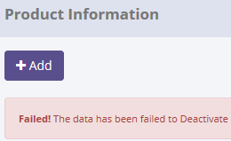

There are no new record on table Master_History
SELECT *
FROM [olss_prod].[dbo].[Master_History]
ORDER BY CreatedDate DESC;


ProcessID | OriginalID | EntityName | Action | CreatedDate | CreatedBy
489B24C4-2270-4A96-A18D-9E0B1329B144 | 37 | Product | Deactivate | 2015-05-12 11:01:54 | Achmad Fardani
2B865171-2FDA-436B-B3ED-D4FCF6ED8F5A | 79 | Product | Set to Draft | 2015-05-12 10:59:41 | Achmad Fardani
3D052AF9-3CE6-444E-ADB5-3F6E0BEFF942 | 33 | Product | Set to Draft | 2015-05-12 10:53:16 | Achmad Fardani
E3BA279C-0620-4197-95FA-0178D079E748 | 33 | Product | Activate | 2015-05-12 10:51:14 | Achmad Fardani
022D44CE-DA18-4DA8-B046-8E653C4401BA | 114 | Product | Activate | 2015-05-12 10:40:53 | Achmad Fardani

Process Lock Table Product

Retry to "Deactivate" data with positive test

16.1 UAT
Try to change value "IdRole" data, then data has been changed
SELECT *
FROM [olss_qa_cr].[dbo].[User]
WHERE UserName='Agus Slamet';

Before
IdUser | IdRole | UserName | Password | Remarks | CreateDate | CreateBy | LastModified | LastModifiedBy | Status | IsDraft | IsSubmit | IsActive | IsDeleted
36 | 4 | Agus Slamet | NULL | NBD Member Testing | 2014-12-01 10:54:23 | deny prasetya | 2015-05-12 11:18:59 | Achmad Fardani | NULL | 1 | 0 | 1 | 0

After
IdUser | IdRole | UserName | Password | Remarks | CreateDate | CreateBy | LastModified | LastModifiedBy | Status | IsDraft | IsSubmit | IsActive | IsDeleted
36 | 3 | Agus Slamet | NULL | NBD Member Testing | 2014-12-01 10:54:23 | deny prasetya | 2015-05-12 11:21:43 | Achmad Fardani | NULL | 1 | 0 | 1 | 0

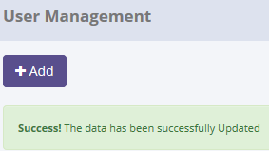
SELECT *
FROM [olss_prod].[dbo].[Master_History]
ORDER BY CreatedDate DESC;

ProcessID | OriginalID | EntityName | Action | CreatedDate | CreatedBy
F15309AE-A78C-40B3-9E6B-E9B5D50F21C8 | 36 | User | Save Changes | 5/12/15 | Achmad Fardani
BFCE8D5F-6557-48D2-B709-C8D786C49695 | 36 | User | Save Changes | 5/12/15 | Achmad Fardani
2A2C4717-AD78-4702-AFF1-902BD2941107 | 36 | Product | Deactivate | 5/12/15 | Achmad Fardani
489B24C4-2270-4A96-A18D-9E0B1329B144 | 37 | Product | Deactivate | 5/12/15 | Achmad Fardani
2B865171-2FDA-436B-B3ED-D4FCF6ED8F5A | 79 | Product | Set to Draft | 5/12/15 | Achmad Fardani

SELECT *
FROM [olss_qa_cr].[dbo].[Master_History_Dtl]
WHERE ProcessID='F15309AE-A78C-40B3-9E6B-E9B5D50F21C8';

ProcessID | OldValue
F15309AE-A78C-40B3-9E6B-E9B5D50F21C8 | <User xmlns="http://schemas.datacontract.org/2004/07/Dsf.Olss.Data.Entities" xmlns:i="http://www.w3.org/2001/XMLSchema-instance"><CreateBy>deny prasetya</CreateBy><CreateDate>2014-12-01T10:54:23.677</CreateDate><IdRole>4</IdRole><IdUser>36</IdUser><IsActive>true</IsActive><IsDeleted>false</IsDeleted><IsDraft>true</IsDraft><IsSubmit>false</IsSubmit><LastModified>2015-05-12T11:18:59.78</LastModified><LastModifiedBy>Achmad Fardani</LastModifiedBy><Password i:nil="true" /><Remarks>NBD Member Testing</Remarks><Role i:nil="true" /><Status i:nil="true" /><UserName>Agus Slamet</UserName></User>

16.2 UAT
Try to change value Role, but data hasn't been changed
SELECT *
FROM [olss_qa_cr].[dbo].[User]
WHERE UserName='Hansen Hernando';

Before
IdUser | IdRole | UserName | Password | Remarks | CreateDate | CreateBy | LastModified | LastModifiedBy | Status | IsDraft | IsSubmit | IsActive | IsDeleted
22 | 4 | Hansen Hernando | NULL | NBD Member | 2014-09-30 08:52:08 | Deny Prasetya | NULL | NULL | NULL | 1 | 0:00:00 | 1 | 0

After
IdUser | IdRole | UserName | Password | Remarks | CreateDate | CreateBy | LastModified | LastModifiedBy | Status | IsDraft | IsSubmit | IsActive | IsDeleted
22 | 4 | Hansen Hernando | NULL | NBD Member | 2014-09-30 08:52:08 | Deny Prasetya | NULL | NULL | NULL | 1 | 0:00:00 | 1 | 0

There are no new record on table Master_History
SELECT *
FROM [olss_prod].[dbo].[Master_History]
ORDER BY CreatedDate DESC;

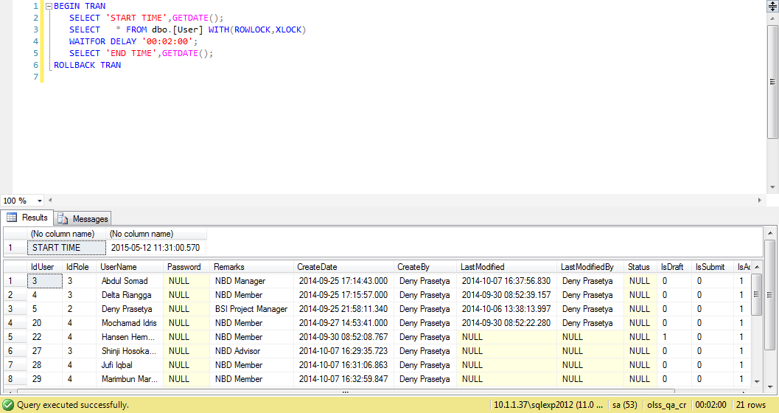
ProcessID | OriginalID | EntityName | Action | CreatedDate | CreatedBy
F15309AE-A78C-40B3-9E6B-E9B5D50F21C8 | 36 | User | Save Changes | 5/12/15 | Achmad Fardani
BFCE8D5F-6557-48D2-B709-C8D786C49695 | 36 | User | Save Changes | 5/12/15 | Achmad Fardani
2A2C4717-AD78-4702-AFF1-902BD2941107 | 36 | Product | Deactivate | 5/12/15 | Achmad Fardani
489B24C4-2270-4A96-A18D-9E0B1329B144 | 37 | Product | Deactivate | 5/12/15 | Achmad Fardani
2B865171-2FDA-436B-B3ED-D4FCF6ED8F5A | 79 | Product | Set to Draft | 5/12/15 | Achmad Fardani

Process Lock Table User

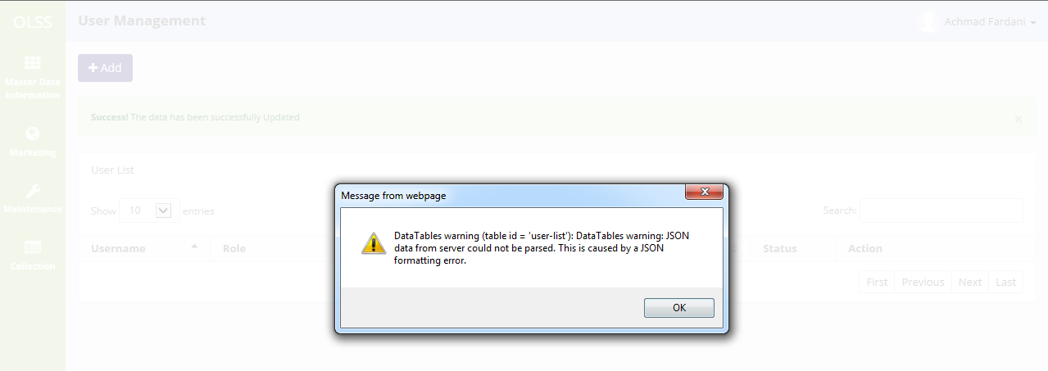

Invalid message of exception

Retry to save changes data with positive test

17.1 UAT
Try to "Submit" data, then data has been changed
SELECT *
FROM [olss_qa_cr].[dbo].[User]
WHERE UserName='Agus Slamet';

Before
IdUser | IdRole | UserName | Password | Remarks | CreateDate | CreateBy | LastModified | LastModifiedBy | Status | IsDraft | IsSubmit | IsActive | IsDeleted
36 | 3 | Agus Slamet | NULL | NBD Member Testing | 2014-12-01 10:54:23 | deny prasetya | 2015-05-12 11:21:43 | Achmad Fardani | NULL | 1 | 0 | 1 | 0

After
IdUser | IdRole | UserName | Password | Remarks | CreateDate | CreateBy | LastModified | LastModifiedBy | Status | IsDraft | IsSubmit | IsActive | IsDeleted
36 | 3 | Agus Slamet | NULL | NBD Member Testing | 2014-12-01 10:54:23 | deny prasetya | 2015-05-12 11:38:06 | Achmad Fardani | NULL | 0 | 1 | 1 | 0

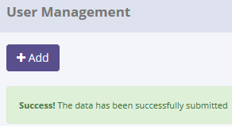
SELECT *
FROM [olss_prod].[dbo].[Master_History]
ORDER BY CreatedDate DESC;

ProcessID | OriginalID | EntityName | Action | CreatedDate | CreatedBy
2C937622-E2F1-4CE8-882A-C511E0DF64C5 | 36 | User | Submit | 5/12/15 | Achmad Fardani
32B25F06-0545-475D-BD15-E7F514EC149B | 22 | User | Save Changes | 5/12/15 | Achmad Fardani
F15309AE-A78C-40B3-9E6B-E9B5D50F21C8 | 36 | User | Save Changes | 5/12/15 | Achmad Fardani
BFCE8D5F-6557-48D2-B709-C8D786C49695 | 36 | User | Save Changes | 5/12/15 | Achmad Fardani
2A2C4717-AD78-4702-AFF1-902BD2941107 | 36 | Product | Deactivate | 5/12/15 | Achmad Fardani

SELECT *
FROM [olss_qa_cr].[dbo].[Master_History_Dtl]
WHERE ProcessID='2C937622-E2F1-4CE8-882A-C511E0DF64C5';

ProcessID | OldValue
2C937622-E2F1-4CE8-882A-C511E0DF64C5 | <User xmlns="http://schemas.datacontract.org/2004/07/Dsf.Olss.Data.Entities" xmlns:i="http://www.w3.org/2001/XMLSchema-instance"><CreateBy>deny prasetya</CreateBy><CreateDate>2014-12-01T10:54:23.677</CreateDate><IdRole>3</IdRole><IdUser>36</IdUser><IsActive>true</IsActive><IsDeleted>false</IsDeleted><IsDraft>true</IsDraft><IsSubmit>false</IsSubmit><LastModified>2015-05-12T11:21:43.887</LastModified><LastModifiedBy>Achmad Fardani</LastModifiedBy><Password i:nil="true" /><Remarks>NBD Member Testing</Remarks><Role i:nil="true" /><Status i:nil="true" /><UserName>Agus Slamet</UserName></User>

17.2 UAT
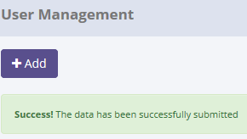
Try to "Submit" data, but data hasn't been changed
SELECT *
FROM [olss_qa_cr].[dbo].[User]
WHERE UserName='Hansen Hernando';

Before
IdUser | IdRole | UserName | Password | Remarks | CreateDate | CreateBy | LastModified | LastModifiedBy | Status | IsDraft | IsSubmit | IsActive | IsDeleted
22 | 2 | Hansen Hernando | NULL | NBD Member | 2014-09-30 08:52:08 | Deny Prasetya | 2015-05-12 11:36:09 | Achmad Fardani | NULL | 1 | 0 | 1 | 0

After
IdUser | IdRole | UserName | Password | Remarks | CreateDate | CreateBy | LastModified | LastModifiedBy | Status | IsDraft | IsSubmit | IsActive | IsDeleted
22 | 2 | Hansen Hernando | NULL | NBD Member | 2014-09-30 08:52:08 | Deny Prasetya | 2015-05-12 11:36:09 | Achmad Fardani | NULL | 1 | 0 | 1 | 0

There are no new record on table Master_History
SELECT *
FROM [olss_prod].[dbo].[Master_History]
ORDER BY CreatedDate DESC;

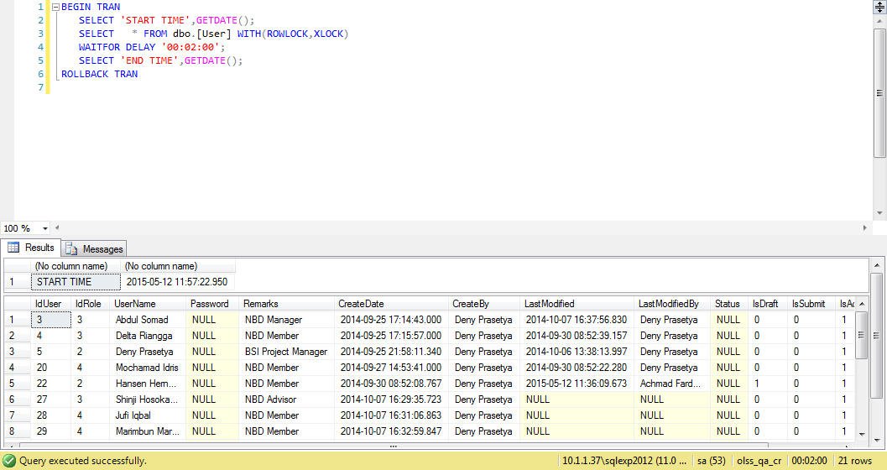
ProcessID | OriginalID | EntityName | Action | CreatedDate | CreatedBy
2C937622-E2F1-4CE8-882A-C511E0DF64C5 | 36 | User | Submit | 5/12/15 | Achmad Fardani
32B25F06-0545-475D-BD15-E7F514EC149B | 22 | User | Save Changes | 5/12/15 | Achmad Fardani
F15309AE-A78C-40B3-9E6B-E9B5D50F21C8 | 36 | User | Save Changes | 5/12/15 | Achmad Fardani
BFCE8D5F-6557-48D2-B709-C8D786C49695 | 36 | User | Save Changes | 5/12/15 | Achmad Fardani
2A2C4717-AD78-4702-AFF1-902BD2941107 | 36 | Product | Deactivate | 5/12/15 | Achmad Fardani

Process Lock Table User

Invalid message of exception

Retry to "Submit" data with positive test

18.1 UAT
Try to "Activate" data, then data has been changed
SELECT *
FROM [olss_qa_cr].[dbo].[User]
WHERE UserName='Agus Slamet';

Before
IdUser | IdRole | UserName | Password | Remarks | CreateDate | CreateBy | LastModified | LastModifiedBy | Status | IsDraft | IsSubmit | IsActive | IsDeleted
36 | 3 | Agus Slamet | NULL | NBD Member Testing | 2014-12-01 10:54:23 | deny prasetya | 2015-05-12 11:38:06 | Achmad Fardani | NULL | 0 | 1 | 1 | 0

After
IdUser | IdRole | UserName | Password | Remarks | CreateDate | CreateBy | LastModified | LastModifiedBy | Status | IsDraft | IsSubmit | IsActive | IsDeleted
36 | 3 | Agus Slamet | NULL | NBD Member Testing | 2014-12-01 10:54:23 | deny prasetya | 2015-05-12 11:38:06 | Achmad Fardani | NULL | 0 | 0 | 1 | 0

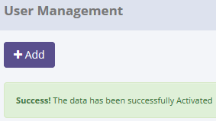
SELECT *
FROM [olss_prod].[dbo].[Master_History]
ORDER BY CreatedDate DESC;

ProcessID | OriginalID | EntityName | Action | CreatedDate | CreatedBy
C50F3145-3D64-4832-B115-BA250A5ACD5B | 36 | User | Activate | 5/12/15 | Achmad Fardani
337834A7-FF79-4D83-9285-3A4D7F6CB5F1 | 22 | User | Submit | 5/12/15 | Achmad Fardani
2C937622-E2F1-4CE8-882A-C511E0DF64C5 | 36 | User | Submit | 5/12/15 | Achmad Fardani
32B25F06-0545-475D-BD15-E7F514EC149B | 22 | User | Save Changes | 5/12/15 | Achmad Fardani
F15309AE-A78C-40B3-9E6B-E9B5D50F21C8 | 36 | User | Save Changes | 5/12/15 | Achmad Fardani

SELECT *
FROM [olss_qa_cr].[dbo].[Master_History_Dtl]
WHERE ProcessID='C50F3145-3D64-4832-B115-BA250A5ACD5B';

ProcessID | OldValue
C50F3145-3D64-4832-B115-BA250A5ACD5B | <User xmlns="http://schemas.datacontract.org/2004/07/Dsf.Olss.Data.Entities" xmlns:i="http://www.w3.org/2001/XMLSchema-instance"><CreateBy>deny prasetya</CreateBy><CreateDate>2014-12-01T10:54:23.677</CreateDate><IdRole>3</IdRole><IdUser>36</IdUser><IsActive>true</IsActive><IsDeleted>false</IsDeleted><IsDraft>false</IsDraft><IsSubmit>true</IsSubmit><LastModified>2015-05-12T11:38:06.163</LastModified><LastModifiedBy>Achmad Fardani</LastModifiedBy><Password i:nil="true" /><Remarks>NBD Member Testing</Remarks><Role i:nil="true" /><Status i:nil="true" /><UserName>Agus Slamet</UserName></User>

18.2 UAT
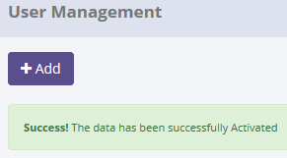
Try to "Activate" data, but data hasn't been changed
SELECT *
FROM [olss_qa_cr].[dbo].[User]
WHERE UserName='Hansen Hernando';

Before
IdUser | IdRole | UserName | Password | Remarks | CreateDate | CreateBy | LastModified | LastModifiedBy | Status | IsDraft | IsSubmit | IsActive | IsDeleted
22 | 2 | Hansen Hernando | NULL | NBD Member | 2014-09-30 08:52:08 | Deny Prasetya | 2015-05-12 12:01:52 | Achmad Fardani | NULL | 0 | 1 | 1 | 0

After
IdUser | IdRole | UserName | Password | Remarks | CreateDate | CreateBy | LastModified | LastModifiedBy | Status | IsDraft | IsSubmit | IsActive | IsDeleted
22 | 2 | Hansen Hernando | NULL | NBD Member | 2014-09-30 08:52:08 | Deny Prasetya | 2015-05-12 12:01:52 | Achmad Fardani | NULL | 0 | 1 | 1 | 0

There are no new record on table Master_History
SELECT *
FROM [olss_prod].[dbo].[Master_History]
ORDER BY CreatedDate DESC;

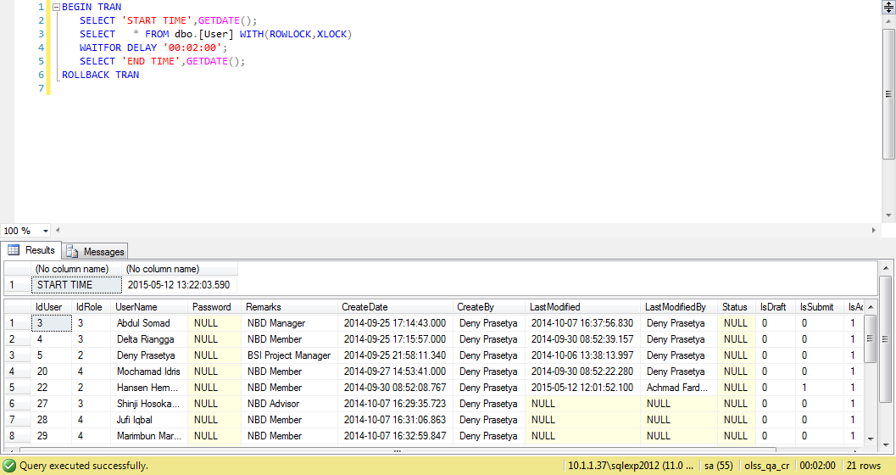
ProcessID | OriginalID | EntityName | Action | CreatedDate | CreatedBy
C50F3145-3D64-4832-B115-BA250A5ACD5B | 36 | User | Activate | 5/12/15 | Achmad Fardani
337834A7-FF79-4D83-9285-3A4D7F6CB5F1 | 22 | User | Submit | 5/12/15 | Achmad Fardani
2C937622-E2F1-4CE8-882A-C511E0DF64C5 | 36 | User | Submit | 5/12/15 | Achmad Fardani
32B25F06-0545-475D-BD15-E7F514EC149B | 22 | User | Save Changes | 5/12/15 | Achmad Fardani
F15309AE-A78C-40B3-9E6B-E9B5D50F21C8 | 36 | User | Save Changes | 5/12/15 | Achmad Fardani

Process Lock Table User

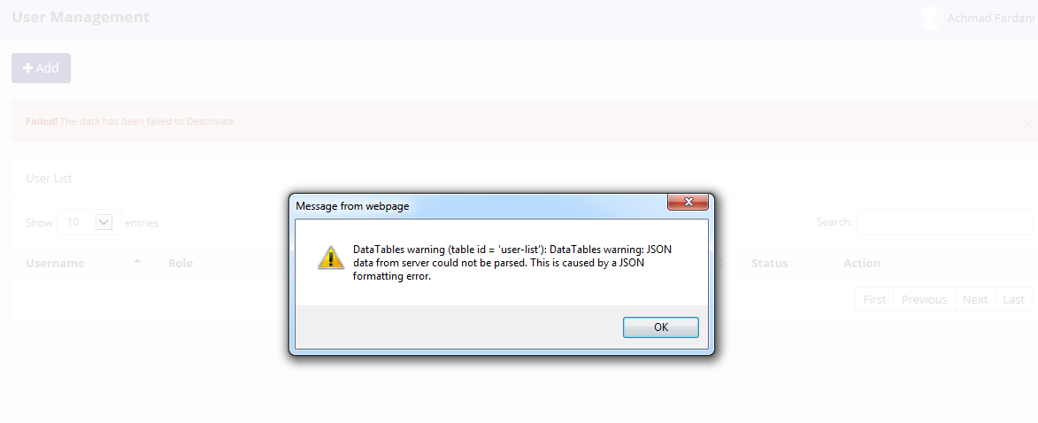

Invalid message of exception

Retry to "Activate" data with positive test

19.1 UAT
Try to "Set to Draft" data, then data has been changed
SELECT *
FROM [olss_qa_cr].[dbo].[User]
WHERE UserName='Agung Triwibawa';

Before
IdUser | IdRole | UserName | Password | Remarks | CreateDate | CreateBy | LastModified | LastModifiedBy | Status | IsDraft | IsSubmit | IsActive | IsDeleted
35 | 4 | Agung Triwibawa | NULL | NBD Member | 2014-10-30 10:51:39 | Deny Prasetya | NULL | NULL | NULL | 0 | 0 | 1 | 0

After
IdUser | IdRole | UserName | Password | Remarks | CreateDate | CreateBy | LastModified | LastModifiedBy | Status | IsDraft | IsSubmit | IsActive | IsDeleted
35 | 4 | Agung Triwibawa | NULL | NBD Member | 2014-10-30 10:51:39 | Deny Prasetya | 2015-05-12 13:28:48 | Achmad Fardani | NULL | 1 | 0 | 1 | 0

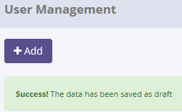
SELECT *
FROM [olss_prod].[dbo].[Master_History]
ORDER BY CreatedDate DESC;

ProcessID | OriginalID | EntityName | Action | CreatedDate | CreatedBy
3BB35BD8-F081-48D4-9AC3-334E97B30A73 | 35 | User | Set to Draft | 5/12/15 | Achmad Fardani
FE030943-10E4-479A-B685-B691C0D65B3E | 22 | User | Activate | 5/12/15 | Achmad Fardani
C50F3145-3D64-4832-B115-BA250A5ACD5B | 36 | User | Activate | 5/12/15 | Achmad Fardani
337834A7-FF79-4D83-9285-3A4D7F6CB5F1 | 22 | User | Submit | 5/12/15 | Achmad Fardani
2C937622-E2F1-4CE8-882A-C511E0DF64C5 | 36 | User | Submit | 5/12/15 | Achmad Fardani

SELECT *
FROM [olss_qa_cr].[dbo].[Master_History_Dtl]
WHERE ProcessID='3BB35BD8-F081-48D4-9AC3-334E97B30A73';

ProcessID | OldValue
3BB35BD8-F081-48D4-9AC3-334E97B30A73 | <User xmlns="http://schemas.datacontract.org/2004/07/Dsf.Olss.Data.Entities" xmlns:i="http://www.w3.org/2001/XMLSchema-instance"><CreateBy>Deny Prasetya</CreateBy><CreateDate>2014-10-30T10:51:39.787</CreateDate><IdRole>4</IdRole><IdUser>35</IdUser><IsActive>true</IsActive><IsDeleted>false</IsDeleted><IsDraft>false</IsDraft><IsSubmit>false</IsSubmit><LastModified i:nil="true" /><LastModifiedBy i:nil="true" /><Password i:nil="true" /><Remarks>NBD Member</Remarks><Role i:nil="true" /><Status i:nil="true" /><UserName>Agung Triwibawa</UserName></User>

19.2 UAT
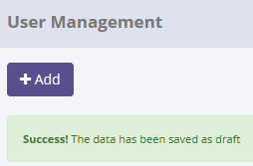
Try to "Set to Draft" data, but data hasn't been changed
SELECT *
FROM [olss_qa_cr].[dbo].[User]
WHERE UserName='Hansen Hernando';

Before
IdUser | IdRole | UserName | Password | Remarks | CreateDate | CreateBy | LastModified | LastModifiedBy | Status | IsDraft | IsSubmit | IsActive | IsDeleted
4 | 3 | Delta Riangga | NULL | NBD Member | 2014-09-25 17:15:57 | Deny Prasetya | 2014-09-30 08:52:39 | Deny Prasetya | NULL | 0 | 0 | 1 | 0

After
IdUser | IdRole | UserName | Password | Remarks | CreateDate | CreateBy | LastModified | LastModifiedBy | Status | IsDraft | IsSubmit | IsActive | IsDeleted
4 | 3 | Delta Riangga | NULL | NBD Member | 2014-09-25 17:15:57 | Deny Prasetya | 2014-09-30 08:52:39 | Deny Prasetya | NULL | 0 | 0 | 1 | 0

There are no new record on table Master_History
SELECT *
FROM [olss_prod].[dbo].[Master_History]
ORDER BY CreatedDate DESC;

ProcessID | OriginalID | EntityName | Action | CreatedDate | CreatedBy
3BB35BD8-F081-48D4-9AC3-334E97B30A73 | 35 | User | Set to Draft | 5/12/15 | Achmad Fardani
FE030943-10E4-479A-B685-B691C0D65B3E | 22 | User | Activate | 5/12/15 | Achmad Fardani
C50F3145-3D64-4832-B115-BA250A5ACD5B | 36 | User | Activate | 5/12/15 | Achmad Fardani
337834A7-FF79-4D83-9285-3A4D7F6CB5F1 | 22 | User | Submit | 5/12/15 | Achmad Fardani
2C937622-E2F1-4CE8-882A-C511E0DF64C5 | 36 | User | Submit | 5/12/15 | Achmad Fardani

Process Lock Table User

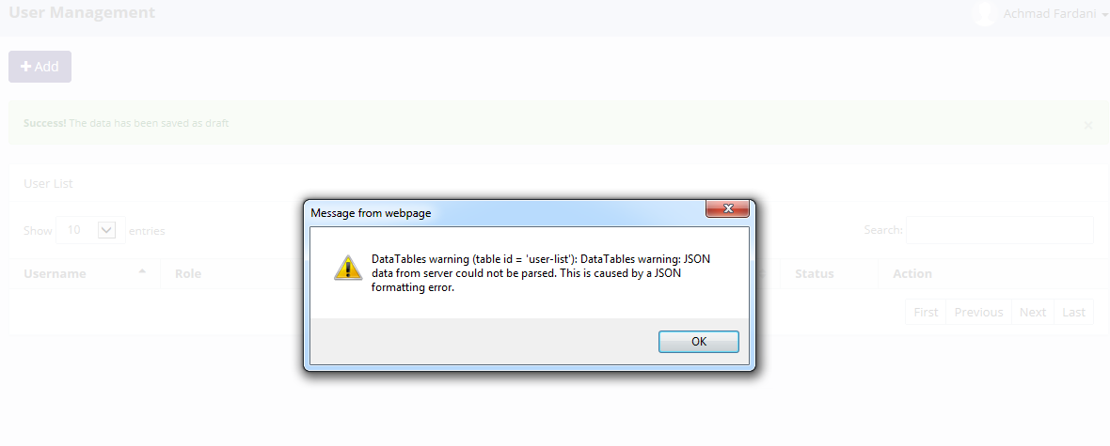

Invalid message of exception

Retry to "Set to Draft" data with positive test

20.1 UAT
Try to "Deactivate" data, then data has been changed
SELECT *
FROM [olss_qa_cr].[dbo].[User]
WHERE UserName='elke hilviana';

Before
IdUser | IdRole | UserName | Password | Remarks | CreateDate | CreateBy | LastModified | LastModifiedBy | Status | IsDraft | IsSubmit | IsActive | IsDeleted
37 | 3 | elke hilviana | NULL | Elke Hilviana | 2014-12-19 14:42:30 | Deny Prasetya | NULL | NULL | NULL | 0 | 0 | 1 | 0

After
IdUser | IdRole | UserName | Password | Remarks | CreateDate | CreateBy | LastModified | LastModifiedBy | Status | IsDraft | IsSubmit | IsActive | IsDeleted
37 | 3 | elke hilviana | NULL | Elke Hilviana | 2014-12-19 14:42:30 | Deny Prasetya | NULL | NULL | NULL | 0 | 0 | 0 | 0


SELECT *
FROM [olss_prod].[dbo].[Master_History]
ORDER BY CreatedDate DESC;

ProcessID | OriginalID | EntityName | Action | CreatedDate | CreatedBy
BB3A4A79-E2FC-4122-B06C-BB90180A3618 | 37 | User | Deactivate | 5/12/15 | Achmad Fardani
66B2B312-DADC-4FE1-845E-4FDDD6651873 | 4 | User | Set to Draft | 5/12/15 | Achmad Fardani
3BB35BD8-F081-48D4-9AC3-334E97B30A73 | 35 | User | Set to Draft | 5/12/15 | Achmad Fardani
FE030943-10E4-479A-B685-B691C0D65B3E | 22 | User | Activate | 5/12/15 | Achmad Fardani
C50F3145-3D64-4832-B115-BA250A5ACD5B | 36 | User | Activate | 5/12/15 | Achmad Fardani

SELECT *
FROM [olss_qa_cr].[dbo].[Master_History_Dtl]
WHERE ProcessID='BB3A4A79-E2FC-4122-B06C-BB90180A3618';

ProcessID | OldValue
BB3A4A79-E2FC-4122-B06C-BB90180A3618 | <User xmlns="http://schemas.datacontract.org/2004/07/Dsf.Olss.Data.Entities" xmlns:i="http://www.w3.org/2001/XMLSchema-instance"><CreateBy>Deny Prasetya</CreateBy><CreateDate>2014-12-19T14:42:30.817</CreateDate><IdRole>3</IdRole><IdUser>37</IdUser><IsActive>true</IsActive><IsDeleted>false</IsDeleted><IsDraft>false</IsDraft><IsSubmit>false</IsSubmit><LastModified i:nil="true" /><LastModifiedBy i:nil="true" /><Password i:nil="true" /><Remarks>Elke Hilviana</Remarks><Role i:nil="true" /><Status i:nil="true" /><UserName>elke hilviana</UserName></User>

20.2 UAT
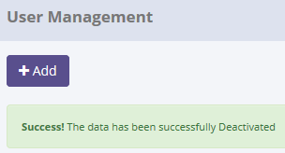
Try to "Deactivate" data, but data hasn't been changed
SELECT *
FROM [olss_qa_cr].[dbo].[User]
WHERE UserName='Deny Prasetya';

Before
IdUser | IdRole | UserName | Password | Remarks | CreateDate | CreateBy | LastModified | LastModifiedBy | Status | IsDraft | IsSubmit | IsActive | IsDeleted
5 | 2 | Deny Prasetya | NULL | BSI Project Manager | 2014-09-25 21:58:11 | Deny Prasetya | 2014-10-06 13:38:13 | Deny Prasetya | NULL | 0 | 0 | 1 | 0

After
IdUser | IdRole | UserName | Password | Remarks | CreateDate | CreateBy | LastModified | LastModifiedBy | Status | IsDraft | IsSubmit | IsActive | IsDeleted
5 | 2 | Deny Prasetya | NULL | BSI Project Manager | 2014-09-25 21:58:11 | Deny Prasetya | 2014-10-06 13:38:13 | Deny Prasetya | NULL | 0 | 0 | 1 | 0

There are no new record on table Master_History
SELECT *
FROM [olss_prod].[dbo].[Master_History]
ORDER BY CreatedDate DESC;

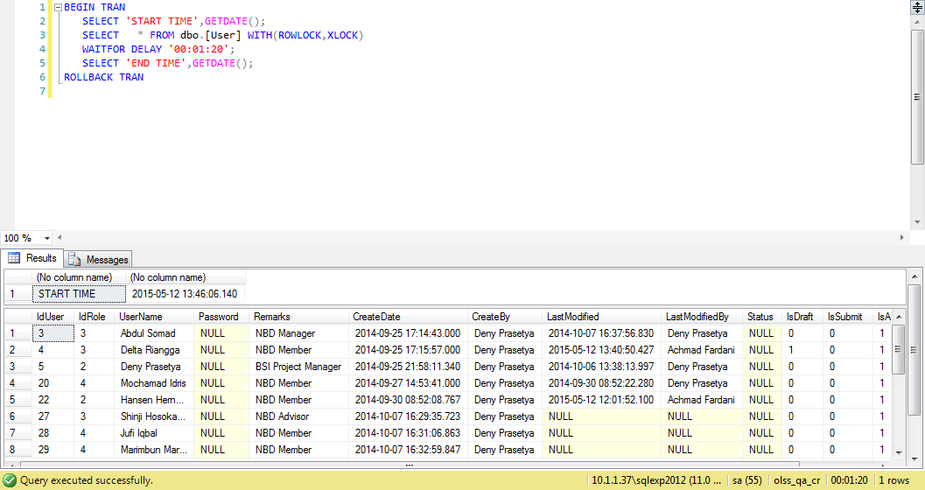
ProcessID | OriginalID | EntityName | Action | CreatedDate | CreatedBy
BB3A4A79-E2FC-4122-B06C-BB90180A3618 | 37 | User | Deactivate | 5/12/15 | Achmad Fardani
66B2B312-DADC-4FE1-845E-4FDDD6651873 | 4 | User | Set to Draft | 5/12/15 | Achmad Fardani
3BB35BD8-F081-48D4-9AC3-334E97B30A73 | 35 | User | Set to Draft | 5/12/15 | Achmad Fardani
FE030943-10E4-479A-B685-B691C0D65B3E | 22 | User | Activate | 5/12/15 | Achmad Fardani
C50F3145-3D64-4832-B115-BA250A5ACD5B | 36 | User | Activate | 5/12/15 | Achmad Fardani

Process Lock Table User

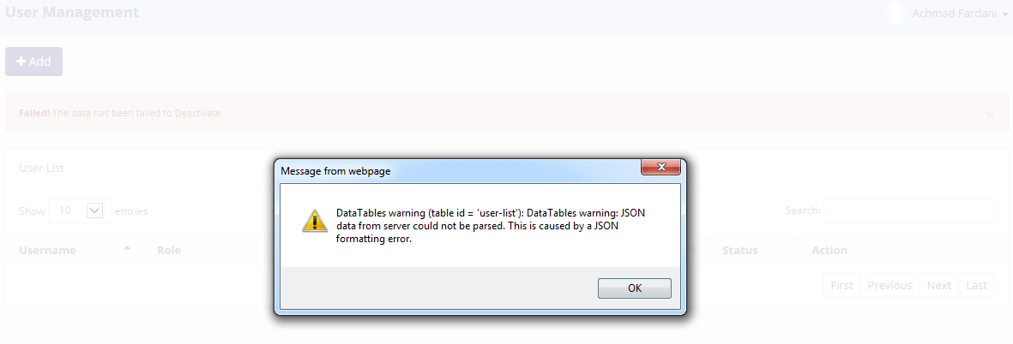

Invalid message of exception

Retry to "Deactivate" data with positive test

21.1 UAT
Try to "SaveChanges" data, then data has been changed
SELECT *
FROM [olss_qa_cr].[dbo].[Role]
WHERE idRole =' 5'

Before
IdRole | RoleName | Remarks | IsDeleted | Status | IsDraft | IsSubmit | IsActive | CreatedDate | CreatedBy
5 | Any Role | for testing purpose | 0 | NULL | 1900-01-01 00:00:00 | 0 | 0:00:00 | 2015-02-11 16:31:57 | Deny Prasetya

After
IdRole | RoleName | Remarks | IsDeleted | Status | IsDraft | IsSubmit | IsActive | CreatedDate | CreatedBy
5 | Any Role | for testing purpose cr | 0 | NULL | 1900-01-01 00:00:00 | 0 | 0:00:00 | 2015-02-11 16:31:57 | Deny Prasetya

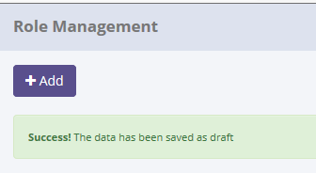
SELECT *
FROM [olss_prod].[dbo].[Master_History]
ORDER BY CreatedDate DESC;

ProcessID | OriginalID | EntityName | Action | CreatedDate | CreatedBy
93F06941-F83E-417B-81DF-FAB3C70065D2 | 5 | Role | Save as Draft | 5/12/15 | Achmad Fardani
10B464BF-7247-4E55-A1F0-D047C4402922 | 5 | User | Deactivate | 5/12/15 | Achmad Fardani
BB3A4A79-E2FC-4122-B06C-BB90180A3618 | 37 | User | Deactivate | 5/12/15 | Achmad Fardani
66B2B312-DADC-4FE1-845E-4FDDD6651873 | 4 | User | Set to Draft | 5/12/15 | Achmad Fardani
3BB35BD8-F081-48D4-9AC3-334E97B30A73 | 35 | User | Set to Draft | 5/12/15 | Achmad Fardani

SELECT *
FROM [olss_qa_cr].[dbo].[Master_History_Dtl]
WHERE ProcessID='BB3A4A79-E2FC-4122-B06C-BB90180A3618';

ProcessID | OldValue
93F06941-F83E-417B-81DF-FAB3C70065D2 | <Role xmlns="http://schemas.datacontract.org/2004/07/Dsf.Olss.Data.Entities" xmlns:i="http://www.w3.org/2001/XMLSchema-instance"><CreatedBy>Deny Prasetya</CreatedBy><CreatedDate>2015-02-11T16:31:57.567</CreatedDate><IdRole>5</IdRole><IsActive>false</IsActive><IsDeleted>false</IsDeleted><IsDraft>true</IsDraft><IsSubmit>false</IsSubmit><Menus /><Permissions /><Remarks>for testing purpose</Remarks><RoleName>Any Role</RoleName><Status i:nil="true" /><Users /></Role>

21.2 UAT
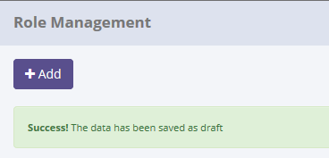
Try to "Savce Changes" data, but data hasn't been changed
SELECT *
FROM [olss_qa_cr].[dbo].[Role]
WHERE UserName='Deny Prasetya';

Before
IdRole | RoleName | Remarks | IsDeleted | Status | IsDraft | IsSubmit | IsActive | CreatedDate | CreatedBy
5 | Any Role | for testing purpose cr | 0 | NULL | 1900-01-01 00:00:00 | 0 | 0:00:00 | 2015-02-11 16:31:57 | Deny Prasetya

After
IdRole | RoleName | Remarks | IsDeleted | Status | IsDraft | IsSubmit | IsActive | CreatedDate | CreatedBy
5 | Any Role | for testing purpose cr | 0 | NULL | 1900-01-01 00:00:00 | 0 | 0:00:00 | 2015-02-11 16:31:57 | Deny Prasetya

There are no new record on table Master_History
SELECT *
FROM [olss_prod].[dbo].[Master_History]
ORDER BY CreatedDate DESC;

ProcessID | OriginalID | EntityName | Action | CreatedDate | CreatedBy
93F06941-F83E-417B-81DF-FAB3C70065D2 | 5 | Role | Save as Draft | 5/12/15 | Achmad Fardani
10B464BF-7247-4E55-A1F0-D047C4402922 | 5 | User | Deactivate | 5/12/15 | Achmad Fardani
BB3A4A79-E2FC-4122-B06C-BB90180A3618 | 37 | User | Deactivate | 5/12/15 | Achmad Fardani
66B2B312-DADC-4FE1-845E-4FDDD6651873 | 4 | User | Set to Draft | 5/12/15 | Achmad Fardani
3BB35BD8-F081-48D4-9AC3-334E97B30A73 | 35 | User | Set to Draft | 5/12/15 | Achmad Fardani

Process Lock Table Role

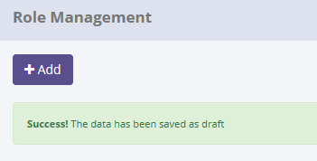
Invalid message of exception

Retry to changes data with positive test

22.1 UAT
Try to "Submit" data, then data has been changed
SELECT *
FROM [olss_qa_cr].[dbo].[Role]
WHERE idRole =' 5'

Before
IdRole | RoleName | Remarks | IsDeleted | Status | IsDraft | IsSubmit | IsActive | CreatedDate | CreatedBy
5 | Any Role | for testing purpose cr 2 | 0 | NULL | 1 | 0 | 0:00:00 | 2015-02-11 16:31:57 | Deny Prasetya

After
IdRole | RoleName | Remarks | IsDeleted | Status | IsDraft | IsSubmit | IsActive | CreatedDate | CreatedBy
5 | Any Role | for testing purpose cr 2 | 0 | NULL | 0 | 1 | 0:00:00 | 2015-02-11 16:31:57 | Deny Prasetya

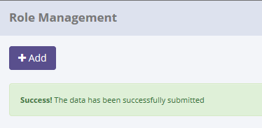
SELECT *
FROM [olss_prod].[dbo].[Master_History]
ORDER BY CreatedDate DESC;

ProcessID | OriginalID | EntityName | Action | CreatedDate | CreatedBy
4C78D6B6-57C8-47E0-B13D-8CD0F2ECE940 | 5 | Role | Submit | 5/12/15 | Achmad Fardani
BFF8DA26-A2E7-4CDD-A72F-3D3FFCD9AC95 | 5 | Role | Save as Draft | 5/12/15 | Achmad Fardani
93F06941-F83E-417B-81DF-FAB3C70065D2 | 5 | Role | Save as Draft | 5/12/15 | Achmad Fardani
10B464BF-7247-4E55-A1F0-D047C4402922 | 5 | User | Deactivate | 5/12/15 | Achmad Fardani
BB3A4A79-E2FC-4122-B06C-BB90180A3618 | 37 | User | Deactivate | 5/12/15 | Achmad Fardani

SELECT *
FROM [olss_qa_cr].[dbo].[Master_History_Dtl]
WHERE ProcessID='4C78D6B6-57C8-47E0-B13D-8CD0F2ECE940';

ProcessID | OldValue
4C78D6B6-57C8-47E0-B13D-8CD0F2ECE940 | <Role xmlns="http://schemas.datacontract.org/2004/07/Dsf.Olss.Data.Entities" xmlns:i="http://www.w3.org/2001/XMLSchema-instance"><CreatedBy>Deny Prasetya</CreatedBy><CreatedDate>2015-02-11T16:31:57.567</CreatedDate><IdRole>5</IdRole><IsActive>false</IsActive><IsDeleted>false</IsDeleted><IsDraft>true</IsDraft><IsSubmit>false</IsSubmit><Menus /><Permissions /><Remarks>for testing purpose cr 2</Remarks><RoleName>Any Role</RoleName><Status i:nil="true" /><Users /></Role>

22.2 UAT
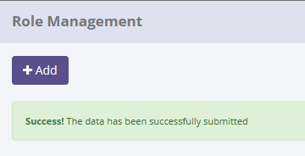
Try to "Submit" data, but data hasn't been changed
SELECT *
FROM [olss_qa_cr].[dbo].[Role]
WHERE RoleName = 'User'

Before
IdRole | RoleName | Remarks | IsDeleted | Status | IsDraft | IsSubmit | IsActive | CreatedDate | CreatedBy
4 | User | User | 0 | NULL | 1 | 0 | 0:00:00 | 2014-09-25 09:51:20 | NULL

After
IdRole | RoleName | Remarks | IsDeleted | Status | IsDraft | IsSubmit | IsActive | CreatedDate | CreatedBy
4 | User | User | 0 | NULL | 1 | 0 | 0 | 2014-09-25 09:51:20 | NULL

There are no new record on table Master_History
SELECT *
FROM [olss_prod].[dbo].[Master_History]
ORDER BY CreatedDate DESC;

ProcessID | OriginalID | EntityName | Action | CreatedDate | CreatedBy
4C78D6B6-57C8-47E0-B13D-8CD0F2ECE940 | 5 | Role | Submit | 5/12/15 | Achmad Fardani
BFF8DA26-A2E7-4CDD-A72F-3D3FFCD9AC95 | 5 | Role | Save as Draft | 5/12/15 | Achmad Fardani
93F06941-F83E-417B-81DF-FAB3C70065D2 | 5 | Role | Save as Draft | 5/12/15 | Achmad Fardani
10B464BF-7247-4E55-A1F0-D047C4402922 | 5 | User | Deactivate | 5/12/15 | Achmad Fardani
BB3A4A79-E2FC-4122-B06C-BB90180A3618 | 37 | User | Deactivate | 5/12/15 | Achmad Fardani

Process Lock Table Role

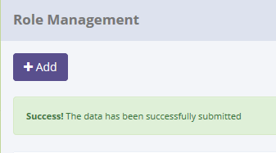
Invalid message of exception

Retry to changes data with positive test

23.1 UAT
Try to "Activate" data, then data has been changed
SELECT *
FROM [olss_qa_cr].[dbo].[Role]
WHERE idRole =' 5'

Before
IdRole | RoleName | Remarks | IsDeleted | Status | IsDraft | IsSubmit | IsActive | CreatedDate | CreatedBy
5 | Any Role | for testing purpose cr 2 | 0 | NULL | 0 | 1 | 0 | 2015-02-11 16:31:57 | Deny Prasetya

After
IdRole | RoleName | Remarks | IsDeleted | Status | IsDraft | IsSubmit | IsActive | CreatedDate | CreatedBy
5 | Any Role | for testing purpose cr 2 | 0 | NULL | 0 | 0 | 1 | 2015-02-11 16:31:57 | Deny Prasetya

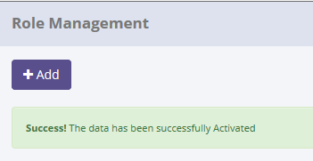
SELECT *
FROM [olss_prod].[dbo].[Master_History]
ORDER BY CreatedDate DESC;

ProcessID | OriginalID | EntityName | Action | CreatedDate | CreatedBy
B4906A3C-5408-4BBF-9269-F8DDA51025A1 | 5 | Role | Activate | 5/12/15 | Achmad Fardani
D96E8D36-4650-46A0-8063-A7D6D09E16B0 | 4 | Role | Submit | 5/12/15 | Achmad Fardani
4C78D6B6-57C8-47E0-B13D-8CD0F2ECE940 | 5 | Role | Submit | 5/12/15 | Achmad Fardani
BFF8DA26-A2E7-4CDD-A72F-3D3FFCD9AC95 | 5 | Role | Save as Draft | 5/12/15 | Achmad Fardani
93F06941-F83E-417B-81DF-FAB3C70065D2 | 5 | Role | Save as Draft | 5/12/15 | Achmad Fardani

SELECT *
FROM [olss_qa_cr].[dbo].[Master_History_Dtl]
WHERE ProcessID='B4906A3C-5408-4BBF-9269-F8DDA51025A1';

ProcessID | OldValue
B4906A3C-5408-4BBF-9269-F8DDA51025A1 | <Role xmlns="http://schemas.datacontract.org/2004/07/Dsf.Olss.Data.Entities" xmlns:i="http://www.w3.org/2001/XMLSchema-instance"><CreatedBy>Deny Prasetya</CreatedBy><CreatedDate>2015-02-11T16:31:57.567</CreatedDate><IdRole>5</IdRole><IsActive>false</IsActive><IsDeleted>false</IsDeleted><IsDraft>false</IsDraft><IsSubmit>true</IsSubmit><Menus /><Permissions /><Remarks>for testing purpose cr 2</Remarks><RoleName>Any Role</RoleName><Status i:nil="true" /><Users /></Role>

23.2 UAT
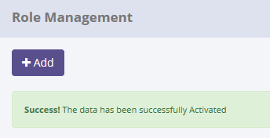
Try to "Activate" data, but data hasn't been changed
SELECT *
FROM [olss_qa_cr].[dbo].[Role]
WHERE RoleName = 'User'

Before
IdRole | RoleName | Remarks | IsDeleted | Status | IsDraft | IsSubmit | IsActive | CreatedDate | CreatedBy
4 | User | User | 0 | NULL | 0 | 1 | 0 | 2014-09-25 09:51:20 | NULL

After
IdRole | RoleName | Remarks | IsDeleted | Status | IsDraft | IsSubmit | IsActive | CreatedDate | CreatedBy
4 | User | User | 0 | NULL | 0 | 1 | 0 | 2014-09-25 09:51:20 | NULL

There are no new record on table Master_History
SELECT *
FROM [olss_prod].[dbo].[Master_History]
ORDER BY CreatedDate DESC;

ProcessID | OriginalID | EntityName | Action | CreatedDate | CreatedBy
B4906A3C-5408-4BBF-9269-F8DDA51025A1 | 5 | Role | Activate | 5/12/15 | Achmad Fardani
D96E8D36-4650-46A0-8063-A7D6D09E16B0 | 4 | Role | Submit | 5/12/15 | Achmad Fardani
4C78D6B6-57C8-47E0-B13D-8CD0F2ECE940 | 5 | Role | Submit | 5/12/15 | Achmad Fardani
BFF8DA26-A2E7-4CDD-A72F-3D3FFCD9AC95 | 5 | Role | Save as Draft | 5/12/15 | Achmad Fardani
93F06941-F83E-417B-81DF-FAB3C70065D2 | 5 | Role | Save as Draft | 5/12/15 | Achmad Fardani

Process Lock Table Role

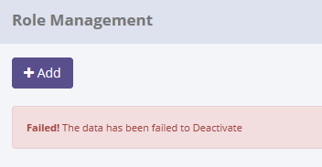
Invalid message of exception

Retry to changes data with positive test

24.1 UAT
Try to "Set to Draft" data, then data has been changed
SELECT *
FROM [olss_qa_cr].[dbo].[Role]
WHERE idRole =' 5'

Before
IdRole | RoleName | Remarks | IsDeleted | Status | IsDraft | IsSubmit | IsActive | CreatedDate | CreatedBy
5 | Any Role | for testing purpose cr 2 | 0 | NULL | 0 | 0 | 1 | 2015-02-11 16:31:57 | Deny Prasetya

After
IdRole | RoleName | Remarks | IsDeleted | Status | IsDraft | IsSubmit | IsActive | CreatedDate | CreatedBy
5 | Any Role | for testing purpose cr 2 | 0 | NULL | 1 | 0 | 1 | 2015-02-11 16:31:57 | Deny Prasetya

SELECT *
FROM [olss_prod].[dbo].[Master_History]
ORDER BY CreatedDate DESC;
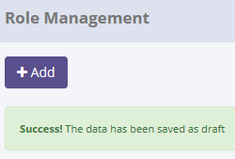
ProcessID | OriginalID | EntityName | Action | CreatedDate | CreatedBy
A5D7C4CE-2646-4B64-8971-A8E0157E2261 | 5 | Role | Set to Draft | 5/12/15 | Achmad Fardani
BD667554-B8BC-428B-887B-F5A4654A6241 | 4 | Role | Activate | 5/12/15 | Achmad Fardani
B4906A3C-5408-4BBF-9269-F8DDA51025A1 | 5 | Role | Activate | 5/12/15 | Achmad Fardani
D96E8D36-4650-46A0-8063-A7D6D09E16B0 | 4 | Role | Submit | 5/12/15 | Achmad Fardani
4C78D6B6-57C8-47E0-B13D-8CD0F2ECE940 | 5 | Role | Submit | 5/12/15 | Achmad Fardani

SELECT *
FROM [olss_qa_cr].[dbo].[Master_History_Dtl]
WHERE ProcessID='A5D7C4CE-2646-4B64-8971-A8E0157E2261';

ProcessID | OldValue
A5D7C4CE-2646-4B64-8971-A8E0157E2261 | <Role xmlns="http://schemas.datacontract.org/2004/07/Dsf.Olss.Data.Entities" xmlns:i="http://www.w3.org/2001/XMLSchema-instance"><CreatedBy>Deny Prasetya</CreatedBy><CreatedDate>2015-02-11T16:31:57.567</CreatedDate><IdRole>5</IdRole><IsActive>true</IsActive><IsDeleted>false</IsDeleted><IsDraft>false</IsDraft><IsSubmit>false</IsSubmit><Menus /><Permissions /><Remarks>for testing purpose cr 2</Remarks><RoleName>Any Role</RoleName><Status i:nil="true" /><Users /></Role>

24.2 UAT
Try to "Set to Draft" data, but data hasn't been changed
SELECT *
FROM [olss_qa_cr].[dbo].[Role]
WHERE RoleName = 'Any Role'

Before
IdRole | RoleName | Remarks | IsDeleted | Status | IsDraft | IsSubmit | IsActive | CreatedDate | CreatedBy
5 | Any Role | for testing purpose cr 2 | 0 | NULL | 0 | 0 | 1 | 2015-02-11 16:31:57 | Deny Prasetya

After
IdRole | RoleName | Remarks | IsDeleted | Status | IsDraft | IsSubmit | IsActive | CreatedDate | CreatedBy
5 | Any Role | for testing purpose cr 2 | 0 | NULL | 0 | 0 | 1 | 2015-02-11 16:31:57 | Deny Prasetya

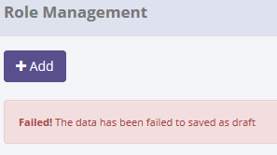

There are no new record on table Master_History
SELECT *
FROM [olss_prod].[dbo].[Master_History]
ORDER BY CreatedDate DESC;

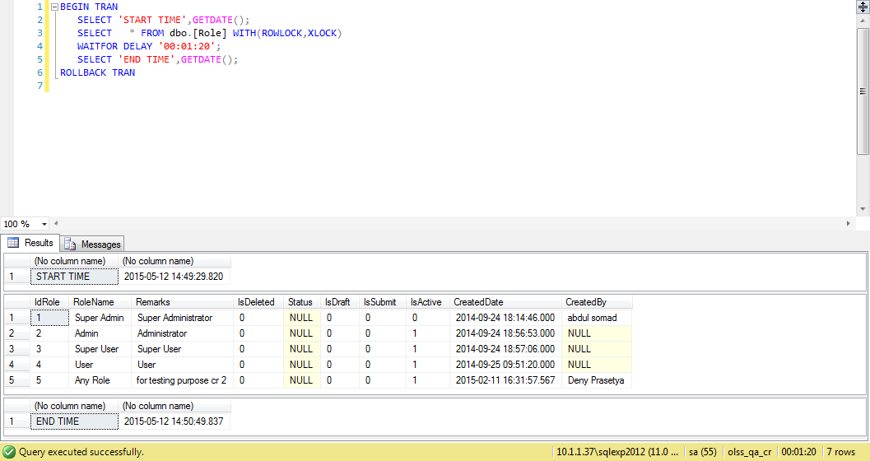
ProcessID | OriginalID | EntityName | Action | CreatedDate | CreatedBy
A5D7C4CE-2646-4B64-8971-A8E0157E2261 | 5 | Role | Set to Draft | 5/12/15 | Achmad Fardani
BD667554-B8BC-428B-887B-F5A4654A6241 | 4 | Role | Activate | 5/12/15 | Achmad Fardani
B4906A3C-5408-4BBF-9269-F8DDA51025A1 | 5 | Role | Activate | 5/12/15 | Achmad Fardani
D96E8D36-4650-46A0-8063-A7D6D09E16B0 | 4 | Role | Submit | 5/12/15 | Achmad Fardani
4C78D6B6-57C8-47E0-B13D-8CD0F2ECE940 | 5 | Role | Submit | 5/12/15 | Achmad Fardani

Process Lock Table Role

25.1 UAT
Try to "Deactivate" data, then data has been changed
SELECT *
FROM [olss_qa_cr].[dbo].[Role]
WHERE idRole =' 5'

Before
IdRole | RoleName | Remarks | IsDeleted | Status | IsDraft | IsSubmit | IsActive | CreatedDate | CreatedBy
5 | Any Role | for testing purpose cr 2 | 0 | NULL | 0 | 0 | 1 | 2015-02-11 16:31:57 | Deny Prasetya

After
IdRole | RoleName | Remarks | IsDeleted | Status | IsDraft | IsSubmit | IsActive | CreatedDate | CreatedBy
5 | Any Role | for testing purpose cr 2 | 0 | NULL | 0 | 0 | 0 | 2015-02-11 16:31:57 | Deny Prasetya

SELECT *
FROM [olss_prod].[dbo].[Master_History]
ORDER BY CreatedDate DESC;


ProcessID | OriginalID | EntityName | Action | CreatedDate | CreatedBy
4B396FA6-33B2-425C-9ED3-0E884399DE11 | 5 | Role | Deactivate | 5/12/15 | Achmad Fardani
A5D7C4CE-2646-4B64-8971-A8E0157E2261 | 5 | Role | Set to Draft | 5/12/15 | Achmad Fardani
BD667554-B8BC-428B-887B-F5A4654A6241 | 4 | Role | Activate | 5/12/15 | Achmad Fardani
B4906A3C-5408-4BBF-9269-F8DDA51025A1 | 5 | Role | Activate | 5/12/15 | Achmad Fardani
D96E8D36-4650-46A0-8063-A7D6D09E16B0 | 4 | Role | Submit | 5/12/15 | Achmad Fardani

SELECT *
FROM [olss_qa_cr].[dbo].[Master_History_Dtl]
WHERE ProcessID='4B396FA6-33B2-425C-9ED3-0E884399DE11';

ProcessID | OldValue
4B396FA6-33B2-425C-9ED3-0E884399DE11 | <Role xmlns="http://schemas.datacontract.org/2004/07/Dsf.Olss.Data.Entities" xmlns:i="http://www.w3.org/2001/XMLSchema-instance"><CreatedBy>Deny Prasetya</CreatedBy><CreatedDate>2015-02-11T16:31:57.567</CreatedDate><IdRole>5</IdRole><IsActive>true</IsActive><IsDeleted>false</IsDeleted><IsDraft>false</IsDraft><IsSubmit>false</IsSubmit><Menus /><Permissions /><Remarks>for testing purpose cr 2</Remarks><RoleName>Any Role</RoleName><Status i:nil="true" /><Users /></Role>

25.2 UAT

Try to "Deactivate" data, but data hasn't been changed
SELECT *
FROM [olss_qa_cr].[dbo].[Role]
WHERE RoleName = 'Any Role'

Before
IdRole | RoleName | Remarks | IsDeleted | Status | IsDraft | IsSubmit | IsActive | CreatedDate | CreatedBy
5 | Any Role | for testing purpose cr 2 | 0 | NULL | 0 | 0 | 1 | 2015-02-11 16:31:57 | Deny Prasetya

After
IdRole | RoleName | Remarks | IsDeleted | Status | IsDraft | IsSubmit | IsActive | CreatedDate | CreatedBy
5 | Any Role | for testing purpose cr 2 | 0 | NULL | 0 | 0 | 1 | 2015-02-11 16:31:57 | Deny Prasetya



There are no new record on table Master_History
SELECT *
FROM [olss_prod].[dbo].[Master_History]
ORDER BY CreatedDate DESC;


ProcessID | OriginalID | EntityName | Action | CreatedDate | CreatedBy
4B396FA6-33B2-425C-9ED3-0E884399DE11 | 5 | Role | Deactivate | 5/12/15 | Achmad Fardani
A5D7C4CE-2646-4B64-8971-A8E0157E2261 | 5 | Role | Set to Draft | 5/12/15 | Achmad Fardani
BD667554-B8BC-428B-887B-F5A4654A6241 | 4 | Role | Activate | 5/12/15 | Achmad Fardani
B4906A3C-5408-4BBF-9269-F8DDA51025A1 | 5 | Role | Activate | 5/12/15 | Achmad Fardani
D96E8D36-4650-46A0-8063-A7D6D09E16B0 | 4 | Role | Submit | 5/12/15 | Achmad Fardani

Process Lock Table Role

Retry to Deactivate data with positive test

